System Demand and Market Price
I-NTEM
 | 21-Jul-26

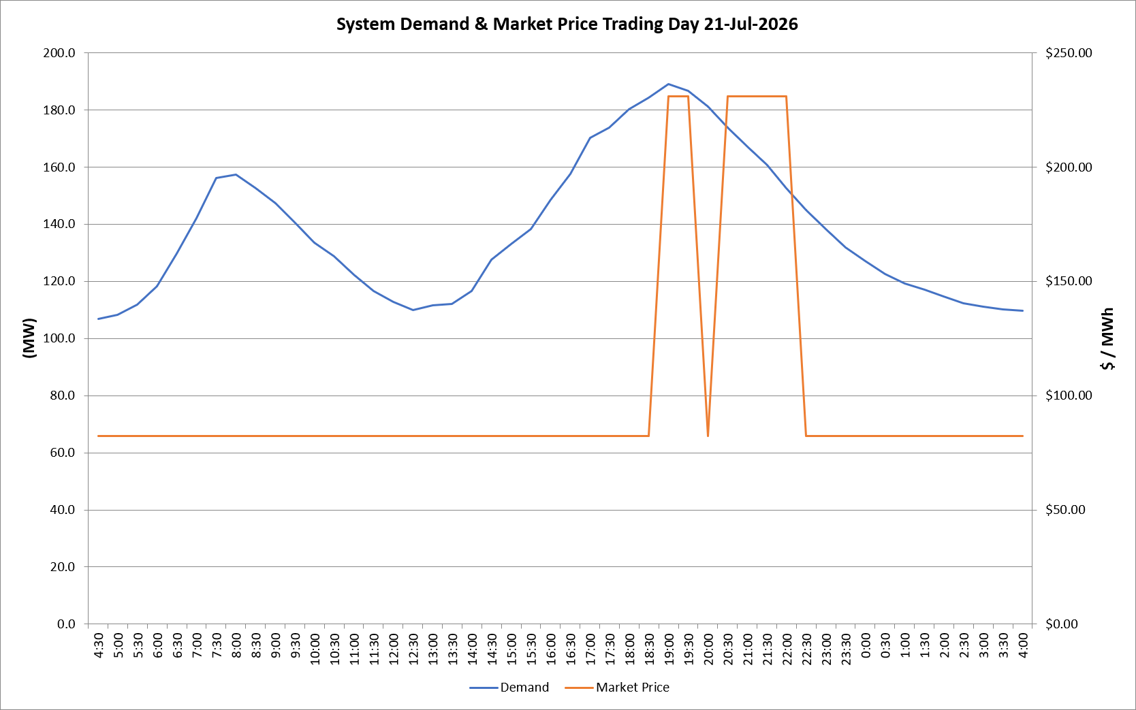
 | Demand | Market Price
4:30:00 | 106.9 | $82.19
5:00:00 | 108.2 | $82.19
5:30:00 | 111.9 | $82.19
6:00:00 | 118.3 | $82.19
6:30:00 | 129.6 | $82.19
7:00:00 | 142.0 | $82.19
7:30:00 | 156.1 | $82.19
8:00:00 | 157.3 | $82.19
8:30:00 | 152.5 | $82.19
9:00:00 | 147.2 | $82.19
9:30:00 | 140.6 | $82.19
10:00:00 | 133.6 | $82.19
10:30:00 | 128.7 | $82.19
11:00:00 | 122.4 | $82.19
11:30:00 | 116.7 | $82.30
12:00:00 | 112.7 | $82.30
12:30:00 | 109.9 | $82.30
13:00:00 | 111.6 | $82.30
13:30:00 | 112.0 | $82.30
14:00:00 | 116.6 | $82.30
14:30:00 | 127.5 | $82.30
15:00:00 | 132.9 | $82.30
15:30:00 | 138.4 | $82.30
16:00:00 | 148.5 | $82.30
16:30:00 | 157.7 | $82.30
17:00:00 | 170.3 | $82.30
17:30:00 | 173.7 | $82.30
18:00:00 | 180.2 | $82.30
18:30:00 | 184.3 | $82.30
19:00:00 | 189.0 | $231.04
19:30:00 | 186.6 | $231.04
20:00:00 | 181.2 | $82.30
20:30:00 | 173.8 | $231.04
21:00:00 | 167.1 | $231.04
21:30:00 | 160.6 | $231.04
22:00:00 | 152.6 | $231.04
22:30:00 | 144.8 | $82.20
23:00:00 | 138.4 | $82.20
23:30:00 | 131.9 | $82.19 | Offers Used For Processing
0:00:00 | 127.0 | $82.19
0:30:00 | 122.6 | $82.19 | Generator | Offer Version | Start Interval | Trading Day
1:00:00 | 119.3 | $82.19 | AENT | Version 4 | 4:30:00 | 2026-07-21
1:30:00 | 117.2 | $82.19 | BSF | Version 0 | 4:30:00 | 2026-07-21
2:00:00 | 114.6 | $82.19 | EDL | Version 1 | 4:30:00 | 2026-07-21
2:30:00 | 112.3 | $82.19 | ENI | Version 18 | 4:30:00 | 2026-07-21
3:00:00 | 111.1 | $82.19 | HCPS | Version 0 | 4:30:00 | 2026-07-21
3:30:00 | 110.2 | $82.19 | TGen | Version 1 | 4:30:00 | 2026-07-21
4:00:00 | 109.8 | $82.19

