System Demand and Market Price
I-NTEM
 | 29-Jul-26

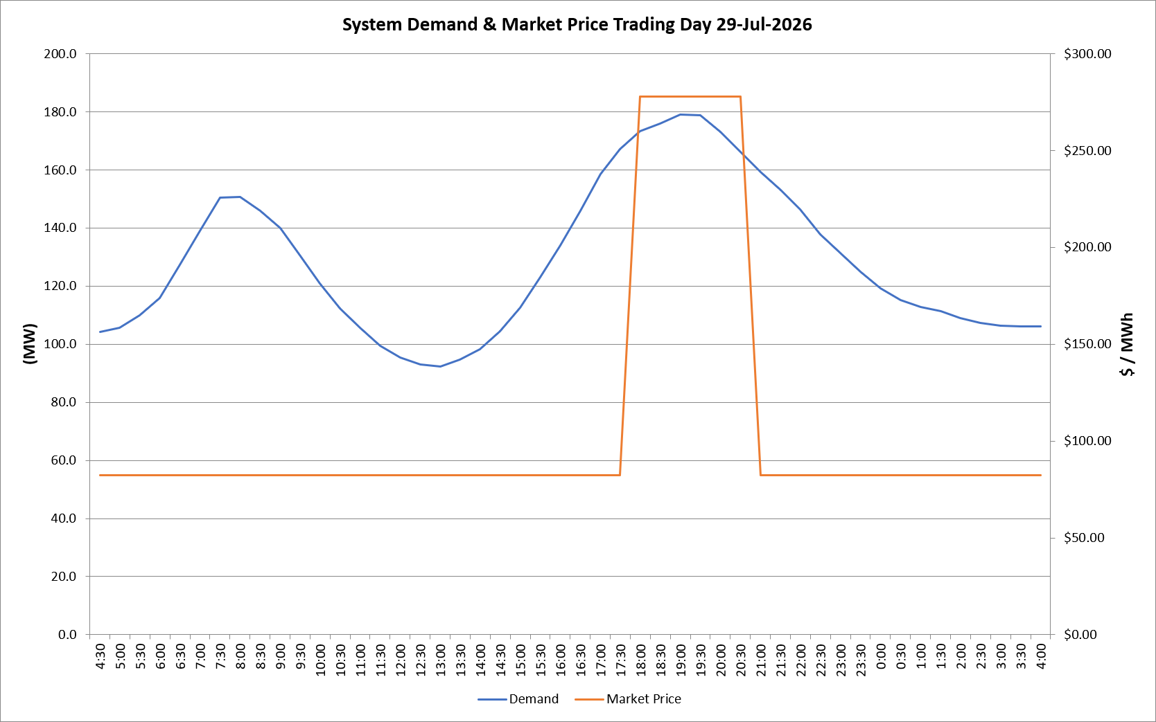
 | Demand | Market Price
4:30:00 | 104.2 | $82.19
5:00:00 | 105.6 | $82.19
5:30:00 | 110.0 | $82.19
6:00:00 | 116.0 | $82.19
6:30:00 | 127.3 | $82.19
7:00:00 | 139.0 | $82.19
7:30:00 | 150.4 | $82.19
8:00:00 | 150.7 | $82.19
8:30:00 | 146.0 | $82.19
9:00:00 | 140.0 | $82.19
9:30:00 | 130.6 | $82.19
10:00:00 | 120.8 | $82.19
10:30:00 | 112.4 | $82.19
11:00:00 | 105.6 | $82.19
11:30:00 | 99.4 | $82.19
12:00:00 | 95.5 | $82.19
12:30:00 | 93.0 | $82.19
13:00:00 | 92.4 | $82.19
13:30:00 | 94.6 | $82.19
14:00:00 | 98.4 | $82.19
14:30:00 | 104.5 | $82.19
15:00:00 | 112.5 | $82.19
15:30:00 | 122.9 | $82.19
16:00:00 | 134.0 | $82.19
16:30:00 | 146.0 | $82.19
17:00:00 | 158.6 | $82.19
17:30:00 | 167.0 | $82.19
18:00:00 | 173.4 | $278.00
18:30:00 | 176.0 | $278.00
19:00:00 | 179.0 | $278.00
19:30:00 | 178.7 | $278.00
20:00:00 | 173.1 | $278.00
20:30:00 | 166.2 | $278.00
21:00:00 | 159.3 | $82.19
21:30:00 | 153.0 | $82.19
22:00:00 | 146.3 | $82.19
22:30:00 | 137.9 | $82.19
23:00:00 | 131.5 | $82.19
23:30:00 | 125.0 | $82.19 | Offers Used For Processing
0:00:00 | 119.2 | $82.19
0:30:00 | 115.1 | $82.19 | Generator | Offer Version | Start Interval | Trading Day
1:00:00 | 112.7 | $82.19 | AENT | Version 4 | 4:30:00 | 2026-07-29
1:30:00 | 111.3 | $82.19 | BSF | Version 0 | 4:30:00 | 2026-07-29
2:00:00 | 108.9 | $82.19 | EDL | Version 1 | 4:30:00 | 2026-07-29
2:30:00 | 107.3 | $82.19 | ENI | Version 18 | 4:30:00 | 2026-07-29
3:00:00 | 106.5 | $82.19 | HCPS | Version 0 | 4:30:00 | 2026-07-29
3:30:00 | 106.1 | $82.19 | TGen | Version 1 | 4:30:00 | 2026-07-29
4:00:00 | 106.2 | $82.19

