System Demand and Market Price
I-NTEM
 | 28-Jul-26

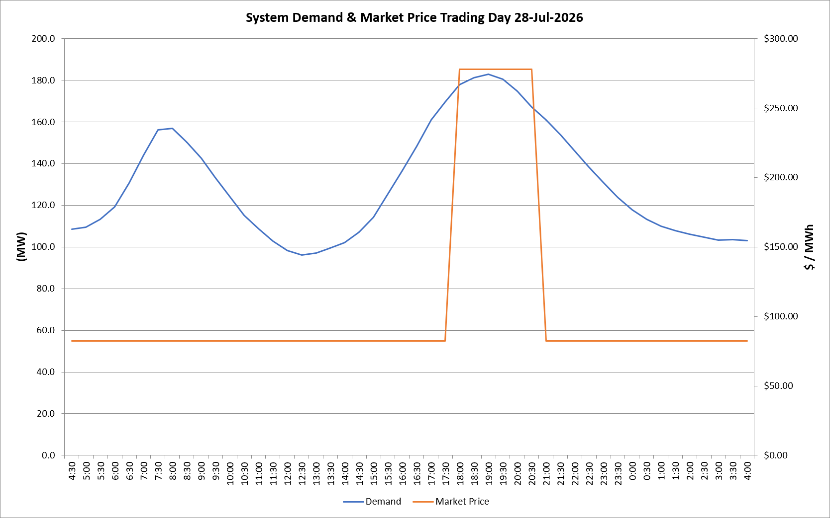
 | Demand | Market Price
4:30:00 | 108.4 | $82.19
5:00:00 | 109.4 | $82.19
5:30:00 | 113.4 | $82.19
6:00:00 | 119.2 | $82.19
6:30:00 | 130.7 | $82.19
7:00:00 | 143.9 | $82.19
7:30:00 | 156.1 | $82.19
8:00:00 | 156.9 | $82.19
8:30:00 | 150.2 | $82.19
9:00:00 | 142.6 | $82.19
9:30:00 | 133.3 | $82.19
10:00:00 | 124.3 | $82.19
10:30:00 | 115.2 | $82.19
11:00:00 | 108.8 | $82.19
11:30:00 | 102.7 | $82.19
12:00:00 | 98.2 | $82.19
12:30:00 | 96.0 | $82.19
13:00:00 | 97.1 | $82.19
13:30:00 | 99.4 | $82.19
14:00:00 | 102.2 | $82.19
14:30:00 | 107.2 | $82.19
15:00:00 | 114.1 | $82.19
15:30:00 | 125.4 | $82.19
16:00:00 | 136.6 | $82.19
16:30:00 | 148.3 | $82.19
17:00:00 | 160.8 | $82.19
17:30:00 | 169.4 | $82.19
18:00:00 | 177.9 | $278.00
18:30:00 | 181.3 | $278.00
19:00:00 | 182.8 | $278.00
19:30:00 | 180.4 | $278.00
20:00:00 | 174.7 | $278.00
20:30:00 | 167.2 | $278.00
21:00:00 | 160.9 | $82.19
21:30:00 | 153.7 | $82.19
22:00:00 | 146.2 | $82.19
22:30:00 | 138.4 | $82.19
23:00:00 | 130.8 | $82.19
23:30:00 | 123.6 | $82.19 | Offers Used For Processing
0:00:00 | 117.8 | $82.19
0:30:00 | 113.2 | $82.19 | Generator | Offer Version | Start Interval | Trading Day
1:00:00 | 110.0 | $82.19 | AENT | Version 4 | 4:30:00 | 2026-07-28
1:30:00 | 107.9 | $82.19 | BSF | Version 0 | 4:30:00 | 2026-07-28
2:00:00 | 106.1 | $82.19 | EDL | Version 1 | 4:30:00 | 2026-07-28
2:30:00 | 104.6 | $82.19 | ENI | Version 18 | 4:30:00 | 2026-07-28
3:00:00 | 103.2 | $82.19 | HCPS | Version 0 | 4:30:00 | 2026-07-28
3:30:00 | 103.4 | $82.19 | TGen | Version 1 | 4:30:00 | 2026-07-28
4:00:00 | 103.1 | $82.19

