System Demand and Market Price
I-NTEM
 | 22-Jul-26

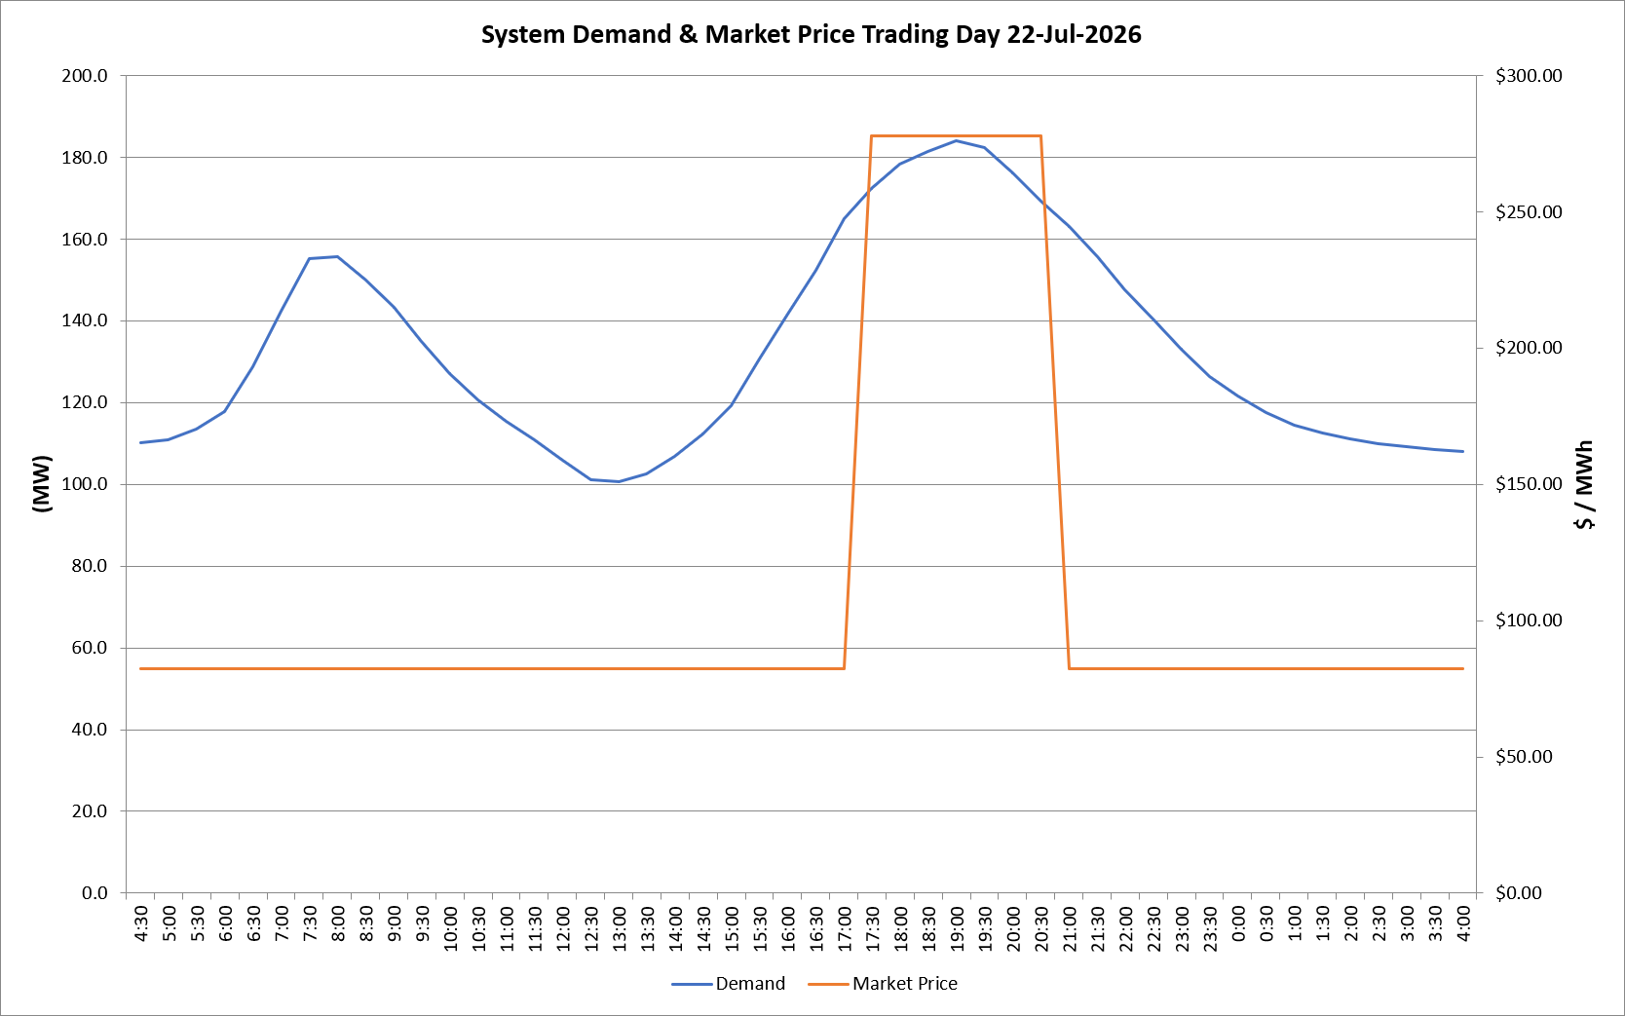
 | Demand | Market Price
4:30:00 | 110.2 | $82.19
5:00:00 | 110.8 | $82.19
5:30:00 | 113.6 | $82.19
6:00:00 | 117.9 | $82.19
6:30:00 | 128.8 | $82.19
7:00:00 | 142.3 | $82.19
7:30:00 | 155.2 | $82.19
8:00:00 | 155.6 | $82.19
8:30:00 | 149.9 | $82.19
9:00:00 | 143.2 | $82.19
9:30:00 | 134.9 | $82.19
10:00:00 | 127.1 | $82.19
10:30:00 | 120.7 | $82.19
11:00:00 | 115.5 | $82.19
11:30:00 | 110.9 | $82.19
12:00:00 | 105.8 | $82.19
12:30:00 | 101.1 | $82.19
13:00:00 | 100.8 | $82.19
13:30:00 | 102.5 | $82.19
14:00:00 | 106.8 | $82.19
14:30:00 | 112.4 | $82.19
15:00:00 | 119.3 | $82.19
15:30:00 | 130.6 | $82.19
16:00:00 | 141.5 | $82.19
16:30:00 | 152.4 | $82.19
17:00:00 | 165.0 | $82.19
17:30:00 | 172.4 | $278.00
18:00:00 | 178.2 | $278.00
18:30:00 | 181.3 | $278.00
19:00:00 | 184.1 | $278.00
19:30:00 | 182.3 | $278.00
20:00:00 | 176.3 | $278.00
20:30:00 | 169.3 | $278.00
21:00:00 | 163.1 | $82.19
21:30:00 | 155.8 | $82.19
22:00:00 | 147.7 | $82.19
22:30:00 | 140.4 | $82.19
23:00:00 | 133.1 | $82.19
23:30:00 | 126.3 | $82.19 | Offers Used For Processing
0:00:00 | 121.7 | $82.19
0:30:00 | 117.6 | $82.19 | Generator | Offer Version | Start Interval | Trading Day
1:00:00 | 114.5 | $82.19 | AENT | Version 4 | 4:30:00 | 2026-07-22
1:30:00 | 112.6 | $82.19 | BSF | Version 0 | 4:30:00 | 2026-07-22
2:00:00 | 111.0 | $82.19 | EDL | Version 1 | 4:30:00 | 2026-07-22
2:30:00 | 109.9 | $82.19 | ENI | Version 18 | 4:30:00 | 2026-07-22
3:00:00 | 109.1 | $82.19 | HCPS | Version 0 | 4:30:00 | 2026-07-22
3:30:00 | 108.4 | $82.19 | TGen | Version 1 | 4:30:00 | 2026-07-22
4:00:00 | 108.0 | $82.19

