System Demand and Market Price
I-NTEM
 | 20-Jul-26

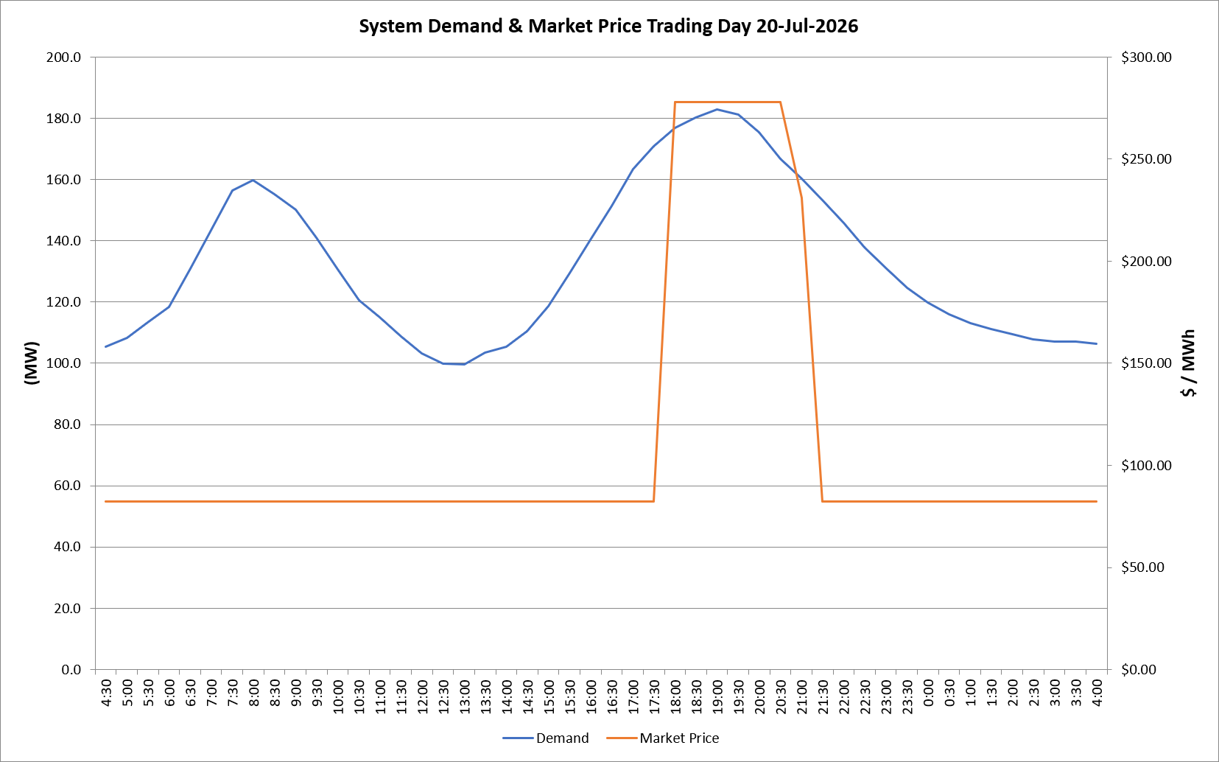
 | Demand | Market Price
4:30:00 | 105.3 | $82.19
5:00:00 | 108.4 | $82.19
5:30:00 | 113.3 | $82.19
6:00:00 | 118.3 | $82.19
6:30:00 | 130.9 | $82.19
7:00:00 | 143.4 | $82.19
7:30:00 | 156.6 | $82.19
8:00:00 | 159.8 | $82.19
8:30:00 | 155.1 | $82.19
9:00:00 | 150.1 | $82.19
9:30:00 | 141.1 | $82.19
10:00:00 | 130.8 | $82.19
10:30:00 | 120.7 | $82.19
11:00:00 | 115.1 | $82.19
11:30:00 | 108.8 | $82.19
12:00:00 | 103.4 | $82.19
12:30:00 | 100.0 | $82.19
13:00:00 | 99.5 | $82.19
13:30:00 | 103.6 | $82.19
14:00:00 | 105.5 | $82.19
14:30:00 | 110.5 | $82.19
15:00:00 | 118.7 | $82.19
15:30:00 | 129.4 | $82.19
16:00:00 | 140.4 | $82.19
16:30:00 | 151.5 | $82.19
17:00:00 | 163.5 | $82.19
17:30:00 | 170.9 | $82.19
18:00:00 | 177.0 | $278.00
18:30:00 | 180.4 | $278.00
19:00:00 | 183.0 | $278.00
19:30:00 | 181.1 | $278.00
20:00:00 | 175.4 | $278.00
20:30:00 | 166.7 | $278.00
21:00:00 | 160.4 | $231.04
21:30:00 | 153.4 | $82.19
22:00:00 | 145.9 | $82.19
22:30:00 | 138.0 | $82.19
23:00:00 | 131.1 | $82.19
23:30:00 | 124.7 | $82.19 | Offers Used For Processing
0:00:00 | 119.9 | $82.19
0:30:00 | 116.0 | $82.19 | Generator | Offer Version | Start Interval | Trading Day
1:00:00 | 113.2 | $82.19 | AENT | Version 4 | 4:30:00 | 2026-07-20
1:30:00 | 111.1 | $82.19 | BSF | Version 0 | 4:30:00 | 2026-07-20
2:00:00 | 109.4 | $82.19 | EDL | Version 1 | 4:30:00 | 2026-07-20
2:30:00 | 107.8 | $82.19 | ENI | Version 18 | 4:30:00 | 2026-07-20
3:00:00 | 107.1 | $82.19 | HCPS | Version 0 | 4:30:00 | 2026-07-20
3:30:00 | 107.0 | $82.19 | TGen | Version 1 | 4:30:00 | 2026-07-20
4:00:00 | 106.5 | $82.19

