System Demand and Market Price
I-NTEM
 | 19-Jul-26

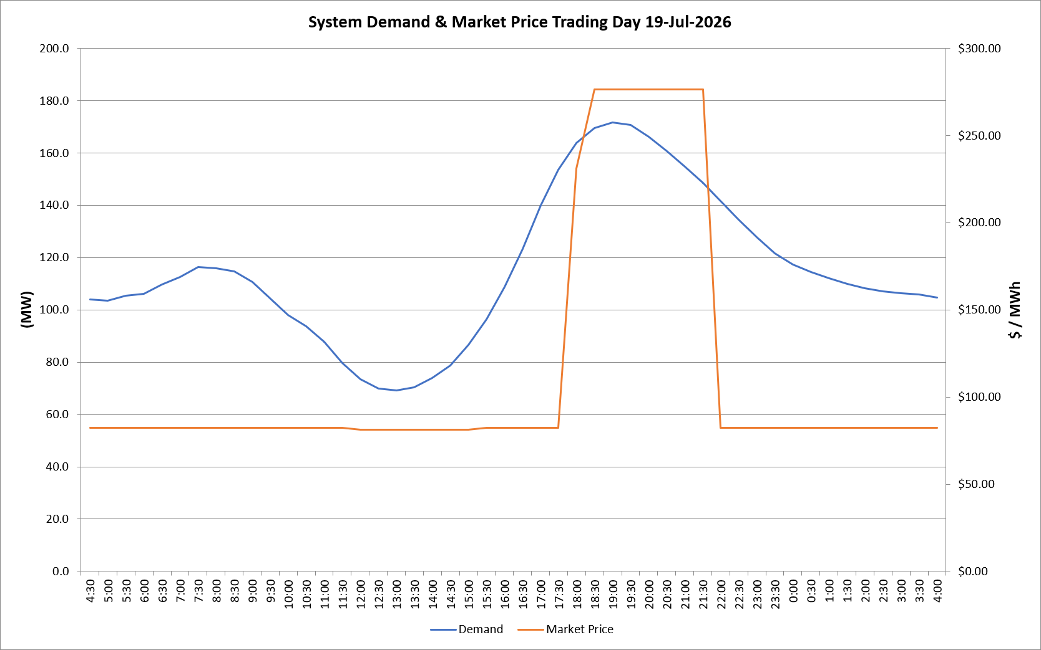
 | Demand | Market Price
4:30:00 | 104.1 | $82.19
5:00:00 | 103.5 | $82.19
5:30:00 | 105.3 | $82.19
6:00:00 | 106.2 | $82.19
6:30:00 | 109.6 | $82.19
7:00:00 | 112.6 | $82.19
7:30:00 | 116.4 | $82.19
8:00:00 | 115.9 | $82.19
8:30:00 | 114.8 | $82.19
9:00:00 | 110.7 | $82.19
9:30:00 | 104.4 | $82.19
10:00:00 | 98.0 | $82.19
10:30:00 | 93.8 | $82.19
11:00:00 | 87.7 | $82.19
11:30:00 | 79.6 | $82.19
12:00:00 | 73.5 | $81.15
12:30:00 | 69.9 | $81.15
13:00:00 | 69.2 | $81.15
13:30:00 | 70.3 | $81.15
14:00:00 | 73.9 | $81.15
14:30:00 | 78.8 | $81.15
15:00:00 | 86.6 | $81.15
15:30:00 | 96.5 | $82.19
16:00:00 | 108.7 | $82.19
16:30:00 | 123.2 | $82.19
17:00:00 | 139.9 | $82.19
17:30:00 | 153.5 | $82.19
18:00:00 | 163.7 | $231.04
18:30:00 | 169.4 | $276.37
19:00:00 | 171.7 | $276.37
19:30:00 | 170.7 | $276.37
20:00:00 | 166.2 | $276.37
20:30:00 | 160.7 | $276.37
21:00:00 | 154.8 | $276.37
21:30:00 | 148.6 | $276.37
22:00:00 | 141.7 | $82.19
22:30:00 | 134.5 | $82.19
23:00:00 | 127.9 | $82.19
23:30:00 | 121.6 | $82.19 | Offers Used For Processing
0:00:00 | 117.4 | $82.19
0:30:00 | 114.5 | $82.19 | Generator | Offer Version | Start Interval | Trading Day
1:00:00 | 112.0 | $82.19 | AENT | Version 4 | 4:30:00 | 2026-07-19
1:30:00 | 110.0 | $82.19 | BSF | Version 0 | 4:30:00 | 2026-07-19
2:00:00 | 108.2 | $82.19 | EDL | Version 1 | 4:30:00 | 2026-07-19
2:30:00 | 107.1 | $82.19 | ENI | Version 18 | 4:30:00 | 2026-07-19
3:00:00 | 106.4 | $82.19 | HCPS | Version 0 | 4:30:00 | 2026-07-19
3:30:00 | 105.9 | $82.19 | TGen | Version 1 | 4:30:00 | 2026-07-19
4:00:00 | 104.7 | $82.19

