System Demand and Market Price
I-NTEM
 | 27-Jul-26

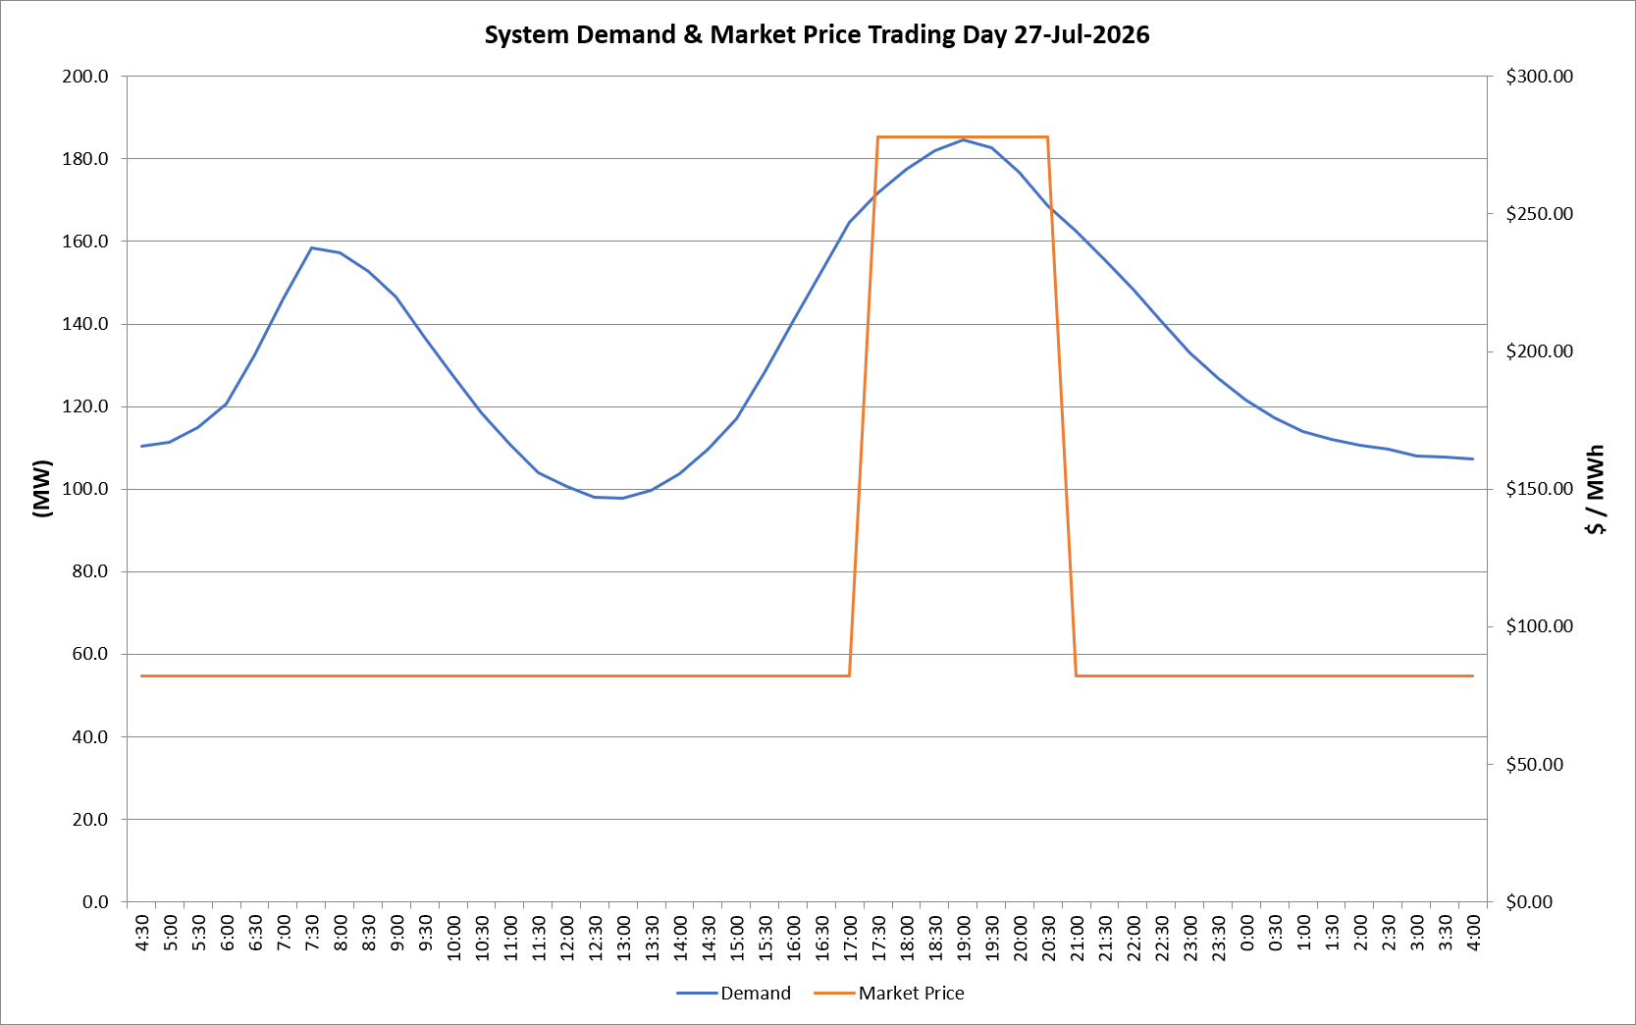
 | Demand | Market Price
4:30:00 | 110.5 | $82.19
5:00:00 | 111.4 | $82.19
5:30:00 | 115.0 | $82.19
6:00:00 | 120.7 | $82.19
6:30:00 | 132.6 | $82.19
7:00:00 | 146.1 | $82.19
7:30:00 | 158.4 | $82.19
8:00:00 | 157.4 | $82.19
8:30:00 | 152.8 | $82.19
9:00:00 | 146.6 | $82.19
9:30:00 | 136.8 | $82.19
10:00:00 | 127.5 | $82.19
10:30:00 | 118.5 | $82.19
11:00:00 | 110.9 | $82.19
11:30:00 | 104.0 | $82.19
12:00:00 | 100.6 | $82.19
12:30:00 | 98.0 | $82.19
13:00:00 | 97.8 | $82.19
13:30:00 | 99.8 | $82.19
14:00:00 | 103.9 | $82.19
14:30:00 | 109.7 | $82.19
15:00:00 | 117.1 | $82.19
15:30:00 | 128.4 | $82.19
16:00:00 | 140.8 | $82.19
16:30:00 | 152.5 | $82.19
17:00:00 | 164.7 | $82.19
17:30:00 | 171.8 | $278.00
18:00:00 | 177.5 | $278.00
18:30:00 | 182.0 | $278.00
19:00:00 | 184.6 | $278.00
19:30:00 | 182.8 | $278.00
20:00:00 | 176.9 | $278.00
20:30:00 | 168.6 | $278.00
21:00:00 | 162.4 | $82.19
21:30:00 | 155.6 | $82.19
22:00:00 | 148.4 | $82.19
22:30:00 | 140.6 | $82.19
23:00:00 | 133.0 | $82.19
23:30:00 | 126.8 | $82.19 | Offers Used For Processing
0:00:00 | 121.6 | $82.19
0:30:00 | 117.4 | $82.19 | Generator | Offer Version | Start Interval | Trading Day
1:00:00 | 114.0 | $82.19 | AENT | Version 4 | 4:30:00 | 2026-07-27
1:30:00 | 112.0 | $82.19 | BSF | Version 0 | 4:30:00 | 2026-07-27
2:00:00 | 110.6 | $82.19 | EDL | Version 1 | 4:30:00 | 2026-07-27
2:30:00 | 109.7 | $82.19 | ENI | Version 18 | 4:30:00 | 2026-07-27
3:00:00 | 107.9 | $82.19 | HCPS | Version 0 | 4:30:00 | 2026-07-27
3:30:00 | 107.7 | $82.19 | TGen | Version 1 | 4:30:00 | 2026-07-27
4:00:00 | 107.4 | $82.19

