System Demand and Market Price
I-NTEM
 | 18-Jul-26

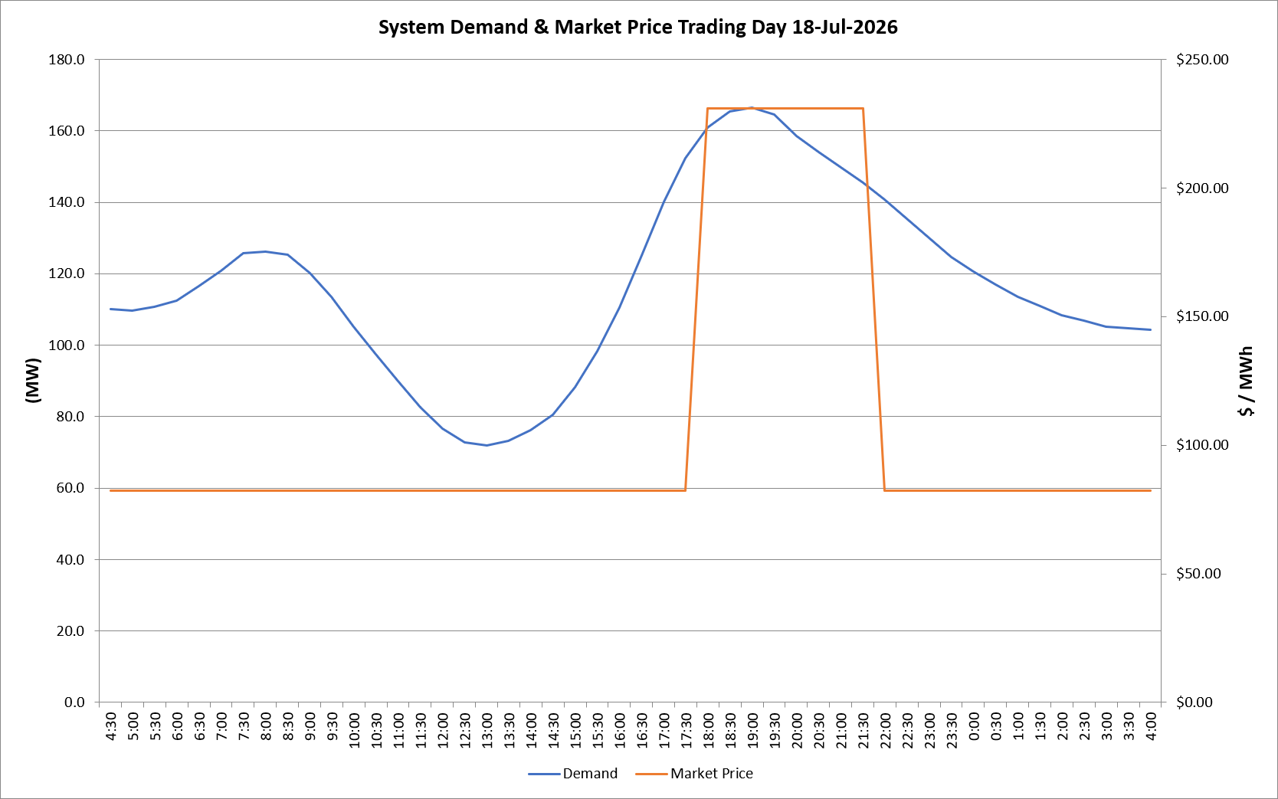
 | Demand | Market Price
4:30:00 | 110.1 | $82.30
5:00:00 | 109.7 | $82.30
5:30:00 | 110.8 | $82.30
6:00:00 | 112.5 | $82.30
6:30:00 | 116.6 | $82.30
7:00:00 | 120.8 | $82.30
7:30:00 | 125.7 | $82.30
8:00:00 | 126.1 | $82.30
8:30:00 | 125.4 | $82.30
9:00:00 | 120.2 | $82.30
9:30:00 | 113.5 | $82.30
10:00:00 | 105.1 | $82.30
10:30:00 | 97.5 | $82.30
11:00:00 | 89.9 | $82.30
11:30:00 | 82.6 | $82.30
12:00:00 | 76.6 | $82.19
12:30:00 | 72.8 | $82.19
13:00:00 | 71.8 | $82.19
13:30:00 | 73.2 | $82.19
14:00:00 | 76.2 | $82.19
14:30:00 | 80.6 | $82.19
15:00:00 | 88.2 | $82.19
15:30:00 | 98.4 | $82.19
16:00:00 | 110.6 | $82.19
16:30:00 | 125.2 | $82.19
17:00:00 | 140.1 | $82.19
17:30:00 | 152.3 | $82.19
18:00:00 | 161.0 | $231.04
18:30:00 | 165.3 | $231.04
19:00:00 | 166.5 | $231.04
19:30:00 | 164.5 | $231.04
20:00:00 | 158.6 | $231.04
20:30:00 | 154.1 | $231.04
21:00:00 | 149.8 | $231.04
21:30:00 | 145.6 | $231.04
22:00:00 | 140.7 | $82.19
22:30:00 | 135.3 | $82.19
23:00:00 | 130.1 | $82.19
23:30:00 | 124.6 | $82.19 | Offers Used For Processing
0:00:00 | 120.5 | $82.19
0:30:00 | 116.9 | $82.19 | Generator | Offer Version | Start Interval | Trading Day
1:00:00 | 113.5 | $82.19 | AENT | Version 4 | 4:30:00 | 2026-07-18
1:30:00 | 110.8 | $82.19 | BSF | Version 0 | 4:30:00 | 2026-07-18
2:00:00 | 108.3 | $82.19 | EDL | Version 1 | 4:30:00 | 2026-07-18
2:30:00 | 106.9 | $82.19 | ENI | Version 18 | 4:30:00 | 2026-07-18
3:00:00 | 105.2 | $82.19 | HCPS | Version 0 | 4:30:00 | 2026-07-18
3:30:00 | 104.7 | $82.19 | TGen | Version 1 | 4:30:00 | 2026-07-18
4:00:00 | 104.2 | $82.19

