System Demand and Market Price
I-NTEM
 | 17-Jul-26

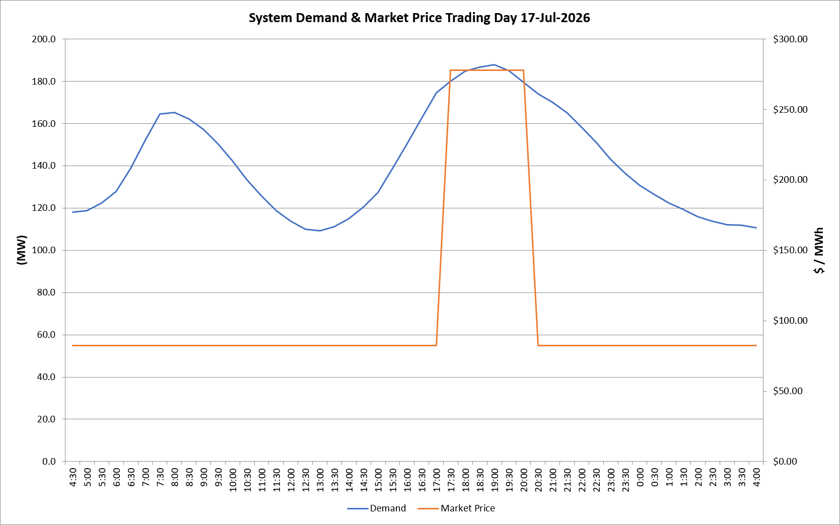
 | Demand | Market Price
4:30:00 | 118.1 | $82.30
5:00:00 | 118.7 | $82.30
5:30:00 | 122.4 | $82.30
6:00:00 | 127.8 | $82.30
6:30:00 | 138.8 | $82.30
7:00:00 | 152.1 | $82.30
7:30:00 | 164.5 | $82.30
8:00:00 | 165.3 | $82.30
8:30:00 | 162.0 | $82.19
9:00:00 | 157.0 | $82.19
9:30:00 | 150.3 | $82.19
10:00:00 | 142.3 | $82.19
10:30:00 | 133.4 | $82.19
11:00:00 | 125.6 | $82.19
11:30:00 | 118.7 | $82.19
12:00:00 | 113.7 | $82.19
12:30:00 | 110.0 | $82.19
13:00:00 | 109.3 | $82.19
13:30:00 | 111.2 | $82.19
14:00:00 | 114.9 | $82.19
14:30:00 | 120.5 | $82.19
15:00:00 | 127.3 | $82.19
15:30:00 | 138.7 | $82.19
16:00:00 | 150.3 | $82.19
16:30:00 | 162.5 | $82.19
17:00:00 | 174.6 | $82.19
17:30:00 | 180.0 | $278.00
18:00:00 | 184.8 | $278.00
18:30:00 | 186.6 | $278.00
19:00:00 | 187.9 | $278.00
19:30:00 | 184.9 | $278.00
20:00:00 | 179.5 | $278.00
20:30:00 | 174.1 | $82.19
21:00:00 | 170.1 | $82.19
21:30:00 | 164.9 | $82.19
22:00:00 | 158.4 | $82.19
22:30:00 | 151.1 | $82.19
23:00:00 | 143.1 | $82.19
23:30:00 | 136.3 | $82.19 | Offers Used For Processing
0:00:00 | 130.8 | $82.19
0:30:00 | 126.4 | $82.19 | Generator | Offer Version | Start Interval | Trading Day
1:00:00 | 122.3 | $82.19 | AENT | Version 4 | 4:30:00 | 2026-07-17
1:30:00 | 119.2 | $82.19 | BSF | Version 0 | 4:30:00 | 2026-07-17
2:00:00 | 115.8 | $82.19 | EDL | Version 1 | 4:30:00 | 2026-07-17
2:30:00 | 113.8 | $82.19 | ENI | Version 18 | 4:30:00 | 2026-07-17
3:00:00 | 112.0 | $82.19 | HCPS | Version 0 | 4:30:00 | 2026-07-17
3:30:00 | 111.7 | $82.19 | TGen | Version 1 | 4:30:00 | 2026-07-17
4:00:00 | 110.7 | $82.19

