System Demand and Market Price
I-NTEM
 | 26-Jul-26

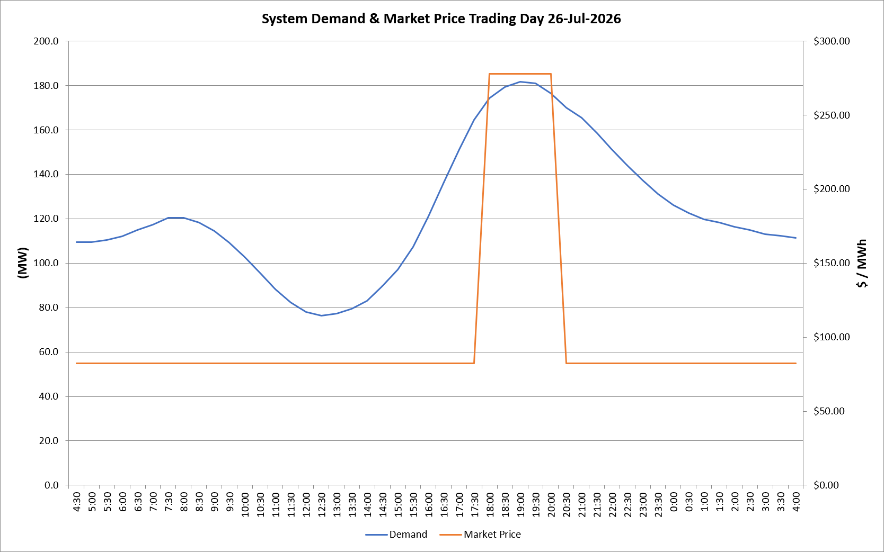
 | Demand | Market Price
4:30:00 | 109.5 | $82.19
5:00:00 | 109.4 | $82.19
5:30:00 | 110.3 | $82.19
6:00:00 | 112.1 | $82.19
6:30:00 | 115.0 | $82.19
7:00:00 | 117.3 | $82.19
7:30:00 | 120.4 | $82.19
8:00:00 | 120.3 | $82.19
8:30:00 | 118.2 | $82.19
9:00:00 | 114.5 | $82.19
9:30:00 | 109.1 | $82.19
10:00:00 | 102.7 | $82.19
10:30:00 | 95.6 | $82.19
11:00:00 | 88.3 | $82.19
11:30:00 | 82.3 | $82.19
12:00:00 | 78.0 | $82.19
12:30:00 | 76.3 | $82.19
13:00:00 | 77.4 | $82.19
13:30:00 | 79.4 | $82.19
14:00:00 | 83.0 | $82.19
14:30:00 | 89.6 | $82.19
15:00:00 | 97.1 | $82.19
15:30:00 | 107.3 | $82.19
16:00:00 | 121.2 | $82.19
16:30:00 | 136.4 | $82.19
17:00:00 | 151.1 | $82.19
17:30:00 | 164.5 | $82.19
18:00:00 | 174.2 | $278.00
18:30:00 | 179.3 | $278.00
19:00:00 | 181.6 | $278.00
19:30:00 | 180.9 | $278.00
20:00:00 | 176.5 | $278.00
20:30:00 | 170.1 | $82.19
21:00:00 | 165.5 | $82.19
21:30:00 | 158.6 | $82.19
22:00:00 | 151.2 | $82.19
22:30:00 | 144.1 | $82.19
23:00:00 | 137.3 | $82.19
23:30:00 | 131.1 | $82.19 | Offers Used For Processing
0:00:00 | 126.2 | $82.19
0:30:00 | 122.6 | $82.19 | Generator | Offer Version | Start Interval | Trading Day
1:00:00 | 119.8 | $82.19 | AENT | Version 4 | 4:30:00 | 2026-07-26
1:30:00 | 118.2 | $82.19 | BSF | Version 0 | 4:30:00 | 2026-07-26
2:00:00 | 116.3 | $82.19 | EDL | Version 1 | 4:30:00 | 2026-07-26
2:30:00 | 114.8 | $82.19 | ENI | Version 18 | 4:30:00 | 2026-07-26
3:00:00 | 113.0 | $82.19 | HCPS | Version 0 | 4:30:00 | 2026-07-26
3:30:00 | 112.4 | $82.19 | TGen | Version 1 | 4:30:00 | 2026-07-26
4:00:00 | 111.3 | $82.19

