System Demand and Market Price
I-NTEM
 | 18-Aug-26

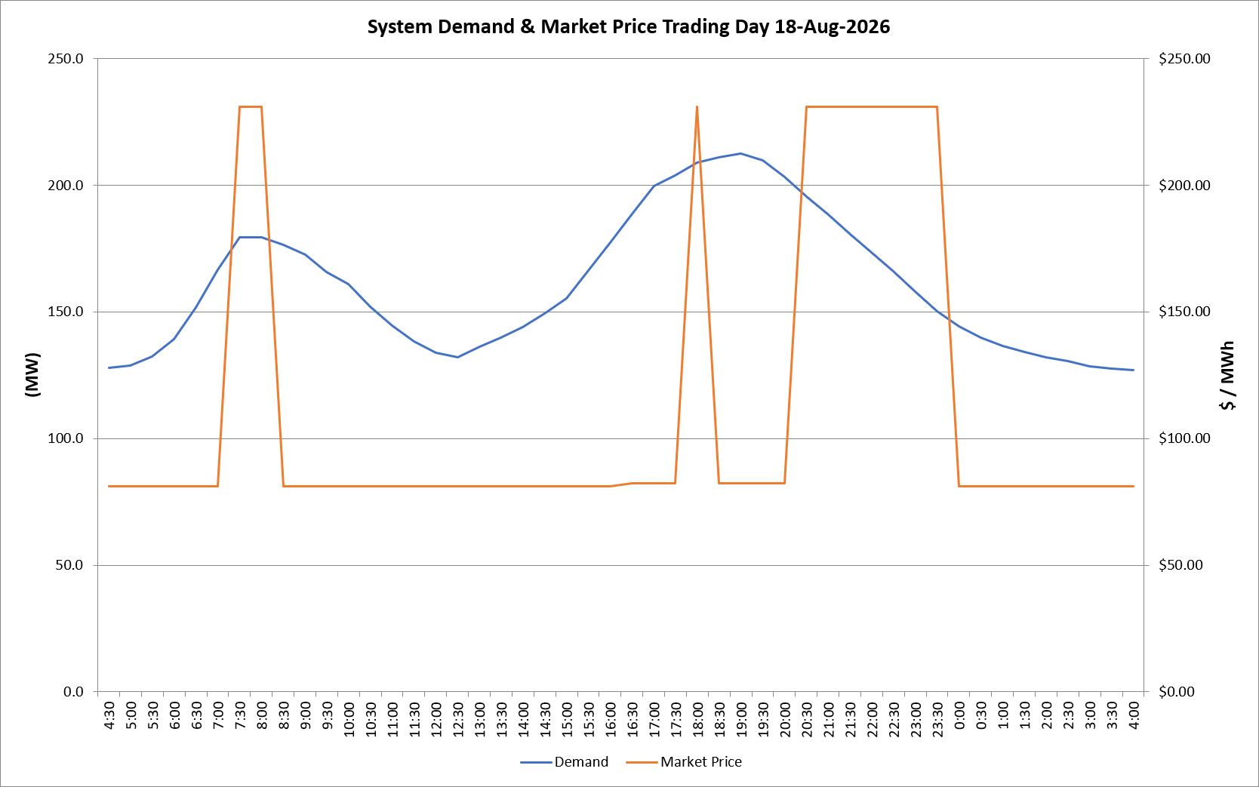
 | Demand | Market Price
4:30:00 | 128.0 | $81.19
5:00:00 | 128.8 | $81.19
5:30:00 | 132.5 | $81.19
6:00:00 | 139.1 | $81.19
6:30:00 | 151.6 | $81.19
7:00:00 | 166.6 | $81.19
7:30:00 | 179.3 | $231.04
8:00:00 | 179.4 | $231.04
8:30:00 | 176.4 | $81.19
9:00:00 | 172.6 | $81.19
9:30:00 | 165.8 | $81.19
10:00:00 | 160.8 | $81.19
10:30:00 | 152.1 | $81.19
11:00:00 | 144.5 | $81.19
11:30:00 | 138.2 | $81.19
12:00:00 | 133.9 | $81.19
12:30:00 | 132.1 | $81.19
13:00:00 | 136.3 | $81.19
13:30:00 | 139.7 | $81.19
14:00:00 | 144.0 | $81.19
14:30:00 | 149.2 | $81.19
15:00:00 | 155.4 | $81.19
15:30:00 | 166.4 | $81.19
16:00:00 | 177.4 | $81.19
16:30:00 | 188.5 | $82.20
17:00:00 | 199.7 | $82.20
17:30:00 | 203.9 | $82.20
18:00:00 | 208.9 | $231.04
18:30:00 | 210.9 | $82.30
19:00:00 | 212.5 | $82.30
19:30:00 | 209.7 | $82.30
20:00:00 | 203.4 | $82.30
20:30:00 | 195.5 | $231.04
21:00:00 | 188.4 | $231.04
21:30:00 | 180.7 | $231.04
22:00:00 | 173.4 | $231.04
22:30:00 | 165.9 | $231.04
23:00:00 | 158.0 | $231.04
23:30:00 | 150.2 | $231.04 | Offers Used For Processing
0:00:00 | 144.4 | $81.19
0:30:00 | 139.9 | $81.19 | Generator | Offer Version | Start Interval | Trading Day
1:00:00 | 136.7 | $81.19 | AENT | Version 4 | 4:30:00 | 2026-08-18
1:30:00 | 134.3 | $81.19 | BSF | Version 0 | 4:30:00 | 2026-08-18
2:00:00 | 132.1 | $81.19 | EDL | Version 1 | 4:30:00 | 2026-08-18
2:30:00 | 130.7 | $81.19 | ENI | Version 18 | 4:30:00 | 2026-08-18
3:00:00 | 128.4 | $81.19 | HCPS | Version 0 | 4:30:00 | 2026-08-18
3:30:00 | 127.7 | $81.19 | TGen | Version 1 | 4:30:00 | 2026-08-18
4:00:00 | 126.9 | $81.19

