System Demand and Market Price
I-NTEM
 | 6-Aug-26

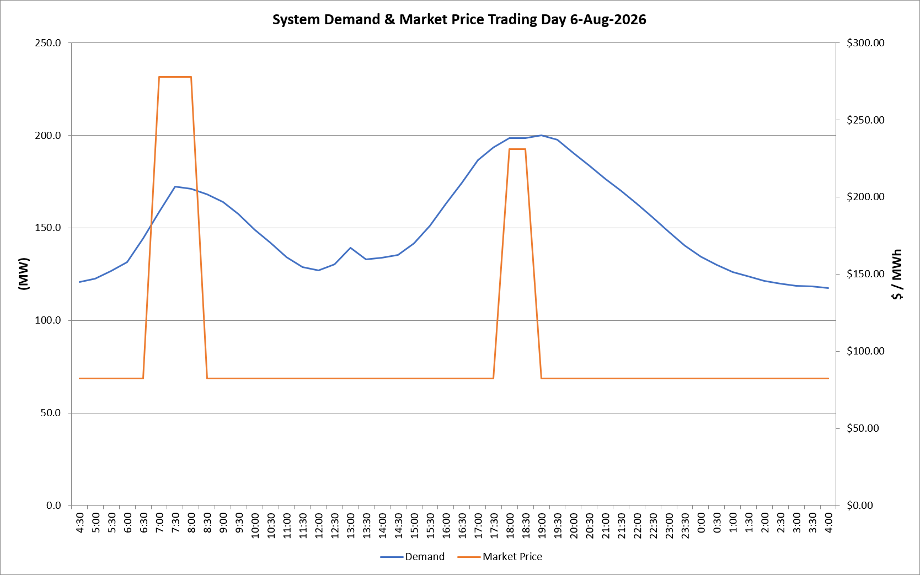
 | Demand | Market Price
4:30:00 | 120.8 | $82.19
5:00:00 | 122.5 | $82.19
5:30:00 | 126.6 | $82.19
6:00:00 | 131.6 | $82.19
6:30:00 | 144.4 | $82.19
7:00:00 | 158.6 | $278.00
7:30:00 | 172.1 | $278.00
8:00:00 | 171.1 | $278.00
8:30:00 | 168.0 | $82.19
9:00:00 | 164.0 | $82.19
9:30:00 | 157.4 | $82.19
10:00:00 | 149.1 | $82.19
10:30:00 | 141.8 | $82.19
11:00:00 | 134.2 | $82.19
11:30:00 | 128.6 | $82.19
12:00:00 | 126.9 | $82.19
12:30:00 | 130.3 | $82.19
13:00:00 | 139.1 | $82.19
13:30:00 | 132.8 | $82.19
14:00:00 | 133.9 | $82.19
14:30:00 | 135.3 | $82.19
15:00:00 | 141.7 | $82.19
15:30:00 | 151.2 | $82.19
16:00:00 | 163.0 | $82.19
16:30:00 | 174.3 | $82.19
17:00:00 | 186.7 | $82.20
17:30:00 | 193.3 | $82.20
18:00:00 | 198.5 | $231.04
18:30:00 | 198.4 | $231.04
19:00:00 | 199.8 | $82.20
19:30:00 | 197.7 | $82.20
20:00:00 | 190.5 | $82.20
20:30:00 | 183.5 | $82.20
21:00:00 | 176.5 | $82.20
21:30:00 | 169.9 | $82.20
22:00:00 | 163.0 | $82.20
22:30:00 | 155.7 | $82.19
23:00:00 | 147.9 | $82.19
23:30:00 | 140.3 | $82.19 | Offers Used For Processing
0:00:00 | 134.4 | $82.19
0:30:00 | 129.8 | $82.19 | Generator | Offer Version | Start Interval | Trading Day
1:00:00 | 126.1 | $82.19 | AENT | Version 4 | 4:30:00 | 2026-08-06
1:30:00 | 123.8 | $82.19 | BSF | Version 0 | 4:30:00 | 2026-08-06
2:00:00 | 121.5 | $82.19 | EDL | Version 1 | 4:30:00 | 2026-08-06
2:30:00 | 119.8 | $82.19 | ENI | Version 18 | 4:30:00 | 2026-08-06
3:00:00 | 118.8 | $82.19 | HCPS | Version 0 | 4:30:00 | 2026-08-06
3:30:00 | 118.2 | $82.19 | TGen | Version 1 | 4:30:00 | 2026-08-06
4:00:00 | 117.4 | $82.19

