System Demand and Market Price
I-NTEM
 | 25-Jul-26

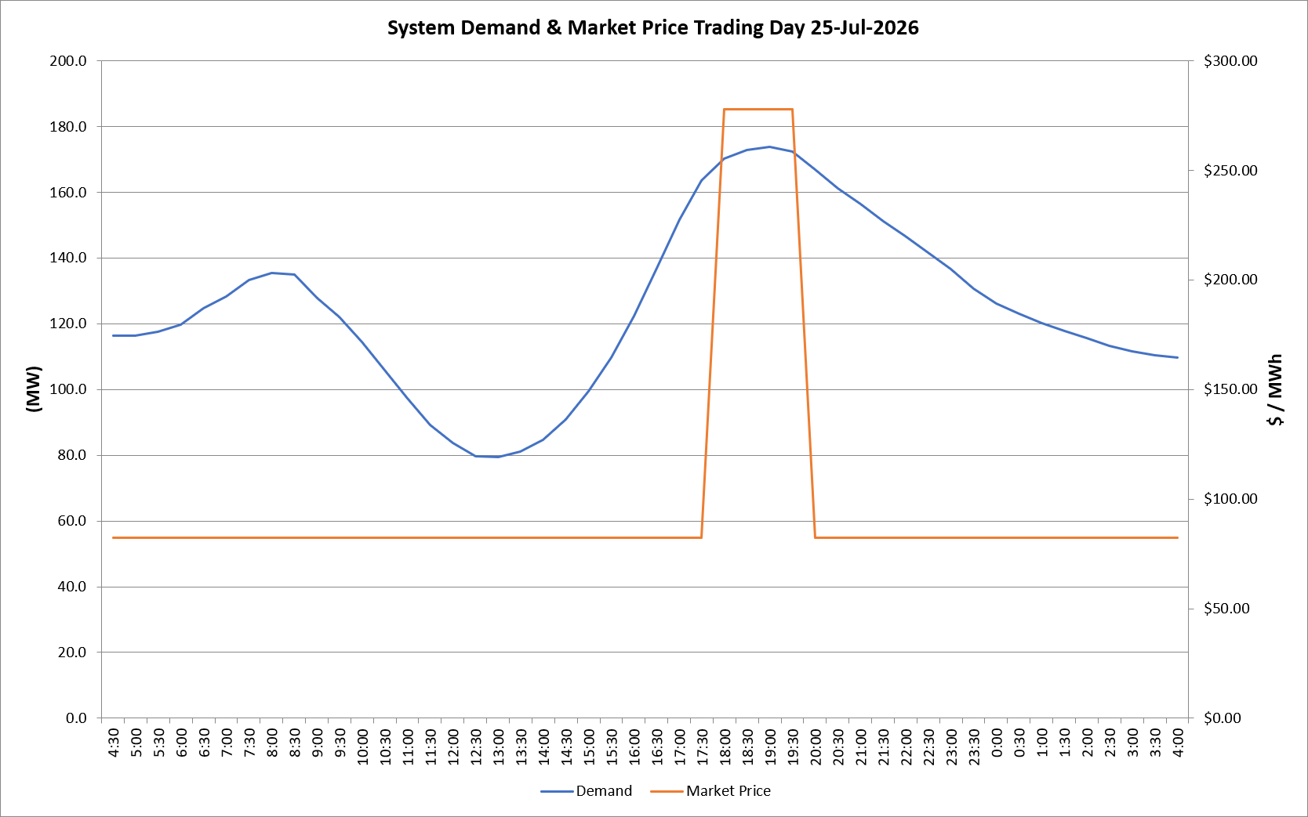
 | Demand | Market Price
4:30:00 | 116.4 | $82.19
5:00:00 | 116.3 | $82.19
5:30:00 | 117.7 | $82.19
6:00:00 | 119.7 | $82.19
6:30:00 | 124.8 | $82.19
7:00:00 | 128.2 | $82.19
7:30:00 | 133.4 | $82.19
8:00:00 | 135.4 | $82.19
8:30:00 | 134.9 | $82.19
9:00:00 | 127.7 | $82.19
9:30:00 | 122.0 | $82.19
10:00:00 | 114.5 | $82.19
10:30:00 | 105.9 | $82.19
11:00:00 | 97.2 | $82.19
11:30:00 | 89.2 | $82.19
12:00:00 | 83.6 | $82.19
12:30:00 | 79.7 | $82.19
13:00:00 | 79.4 | $82.19
13:30:00 | 81.1 | $82.19
14:00:00 | 84.7 | $82.19
14:30:00 | 90.8 | $82.19
15:00:00 | 99.5 | $82.19
15:30:00 | 109.8 | $82.19
16:00:00 | 122.3 | $82.19
16:30:00 | 136.9 | $82.19
17:00:00 | 151.6 | $82.19
17:30:00 | 163.5 | $82.19
18:00:00 | 170.2 | $278.00
18:30:00 | 172.9 | $278.00
19:00:00 | 173.8 | $278.00
19:30:00 | 172.4 | $278.00
20:00:00 | 167.0 | $82.19
20:30:00 | 161.2 | $82.19
21:00:00 | 156.4 | $82.19
21:30:00 | 151.2 | $82.19
22:00:00 | 146.7 | $82.19
22:30:00 | 141.6 | $82.19
23:00:00 | 136.5 | $82.19
23:30:00 | 130.6 | $82.19 | Offers Used For Processing
0:00:00 | 126.2 | $82.19
0:30:00 | 123.0 | $82.19 | Generator | Offer Version | Start Interval | Trading Day
1:00:00 | 120.3 | $82.19 | AENT | Version 4 | 4:30:00 | 2026-07-25
1:30:00 | 117.8 | $82.19 | BSF | Version 0 | 4:30:00 | 2026-07-25
2:00:00 | 115.6 | $82.19 | EDL | Version 1 | 4:30:00 | 2026-07-25
2:30:00 | 113.2 | $82.19 | ENI | Version 18 | 4:30:00 | 2026-07-25
3:00:00 | 111.5 | $82.19 | HCPS | Version 0 | 4:30:00 | 2026-07-25
3:30:00 | 110.4 | $82.19 | TGen | Version 1 | 4:30:00 | 2026-07-25
4:00:00 | 109.7 | $82.19

