System Demand and Market Price
I-NTEM
 | 13-Aug-26

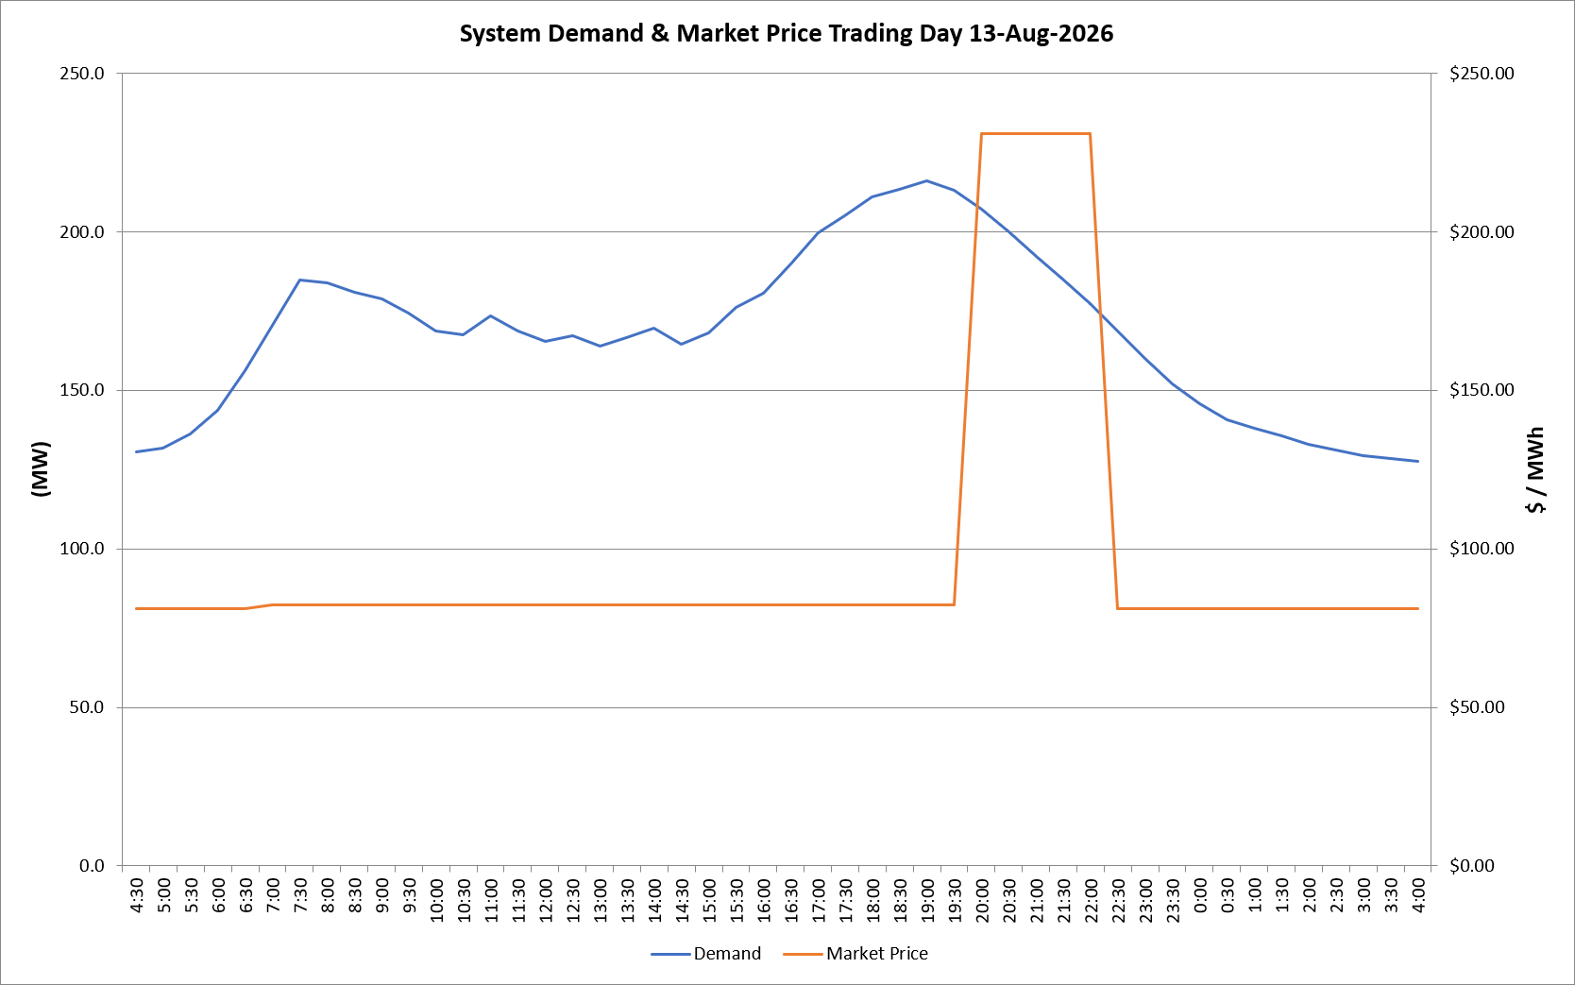
 | Demand | Market Price
4:30:00 | 130.5 | $81.20
5:00:00 | 131.6 | $81.20
5:30:00 | 136.3 | $81.20
6:00:00 | 143.6 | $81.20
6:30:00 | 156.1 | $81.20
7:00:00 | 170.6 | $82.20
7:30:00 | 184.7 | $82.20
8:00:00 | 183.7 | $82.20
8:30:00 | 180.8 | $82.20
9:00:00 | 178.7 | $82.20
9:30:00 | 174.4 | $82.20
10:00:00 | 168.8 | $82.20
10:30:00 | 167.5 | $82.20
11:00:00 | 173.6 | $82.20
11:30:00 | 168.8 | $82.20
12:00:00 | 165.4 | $82.20
12:30:00 | 167.3 | $82.20
13:00:00 | 163.9 | $82.20
13:30:00 | 166.7 | $82.20
14:00:00 | 169.6 | $82.20
14:30:00 | 164.4 | $82.20
15:00:00 | 168.1 | $82.20
15:30:00 | 176.2 | $82.20
16:00:00 | 180.5 | $82.20
16:30:00 | 189.7 | $82.20
17:00:00 | 199.6 | $82.20
17:30:00 | 204.9 | $82.20
18:00:00 | 211.0 | $82.30
18:30:00 | 213.4 | $82.30
19:00:00 | 216.1 | $82.30
19:30:00 | 213.1 | $82.30
20:00:00 | 207.1 | $231.04
20:30:00 | 199.9 | $231.04
21:00:00 | 192.3 | $231.04
21:30:00 | 184.7 | $231.04
22:00:00 | 177.4 | $231.04
22:30:00 | 168.7 | $81.19
23:00:00 | 160.0 | $81.19
23:30:00 | 152.0 | $81.19 | Offers Used For Processing
0:00:00 | 145.9 | $81.19
0:30:00 | 140.8 | $81.19 | Generator | Offer Version | Start Interval | Trading Day
1:00:00 | 138.0 | $81.19 | AENT | Version 4 | 4:30:00 | 2026-08-13
1:30:00 | 135.7 | $81.19 | BSF | Version 0 | 4:30:00 | 2026-08-13
2:00:00 | 133.1 | $81.19 | EDL | Version 1 | 4:30:00 | 2026-08-13
2:30:00 | 131.2 | $81.19 | ENI | Version 18 | 4:30:00 | 2026-08-13
3:00:00 | 129.3 | $81.19 | HCPS | Version 0 | 4:30:00 | 2026-08-13
3:30:00 | 128.6 | $81.19 | TGen | Version 1 | 4:30:00 | 2026-08-13
4:00:00 | 127.7 | $81.19

