System Demand and Market Price
I-NTEM
 | 12-Aug-26

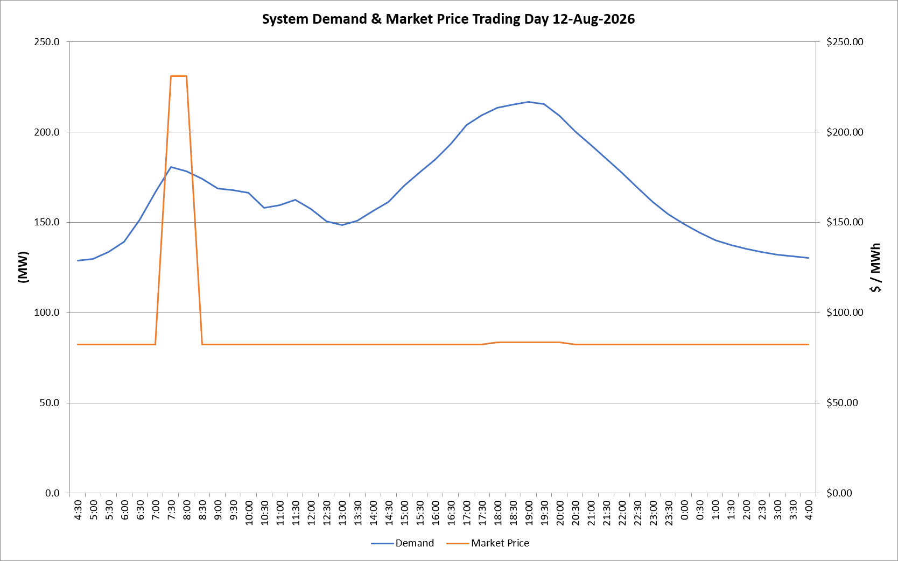
 | Demand | Market Price
4:30:00 | 128.9 | $82.20
5:00:00 | 129.6 | $82.20
5:30:00 | 133.5 | $82.20
6:00:00 | 139.1 | $82.20
6:30:00 | 151.4 | $82.20
7:00:00 | 166.6 | $82.20
7:30:00 | 180.7 | $231.04
8:00:00 | 178.2 | $231.04
8:30:00 | 174.1 | $82.20
9:00:00 | 168.6 | $82.20
9:30:00 | 167.8 | $82.20
10:00:00 | 166.3 | $82.20
10:30:00 | 157.8 | $82.20
11:00:00 | 159.6 | $82.20
11:30:00 | 162.3 | $82.20
12:00:00 | 157.3 | $82.20
12:30:00 | 150.7 | $82.20
13:00:00 | 148.4 | $82.20
13:30:00 | 150.8 | $82.20
14:00:00 | 156.3 | $82.20
14:30:00 | 161.1 | $82.20
15:00:00 | 170.2 | $82.20
15:30:00 | 177.8 | $82.20
16:00:00 | 184.8 | $82.30
16:30:00 | 193.3 | $82.30
17:00:00 | 203.9 | $82.30
17:30:00 | 209.3 | $82.30
18:00:00 | 213.5 | $83.50
18:30:00 | 215.1 | $83.50
19:00:00 | 216.5 | $83.50
19:30:00 | 215.4 | $83.50
20:00:00 | 208.8 | $83.50
20:30:00 | 200.2 | $82.20
21:00:00 | 192.8 | $82.20
21:30:00 | 185.2 | $82.20
22:00:00 | 177.5 | $82.20
22:30:00 | 169.3 | $82.20
23:00:00 | 161.4 | $82.20
23:30:00 | 154.4 | $82.20 | Offers Used For Processing
0:00:00 | 149.0 | $82.20
0:30:00 | 144.2 | $82.20 | Generator | Offer Version | Start Interval | Trading Day
1:00:00 | 140.1 | $82.20 | AENT | Version 4 | 4:30:00 | 2026-08-12
1:30:00 | 137.4 | $82.20 | BSF | Version 0 | 4:30:00 | 2026-08-12
2:00:00 | 135.4 | $82.20 | EDL | Version 1 | 4:30:00 | 2026-08-12
2:30:00 | 133.6 | $82.20 | ENI | Version 18 | 4:30:00 | 2026-08-12
3:00:00 | 132.1 | $82.20 | HCPS | Version 0 | 4:30:00 | 2026-08-12
3:30:00 | 131.3 | $82.20 | TGen | Version 1 | 4:30:00 | 2026-08-12
4:00:00 | 130.2 | $82.20

