System Demand and Market Price
I-NTEM
 | 4-Aug-26

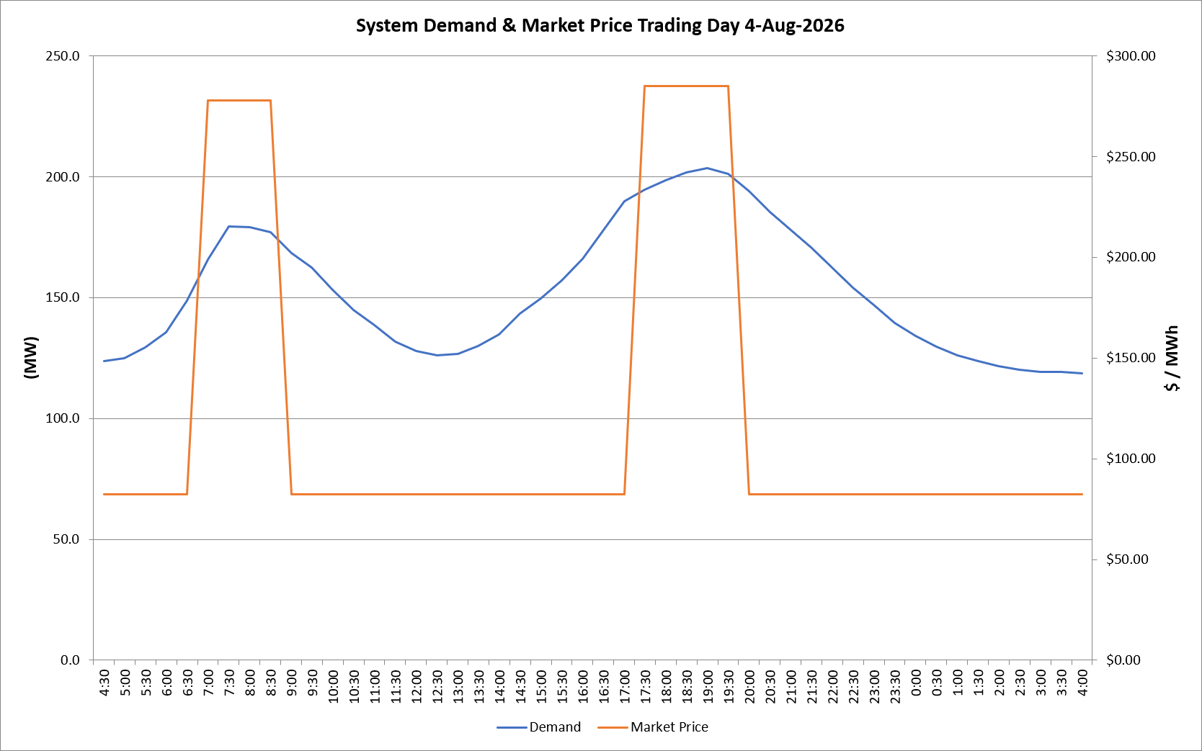
 | Demand | Market Price
4:30:00 | 123.7 | $82.19
5:00:00 | 124.9 | $82.19
5:30:00 | 129.4 | $82.19
6:00:00 | 135.5 | $82.19
6:30:00 | 148.9 | $82.19
7:00:00 | 165.8 | $278.00
7:30:00 | 179.3 | $278.00
8:00:00 | 179.0 | $278.00
8:30:00 | 176.9 | $278.00
9:00:00 | 168.3 | $82.19
9:30:00 | 162.3 | $82.19
10:00:00 | 153.2 | $82.19
10:30:00 | 145.0 | $82.19
11:00:00 | 138.5 | $82.19
11:30:00 | 131.9 | $82.19
12:00:00 | 127.9 | $82.19
12:30:00 | 126.1 | $82.19
13:00:00 | 126.8 | $82.19
13:30:00 | 130.0 | $82.19
14:00:00 | 134.8 | $82.19
14:30:00 | 143.5 | $82.19
15:00:00 | 149.5 | $82.19
15:30:00 | 157.0 | $82.19
16:00:00 | 166.1 | $82.20
16:30:00 | 178.0 | $82.20
17:00:00 | 189.8 | $82.20
17:30:00 | 194.5 | $285.00
18:00:00 | 198.4 | $285.00
18:30:00 | 201.6 | $285.00
19:00:00 | 203.6 | $285.00
19:30:00 | 201.1 | $285.00
20:00:00 | 194.0 | $82.20
20:30:00 | 185.3 | $82.20
21:00:00 | 177.9 | $82.20
21:30:00 | 170.4 | $82.20
22:00:00 | 162.4 | $82.20
22:30:00 | 154.2 | $82.19
23:00:00 | 146.9 | $82.19
23:30:00 | 139.5 | $82.19 | Offers Used For Processing
0:00:00 | 134.0 | $82.19
0:30:00 | 129.8 | $82.19 | Generator | Offer Version | Start Interval | Trading Day
1:00:00 | 126.1 | $82.19 | AENT | Version 4 | 4:30:00 | 2026-08-04
1:30:00 | 123.6 | $82.19 | BSF | Version 0 | 4:30:00 | 2026-08-04
2:00:00 | 121.7 | $82.19 | EDL | Version 1 | 4:30:00 | 2026-08-04
2:30:00 | 120.3 | $82.19 | ENI | Version 18 | 4:30:00 | 2026-08-04
3:00:00 | 119.3 | $82.19 | HCPS | Version 0 | 4:30:00 | 2026-08-04
3:30:00 | 119.3 | $82.19 | TGen | Version 1 | 4:30:00 | 2026-08-04
4:00:00 | 118.5 | $82.19

