System Demand and Market Price
I-NTEM
 | 20-Aug-26

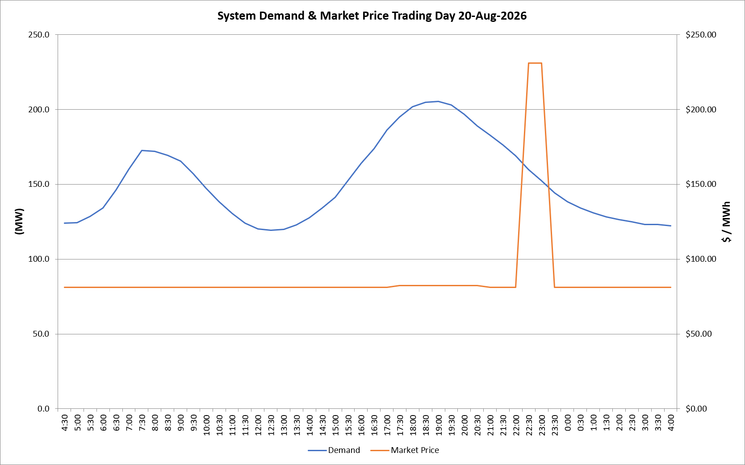
 | Demand | Market Price
4:30:00 | 124.1 | $81.19
5:00:00 | 124.5 | $81.19
5:30:00 | 128.6 | $81.19
6:00:00 | 134.3 | $81.19
6:30:00 | 146.0 | $81.20
7:00:00 | 160.0 | $81.20
7:30:00 | 172.5 | $81.20
8:00:00 | 172.0 | $81.20
8:30:00 | 169.3 | $81.20
9:00:00 | 165.5 | $81.20
9:30:00 | 157.1 | $81.20
10:00:00 | 147.4 | $81.19
10:30:00 | 138.3 | $81.19
11:00:00 | 130.7 | $81.19
11:30:00 | 124.0 | $81.19
12:00:00 | 120.1 | $81.19
12:30:00 | 119.1 | $81.19
13:00:00 | 119.9 | $81.19
13:30:00 | 122.8 | $81.19
14:00:00 | 127.6 | $81.19
14:30:00 | 134.2 | $81.19
15:00:00 | 141.4 | $81.19
15:30:00 | 152.6 | $81.19
16:00:00 | 163.9 | $81.20
16:30:00 | 173.6 | $81.20
17:00:00 | 186.1 | $81.20
17:30:00 | 195.0 | $82.20
18:00:00 | 201.8 | $82.20
18:30:00 | 204.6 | $82.20
19:00:00 | 205.3 | $82.20
19:30:00 | 203.0 | $82.20
20:00:00 | 196.8 | $82.20
20:30:00 | 188.8 | $82.20
21:00:00 | 182.6 | $81.19
21:30:00 | 176.1 | $81.19
22:00:00 | 168.9 | $81.19
22:30:00 | 159.9 | $231.04
23:00:00 | 152.4 | $231.04
23:30:00 | 144.3 | $81.19 | Offers Used For Processing
0:00:00 | 138.4 | $81.19
0:30:00 | 134.1 | $81.19 | Generator | Offer Version | Start Interval | Trading Day
1:00:00 | 130.8 | $81.19 | AENT | Version 4 | 4:30:00 | 2026-08-20
1:30:00 | 128.2 | $81.19 | BSF | Version 0 | 4:30:00 | 2026-08-20
2:00:00 | 126.3 | $81.19 | EDL | Version 1 | 4:30:00 | 2026-08-20
2:30:00 | 124.9 | $81.19 | ENI | Version 18 | 4:30:00 | 2026-08-20
3:00:00 | 123.0 | $81.19 | HCPS | Version 0 | 4:30:00 | 2026-08-20
3:30:00 | 123.0 | $81.19 | TGen | Version 1 | 4:30:00 | 2026-08-20
4:00:00 | 122.3 | $81.19

