System Demand and Market Price
I-NTEM
 | 15-Aug-26

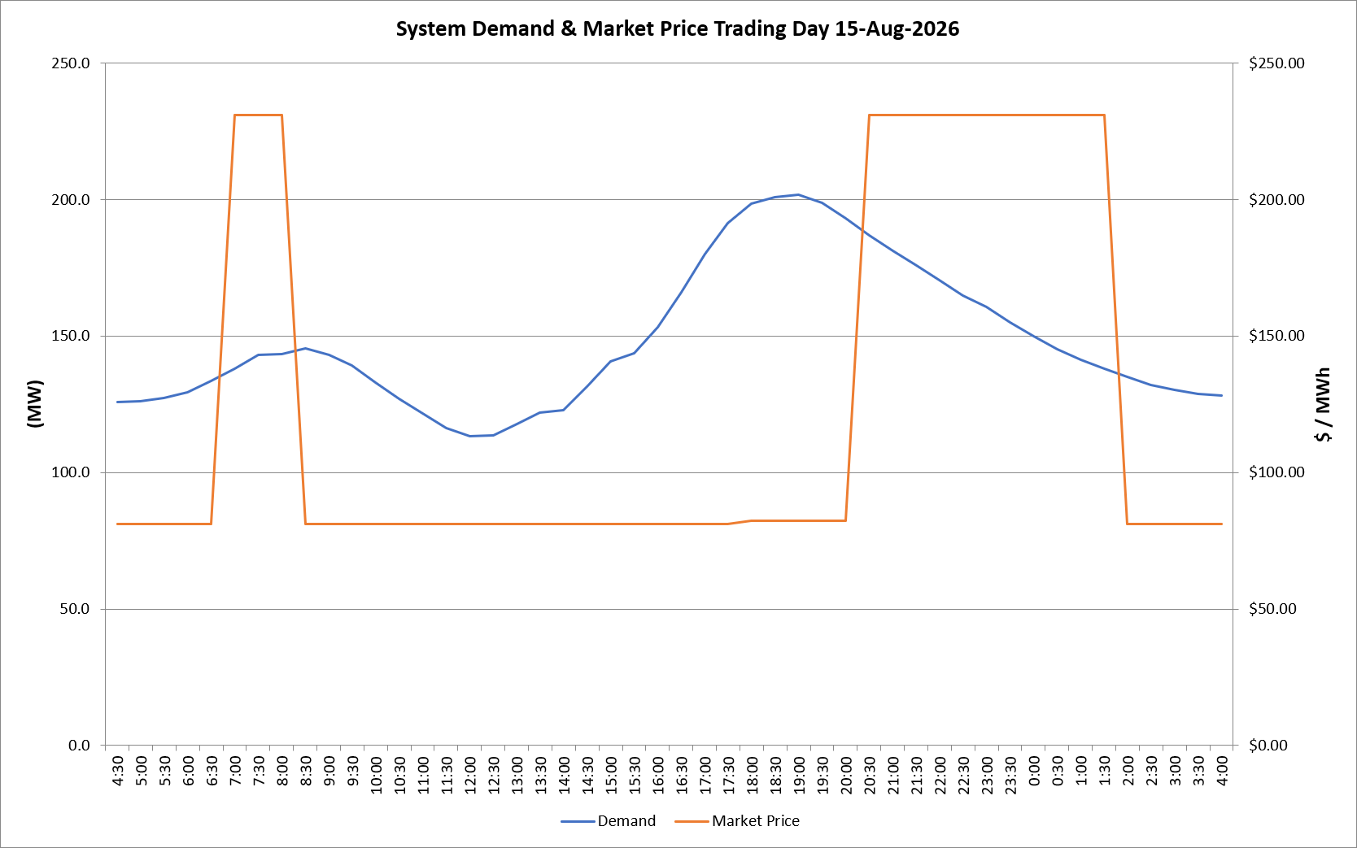
 | Demand | Market Price
4:30:00 | 125.7 | $81.19
5:00:00 | 126.0 | $81.19
5:30:00 | 127.2 | $81.19
6:00:00 | 129.4 | $81.19
6:30:00 | 133.6 | $81.19
7:00:00 | 138.1 | $231.04
7:30:00 | 143.0 | $231.04
8:00:00 | 143.3 | $231.04
8:30:00 | 145.5 | $81.19
9:00:00 | 143.0 | $81.19
9:30:00 | 139.1 | $81.19
10:00:00 | 133.0 | $81.19
10:30:00 | 126.9 | $81.19
11:00:00 | 121.7 | $81.19
11:30:00 | 116.2 | $81.19
12:00:00 | 113.2 | $81.19
12:30:00 | 113.7 | $81.19
13:00:00 | 117.7 | $81.19
13:30:00 | 122.1 | $81.19
14:00:00 | 122.7 | $81.19
14:30:00 | 131.5 | $81.19
15:00:00 | 140.7 | $81.19
15:30:00 | 143.6 | $81.19
16:00:00 | 153.3 | $81.19
16:30:00 | 166.0 | $81.20
17:00:00 | 179.9 | $81.20
17:30:00 | 191.2 | $81.20
18:00:00 | 198.4 | $82.20
18:30:00 | 200.9 | $82.20
19:00:00 | 201.6 | $82.20
19:30:00 | 198.9 | $82.20
20:00:00 | 193.2 | $82.20
20:30:00 | 187.0 | $231.04
21:00:00 | 181.2 | $231.04
21:30:00 | 175.8 | $231.04
22:00:00 | 170.5 | $231.04
22:30:00 | 164.9 | $231.04
23:00:00 | 160.6 | $231.04
23:30:00 | 155.0 | $231.04 | Offers Used For Processing
0:00:00 | 150.0 | $231.05
0:30:00 | 145.1 | $231.05 | Generator | Offer Version | Start Interval | Trading Day
1:00:00 | 141.3 | $231.04 | AENT | Version 4 | 4:30:00 | 2026-08-15
1:30:00 | 137.9 | $231.04 | BSF | Version 0 | 4:30:00 | 2026-08-15
2:00:00 | 134.9 | $81.19 | EDL | Version 1 | 4:30:00 | 2026-08-15
2:30:00 | 132.0 | $81.19 | ENI | Version 18 | 4:30:00 | 2026-08-15
3:00:00 | 130.1 | $81.19 | HCPS | Version 0 | 4:30:00 | 2026-08-15
3:30:00 | 128.7 | $81.19 | TGen | Version 1 | 4:30:00 | 2026-08-15
4:00:00 | 128.2 | $81.19

