System Demand and Market Price
I-NTEM
 | 24-Jul-26

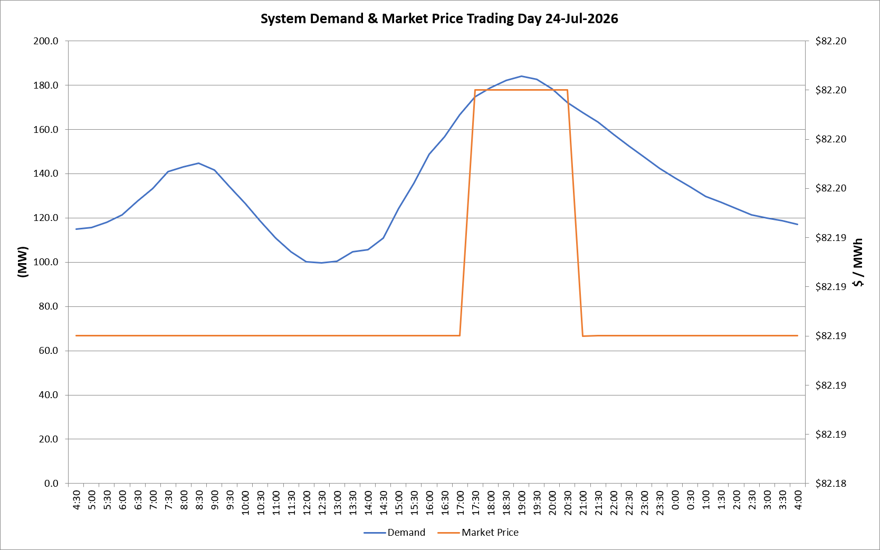
 | Demand | Market Price
4:30:00 | 115.0 | $82.19
5:00:00 | 115.6 | $82.19
5:30:00 | 118.1 | $82.19
6:00:00 | 121.4 | $82.19
6:30:00 | 127.6 | $82.19
7:00:00 | 133.3 | $82.19
7:30:00 | 141.0 | $82.19
8:00:00 | 143.0 | $82.19
8:30:00 | 144.8 | $82.19
9:00:00 | 141.7 | $82.19
9:30:00 | 133.9 | $82.19
10:00:00 | 126.7 | $82.19
10:30:00 | 118.5 | $82.19
11:00:00 | 110.9 | $82.19
11:30:00 | 104.6 | $82.19
12:00:00 | 100.2 | $82.19
12:30:00 | 99.8 | $82.19
13:00:00 | 100.3 | $82.19
13:30:00 | 104.7 | $82.19
14:00:00 | 105.7 | $82.19
14:30:00 | 111.0 | $82.19
15:00:00 | 124.2 | $82.19
15:30:00 | 135.7 | $82.19
16:00:00 | 148.9 | $82.19
16:30:00 | 156.7 | $82.19
17:00:00 | 166.5 | $82.19
17:30:00 | 174.7 | $82.20
18:00:00 | 178.9 | $82.20
18:30:00 | 182.2 | $82.20
19:00:00 | 183.9 | $82.20
19:30:00 | 182.7 | $82.20
20:00:00 | 178.2 | $82.20
20:30:00 | 172.2 | $82.20
21:00:00 | 167.7 | $82.19
21:30:00 | 163.3 | $82.19
22:00:00 | 157.8 | $82.19
22:30:00 | 152.6 | $82.19
23:00:00 | 147.7 | $82.19
23:30:00 | 142.3 | $82.19 | Offers Used For Processing
0:00:00 | 138.1 | $82.19
0:30:00 | 133.9 | $82.19 | Generator | Offer Version | Start Interval | Trading Day
1:00:00 | 129.7 | $82.19 | AENT | Version 4 | 4:30:00 | 2026-07-24
1:30:00 | 127.0 | $82.19 | BSF | Version 0 | 4:30:00 | 2026-07-24
2:00:00 | 124.3 | $82.19 | EDL | Version 1 | 4:30:00 | 2026-07-24
2:30:00 | 121.4 | $82.19 | ENI | Version 18 | 4:30:00 | 2026-07-24
3:00:00 | 119.9 | $82.19 | HCPS | Version 0 | 4:30:00 | 2026-07-24
3:30:00 | 118.8 | $82.19 | TGen | Version 1 | 4:30:00 | 2026-07-24
4:00:00 | 117.1 | $82.19

