System Demand and Market Price
I-NTEM
 | 27-Aug-26

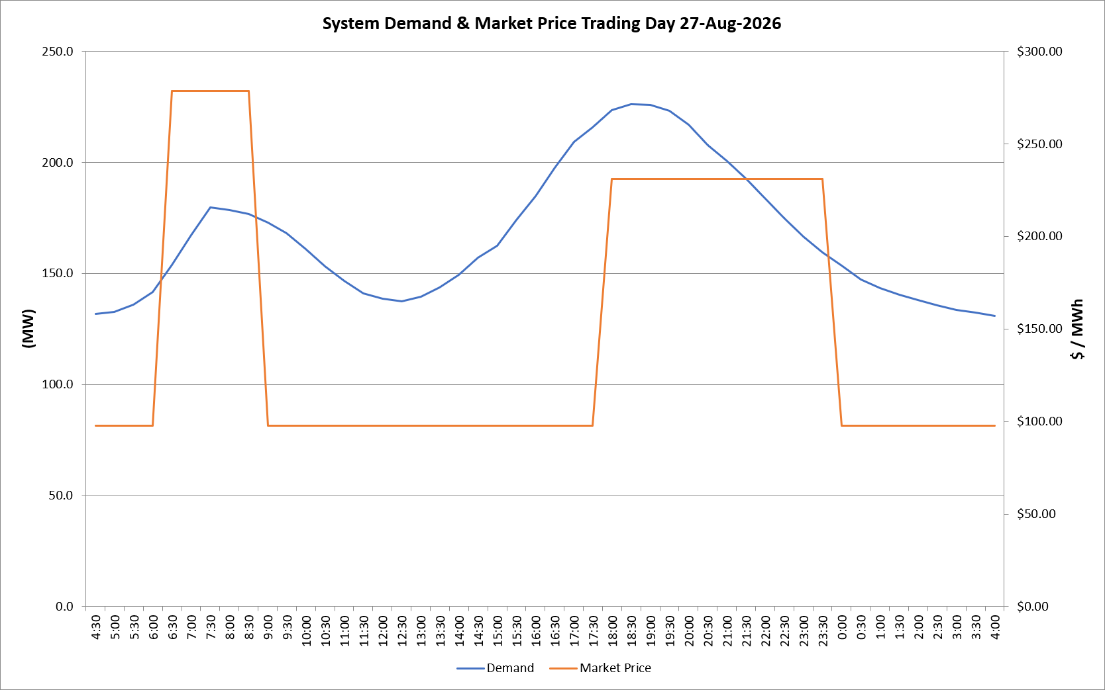
 | Demand | Market Price
4:30:00 | 131.8 | $97.60
5:00:00 | 132.6 | $97.60
5:30:00 | 136.0 | $97.60
6:00:00 | 141.5 | $97.60
6:30:00 | 153.8 | $278.50
7:00:00 | 167.1 | $278.50
7:30:00 | 179.7 | $278.50
8:00:00 | 178.7 | $278.50
8:30:00 | 176.7 | $278.50
9:00:00 | 172.9 | $97.60
9:30:00 | 168.0 | $97.60
10:00:00 | 160.9 | $97.60
10:30:00 | 153.2 | $97.60
11:00:00 | 146.7 | $97.60
11:30:00 | 140.9 | $97.60
12:00:00 | 138.5 | $97.60
12:30:00 | 137.5 | $97.60
13:00:00 | 139.5 | $97.60
13:30:00 | 143.7 | $97.60
14:00:00 | 149.4 | $97.60
14:30:00 | 157.1 | $97.60
15:00:00 | 162.4 | $97.60
15:30:00 | 173.9 | $97.61
16:00:00 | 184.9 | $97.61
16:30:00 | 197.6 | $97.61
17:00:00 | 209.1 | $97.61
17:30:00 | 215.9 | $97.63
18:00:00 | 223.5 | $231.04
18:30:00 | 226.3 | $231.04
19:00:00 | 225.8 | $231.04
19:30:00 | 223.2 | $231.04
20:00:00 | 216.8 | $231.04
20:30:00 | 207.7 | $231.04
21:00:00 | 200.6 | $231.04
21:30:00 | 192.5 | $231.04
22:00:00 | 184.0 | $231.04
22:30:00 | 174.9 | $231.04
23:00:00 | 166.6 | $231.04
23:30:00 | 159.6 | $231.04 | Offers Used For Processing
0:00:00 | 153.4 | $97.60
0:30:00 | 147.1 | $97.60 | Generator | Offer Version | Start Interval | Trading Day
1:00:00 | 143.3 | $97.60 | AENT | Version 4 | 4:30:00 | 2026-08-27
1:30:00 | 140.4 | $97.60 | BSF | Version 0 | 4:30:00 | 2026-08-27
2:00:00 | 138.1 | $97.60 | EDL | Version 1 | 4:30:00 | 2026-08-27
2:30:00 | 135.7 | $97.60 | ENI | Version 18 | 4:30:00 | 2026-08-27
3:00:00 | 133.6 | $97.60 | HCPS | Version 0 | 4:30:00 | 2026-08-27
3:30:00 | 132.5 | $97.60 | TGen | Version 1 | 4:30:00 | 2026-08-27
4:00:00 | 130.9 | $97.60

