System Demand and Market Price
I-NTEM
 | 26-Aug-26

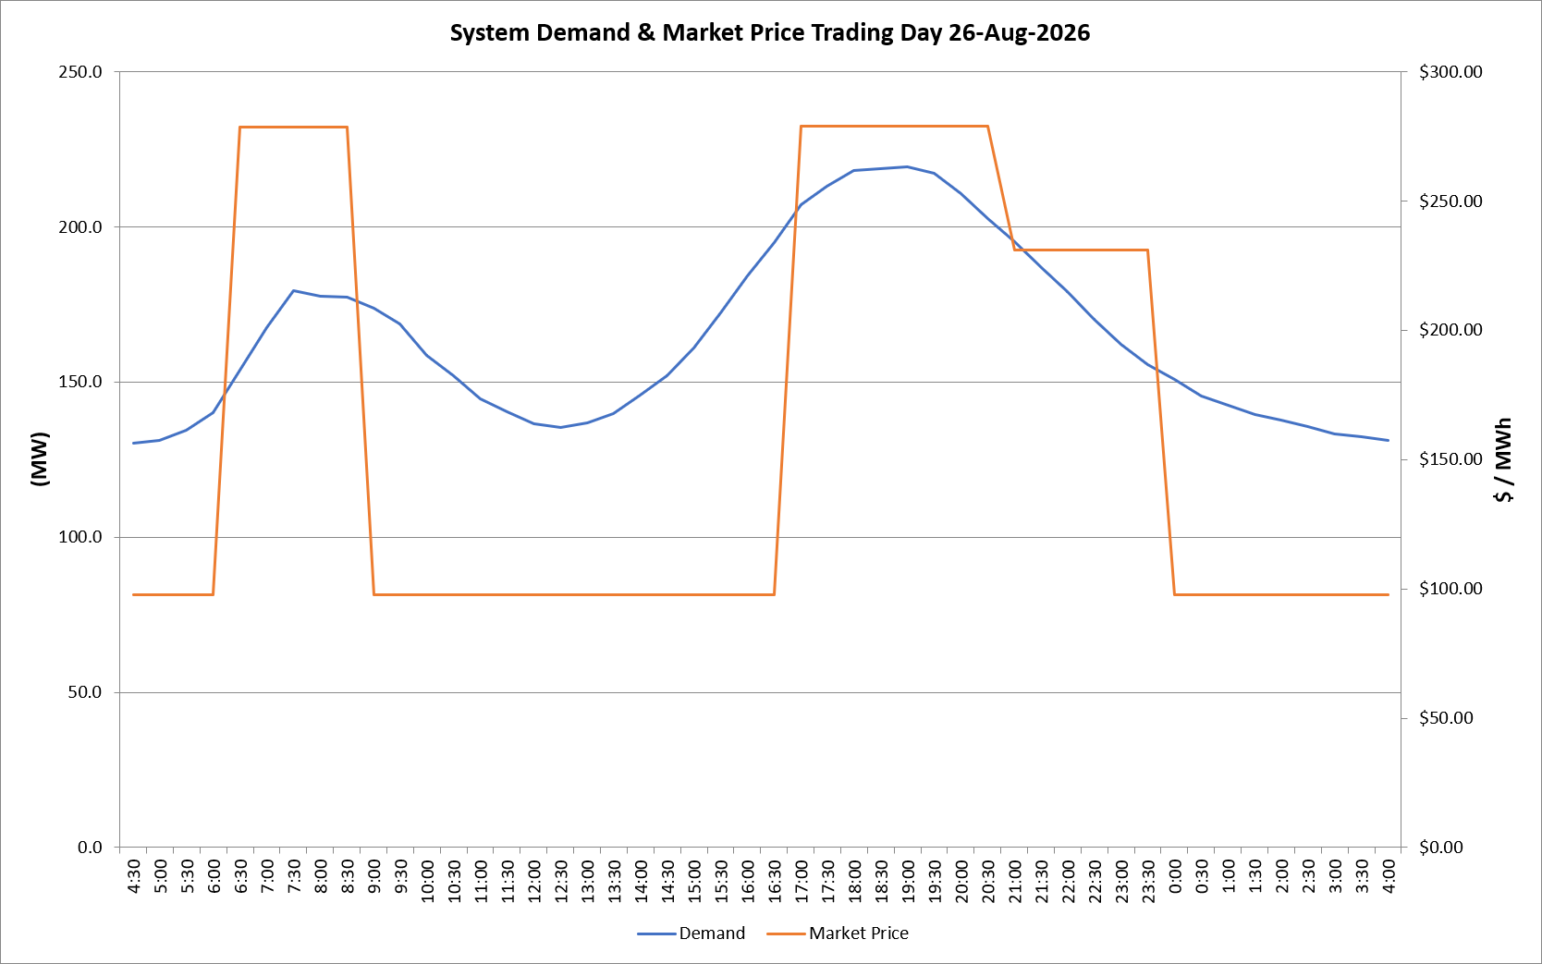
 | Demand | Market Price
4:30:00 | 130.3 | $97.60
5:00:00 | 131.2 | $97.60
5:30:00 | 134.4 | $97.60
6:00:00 | 140.1 | $97.60
6:30:00 | 153.7 | $278.50
7:00:00 | 167.6 | $278.50
7:30:00 | 179.5 | $278.50
8:00:00 | 177.6 | $278.50
8:30:00 | 177.2 | $278.50
9:00:00 | 173.8 | $97.60
9:30:00 | 168.5 | $97.60
10:00:00 | 158.6 | $97.60
10:30:00 | 151.9 | $97.60
11:00:00 | 144.5 | $97.60
11:30:00 | 140.5 | $97.60
12:00:00 | 136.4 | $97.60
12:30:00 | 135.3 | $97.60
13:00:00 | 137.0 | $97.60
13:30:00 | 139.7 | $97.60
14:00:00 | 145.8 | $97.60
14:30:00 | 152.1 | $97.60
15:00:00 | 160.8 | $97.60
15:30:00 | 172.1 | $97.60
16:00:00 | 184.1 | $97.61
16:30:00 | 195.0 | $97.61
17:00:00 | 207.1 | $278.80
17:30:00 | 213.1 | $278.80
18:00:00 | 218.0 | $278.80
18:30:00 | 218.6 | $278.80
19:00:00 | 219.2 | $278.80
19:30:00 | 217.1 | $278.80
20:00:00 | 210.7 | $278.80
20:30:00 | 202.6 | $278.80
21:00:00 | 195.3 | $231.04
21:30:00 | 186.9 | $231.04
22:00:00 | 179.1 | $231.04
22:30:00 | 170.3 | $231.04
23:00:00 | 162.0 | $231.04
23:30:00 | 155.7 | $231.04 | Offers Used For Processing
0:00:00 | 150.7 | $97.60
0:30:00 | 145.5 | $97.60 | Generator | Offer Version | Start Interval | Trading Day
1:00:00 | 142.5 | $97.60 | AENT | Version 4 | 4:30:00 | 2026-08-26
1:30:00 | 139.7 | $97.60 | BSF | Version 0 | 4:30:00 | 2026-08-26
2:00:00 | 137.6 | $97.60 | EDL | Version 1 | 4:30:00 | 2026-08-26
2:30:00 | 135.7 | $97.60 | ENI | Version 18 | 4:30:00 | 2026-08-26
3:00:00 | 133.2 | $97.60 | HCPS | Version 0 | 4:30:00 | 2026-08-26
3:30:00 | 132.5 | $97.60 | TGen | Version 1 | 4:30:00 | 2026-08-26
4:00:00 | 131.1 | $97.60

