System Demand and Market Price
I-NTEM
 | 11-Aug-26

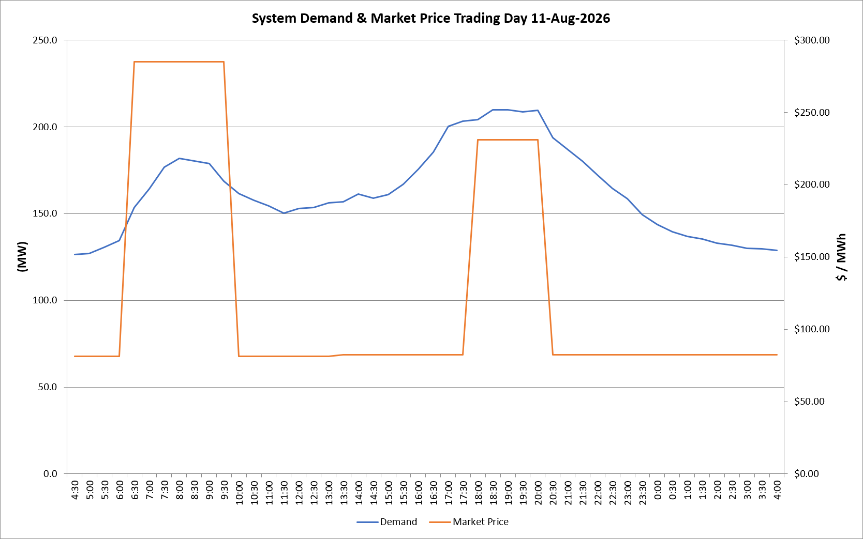
 | Demand | Market Price
4:30:00 | 126.4 | $81.19
5:00:00 | 127.1 | $81.19
5:30:00 | 130.7 | $81.19
6:00:00 | 134.4 | $81.19
6:30:00 | 153.5 | $285.10
7:00:00 | 164.2 | $285.10
7:30:00 | 176.8 | $285.10
8:00:00 | 181.7 | $285.10
8:30:00 | 180.3 | $285.10
9:00:00 | 178.8 | $285.10
9:30:00 | 168.7 | $285.10
10:00:00 | 161.4 | $81.19
10:30:00 | 157.5 | $81.19
11:00:00 | 154.5 | $81.19
11:30:00 | 150.1 | $81.19
12:00:00 | 152.8 | $81.19
12:30:00 | 153.6 | $81.19
13:00:00 | 156.1 | $81.20
13:30:00 | 156.9 | $82.20
14:00:00 | 161.1 | $82.20
14:30:00 | 158.9 | $82.20
15:00:00 | 160.9 | $82.20
15:30:00 | 166.9 | $82.20
16:00:00 | 175.5 | $82.20
16:30:00 | 185.4 | $82.20
17:00:00 | 200.1 | $82.30
17:30:00 | 203.3 | $82.30
18:00:00 | 204.2 | $231.04
18:30:00 | 209.8 | $231.04
19:00:00 | 209.9 | $231.04
19:30:00 | 208.5 | $231.04
20:00:00 | 209.3 | $231.04
20:30:00 | 193.7 | $82.30
21:00:00 | 186.8 | $82.30
21:30:00 | 180.0 | $82.20
22:00:00 | 172.3 | $82.20
22:30:00 | 164.5 | $82.20
23:00:00 | 158.6 | $82.20
23:30:00 | 149.3 | $82.20 | Offers Used For Processing
0:00:00 | 143.7 | $82.20
0:30:00 | 139.5 | $82.20 | Generator | Offer Version | Start Interval | Trading Day
1:00:00 | 136.8 | $82.20 | AENT | Version 4 | 4:30:00 | 2026-08-11
1:30:00 | 135.3 | $82.20 | BSF | Version 0 | 4:30:00 | 2026-08-11
2:00:00 | 132.9 | $82.20 | EDL | Version 1 | 4:30:00 | 2026-08-11
2:30:00 | 131.8 | $82.20 | ENI | Version 18 | 4:30:00 | 2026-08-11
3:00:00 | 129.9 | $82.20 | HCPS | Version 0 | 4:30:00 | 2026-08-11
3:30:00 | 129.7 | $82.20 | TGen | Version 1 | 4:30:00 | 2026-08-11
4:00:00 | 128.8 | $82.20

