System Demand and Market Price
I-NTEM
 | 14-Aug-26

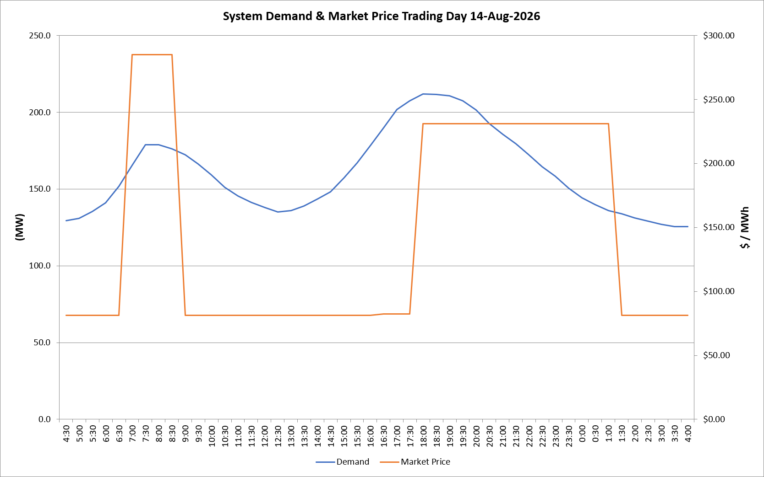
 | Demand | Market Price
4:30:00 | 129.3 | $81.19
5:00:00 | 130.9 | $81.19
5:30:00 | 135.2 | $81.19
6:00:00 | 141.0 | $81.19
6:30:00 | 151.7 | $81.19
7:00:00 | 165.4 | $285.10
7:30:00 | 178.7 | $285.10
8:00:00 | 178.7 | $285.10
8:30:00 | 176.0 | $285.10
9:00:00 | 172.2 | $81.19
9:30:00 | 166.2 | $81.19
10:00:00 | 159.2 | $81.19
10:30:00 | 151.2 | $81.19
11:00:00 | 145.3 | $81.19
11:30:00 | 141.3 | $81.19
12:00:00 | 137.9 | $81.19
12:30:00 | 135.0 | $81.19
13:00:00 | 135.8 | $81.19
13:30:00 | 139.0 | $81.19
14:00:00 | 143.3 | $81.19
14:30:00 | 148.1 | $81.19
15:00:00 | 156.9 | $81.19
15:30:00 | 166.9 | $81.19
16:00:00 | 178.3 | $81.19
16:30:00 | 189.9 | $82.20
17:00:00 | 201.6 | $82.20
17:30:00 | 207.3 | $82.20
18:00:00 | 212.0 | $231.04
18:30:00 | 211.5 | $231.04
19:00:00 | 210.7 | $231.04
19:30:00 | 207.4 | $231.04
20:00:00 | 201.5 | $231.04
20:30:00 | 192.7 | $231.04
21:00:00 | 185.8 | $231.04
21:30:00 | 179.4 | $231.04
22:00:00 | 172.4 | $231.04
22:30:00 | 164.6 | $231.04
23:00:00 | 158.2 | $231.04
23:30:00 | 150.6 | $231.04 | Offers Used For Processing
0:00:00 | 144.3 | $231.04
0:30:00 | 139.7 | $231.04 | Generator | Offer Version | Start Interval | Trading Day
1:00:00 | 135.8 | $231.04 | AENT | Version 4 | 4:30:00 | 2026-08-14
1:30:00 | 133.8 | $81.19 | BSF | Version 0 | 4:30:00 | 2026-08-14
2:00:00 | 131.3 | $81.19 | EDL | Version 1 | 4:30:00 | 2026-08-14
2:30:00 | 129.1 | $81.19 | ENI | Version 18 | 4:30:00 | 2026-08-14
3:00:00 | 126.9 | $81.19 | HCPS | Version 0 | 4:30:00 | 2026-08-14
3:30:00 | 125.6 | $81.19 | TGen | Version 1 | 4:30:00 | 2026-08-14
4:00:00 | 125.4 | $81.19

