System Demand and Market Price
I-NTEM
 | 23-Jul-26

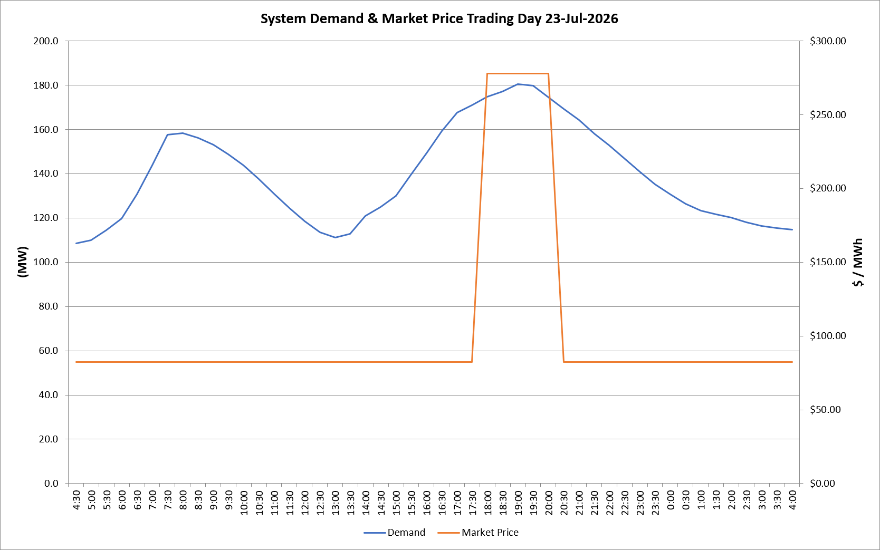
 | Demand | Market Price
4:30:00 | 108.5 | $82.19
5:00:00 | 110.0 | $82.19
5:30:00 | 114.5 | $82.19
6:00:00 | 119.7 | $82.19
6:30:00 | 130.6 | $82.19
7:00:00 | 143.7 | $82.19
7:30:00 | 157.5 | $82.19
8:00:00 | 158.3 | $82.19
8:30:00 | 156.1 | $82.19
9:00:00 | 153.1 | $82.19
9:30:00 | 148.8 | $82.19
10:00:00 | 143.8 | $82.19
10:30:00 | 137.7 | $82.19
11:00:00 | 130.8 | $82.19
11:30:00 | 124.4 | $82.19
12:00:00 | 118.5 | $82.19
12:30:00 | 113.6 | $82.19
13:00:00 | 111.2 | $82.19
13:30:00 | 112.9 | $82.19
14:00:00 | 120.8 | $82.19
14:30:00 | 124.9 | $82.19
15:00:00 | 130.1 | $82.19
15:30:00 | 139.7 | $82.19
16:00:00 | 149.3 | $82.19
16:30:00 | 159.3 | $82.19
17:00:00 | 167.6 | $82.19
17:30:00 | 170.9 | $82.19
18:00:00 | 174.8 | $278.00
18:30:00 | 177.1 | $278.00
19:00:00 | 180.4 | $278.00
19:30:00 | 179.7 | $278.00
20:00:00 | 174.5 | $278.00
20:30:00 | 169.3 | $82.19
21:00:00 | 164.2 | $82.19
21:30:00 | 158.2 | $82.19
22:00:00 | 152.9 | $82.19
22:30:00 | 146.9 | $82.19
23:00:00 | 140.9 | $82.19
23:30:00 | 135.2 | $82.19 | Offers Used For Processing
0:00:00 | 130.7 | $82.19
0:30:00 | 126.3 | $82.19 | Generator | Offer Version | Start Interval | Trading Day
1:00:00 | 123.3 | $82.19 | AENT | Version 4 | 4:30:00 | 2026-07-23
1:30:00 | 121.6 | $82.19 | BSF | Version 0 | 4:30:00 | 2026-07-23
2:00:00 | 120.1 | $82.19 | EDL | Version 1 | 4:30:00 | 2026-07-23
2:30:00 | 118.1 | $82.19 | ENI | Version 18 | 4:30:00 | 2026-07-23
3:00:00 | 116.4 | $82.19 | HCPS | Version 0 | 4:30:00 | 2026-07-23
3:30:00 | 115.4 | $82.19 | TGen | Version 1 | 4:30:00 | 2026-07-23
4:00:00 | 114.7 | $82.19

