System Demand and Market Price
I-NTEM
 | 24-Aug-26

 | Demand | Market Price
4:30:00 | 124.1 | $81.15
5:00:00 | 124.9 | $81.15
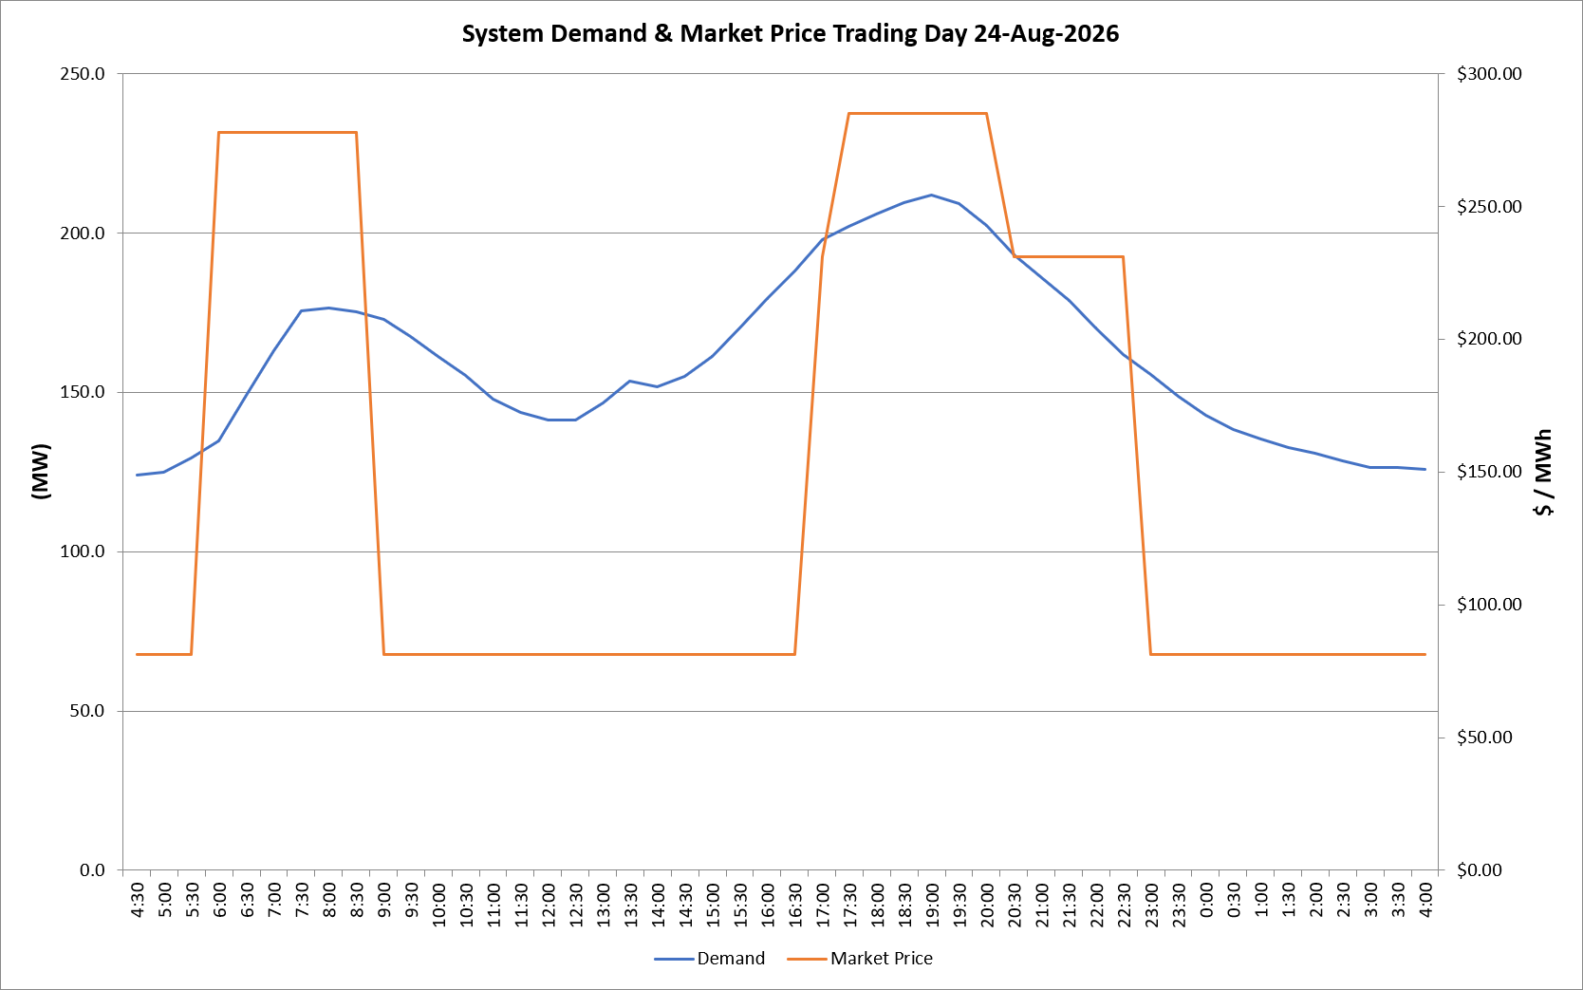
5:30:00 | 129.3 | $81.15
6:00:00 | 134.7 | $278.00
6:30:00 | 148.9 | $278.00
7:00:00 | 162.9 | $278.00
7:30:00 | 175.6 | $278.00
8:00:00 | 176.4 | $278.00
8:30:00 | 175.2 | $278.00
9:00:00 | 172.9 | $81.15
9:30:00 | 167.6 | $81.15
10:00:00 | 161.4 | $81.15
10:30:00 | 155.4 | $81.15
11:00:00 | 147.9 | $81.15
11:30:00 | 143.7 | $81.15
12:00:00 | 141.2 | $81.15
12:30:00 | 141.2 | $81.15
13:00:00 | 146.7 | $81.15
13:30:00 | 153.6 | $81.15
14:00:00 | 151.8 | $81.15
14:30:00 | 155.0 | $81.15
15:00:00 | 161.3 | $81.19
15:30:00 | 170.2 | $81.19
16:00:00 | 179.4 | $81.19
16:30:00 | 188.1 | $81.19
17:00:00 | 198.0 | $231.04
17:30:00 | 202.1 | $285.10
18:00:00 | 206.0 | $285.10
18:30:00 | 209.4 | $285.10
19:00:00 | 211.7 | $285.10
19:30:00 | 209.1 | $285.10
20:00:00 | 202.4 | $285.10
20:30:00 | 193.2 | $231.04
21:00:00 | 185.9 | $231.04
21:30:00 | 178.8 | $231.04
22:00:00 | 170.3 | $231.04
22:30:00 | 161.8 | $231.04
23:00:00 | 155.6 | $81.15
23:30:00 | 148.7 | $81.15 | Offers Used For Processing
0:00:00 | 142.8 | $81.15
0:30:00 | 138.4 | $81.15 | Generator | Offer Version | Start Interval | Trading Day
1:00:00 | 135.4 | $81.15 | AENT | Version 4 | 4:30:00 | 2026-08-24
1:30:00 | 132.5 | $81.15 | BSF | Version 0 | 4:30:00 | 2026-08-24
2:00:00 | 130.7 | $81.15 | EDL | Version 1 | 4:30:00 | 2026-08-24
2:30:00 | 128.6 | $81.15 | ENI | Version 18 | 4:30:00 | 2026-08-24
3:00:00 | 126.4 | $81.15 | HCPS | Version 0 | 4:30:00 | 2026-08-24
3:30:00 | 126.3 | $81.15 | TGen | Version 1 | 4:30:00 | 2026-08-24
4:00:00 | 125.8 | $81.15

