System Demand and Market Price
I-NTEM
 | 5-Aug-26

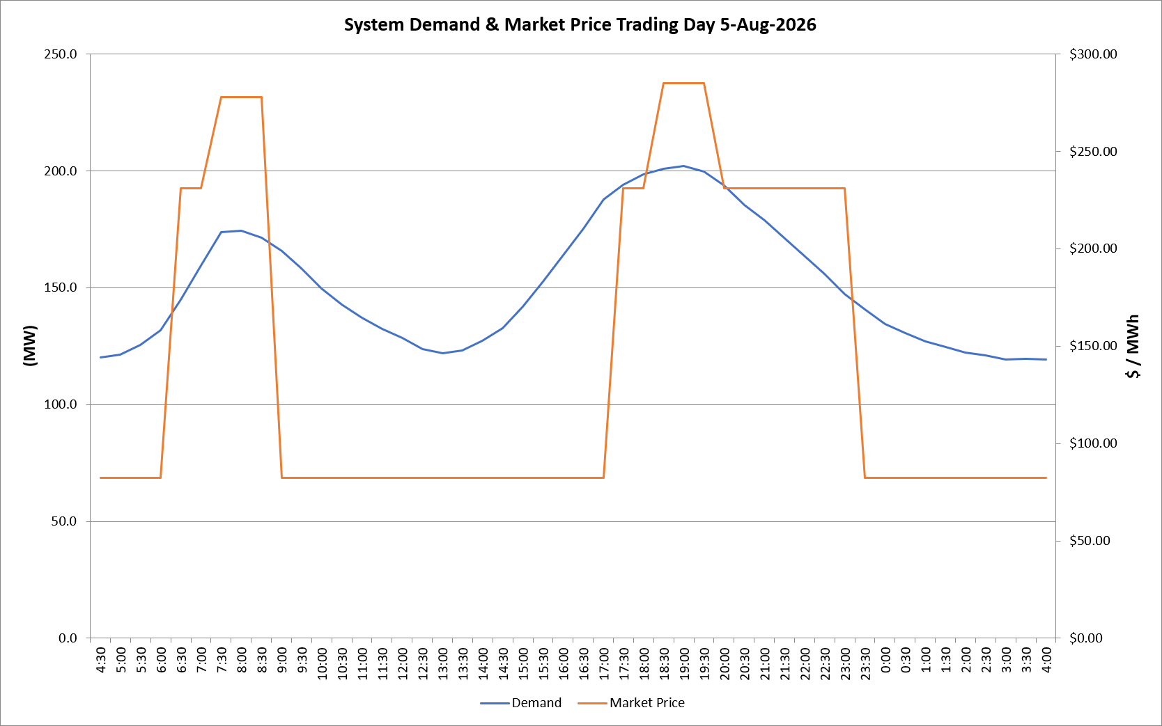
 | Demand | Market Price
4:30:00 | 120.0 | $82.19
5:00:00 | 121.5 | $82.19
5:30:00 | 125.6 | $82.19
6:00:00 | 131.8 | $82.19
6:30:00 | 144.8 | $231.04
7:00:00 | 159.6 | $231.04
7:30:00 | 173.8 | $278.00
8:00:00 | 174.5 | $278.00
8:30:00 | 171.4 | $278.00
9:00:00 | 165.7 | $82.19
9:30:00 | 158.2 | $82.19
10:00:00 | 149.5 | $82.19
10:30:00 | 142.9 | $82.19
11:00:00 | 137.0 | $82.19
11:30:00 | 132.4 | $82.19
12:00:00 | 128.4 | $82.19
12:30:00 | 123.6 | $82.19
13:00:00 | 121.9 | $82.19
13:30:00 | 123.2 | $82.19
14:00:00 | 127.3 | $82.19
14:30:00 | 132.7 | $82.19
15:00:00 | 141.8 | $82.19
15:30:00 | 152.7 | $82.19
16:00:00 | 163.9 | $82.19
16:30:00 | 175.2 | $82.19
17:00:00 | 187.9 | $82.20
17:30:00 | 194.0 | $231.04
18:00:00 | 198.6 | $231.04
18:30:00 | 201.0 | $285.00
19:00:00 | 202.1 | $285.00
19:30:00 | 199.7 | $285.00
20:00:00 | 193.6 | $231.04
20:30:00 | 185.4 | $231.04
21:00:00 | 178.8 | $231.04
21:30:00 | 171.0 | $231.04
22:00:00 | 163.6 | $231.04
22:30:00 | 155.8 | $231.04
23:00:00 | 147.4 | $231.04
23:30:00 | 140.7 | $82.19 | Offers Used For Processing
0:00:00 | 134.4 | $82.19
0:30:00 | 130.6 | $82.19 | Generator | Offer Version | Start Interval | Trading Day
1:00:00 | 126.9 | $82.19 | AENT | Version 4 | 4:30:00 | 2026-08-05
1:30:00 | 124.7 | $82.19 | BSF | Version 0 | 4:30:00 | 2026-08-05
2:00:00 | 122.3 | $82.19 | EDL | Version 1 | 4:30:00 | 2026-08-05
2:30:00 | 121.1 | $82.19 | ENI | Version 18 | 4:30:00 | 2026-08-05
3:00:00 | 119.3 | $82.19 | HCPS | Version 0 | 4:30:00 | 2026-08-05
3:30:00 | 119.6 | $82.19 | TGen | Version 1 | 4:30:00 | 2026-08-05
4:00:00 | 119.4 | $82.19

