System Demand and Market Price
I-NTEM
 | 25-Aug-26

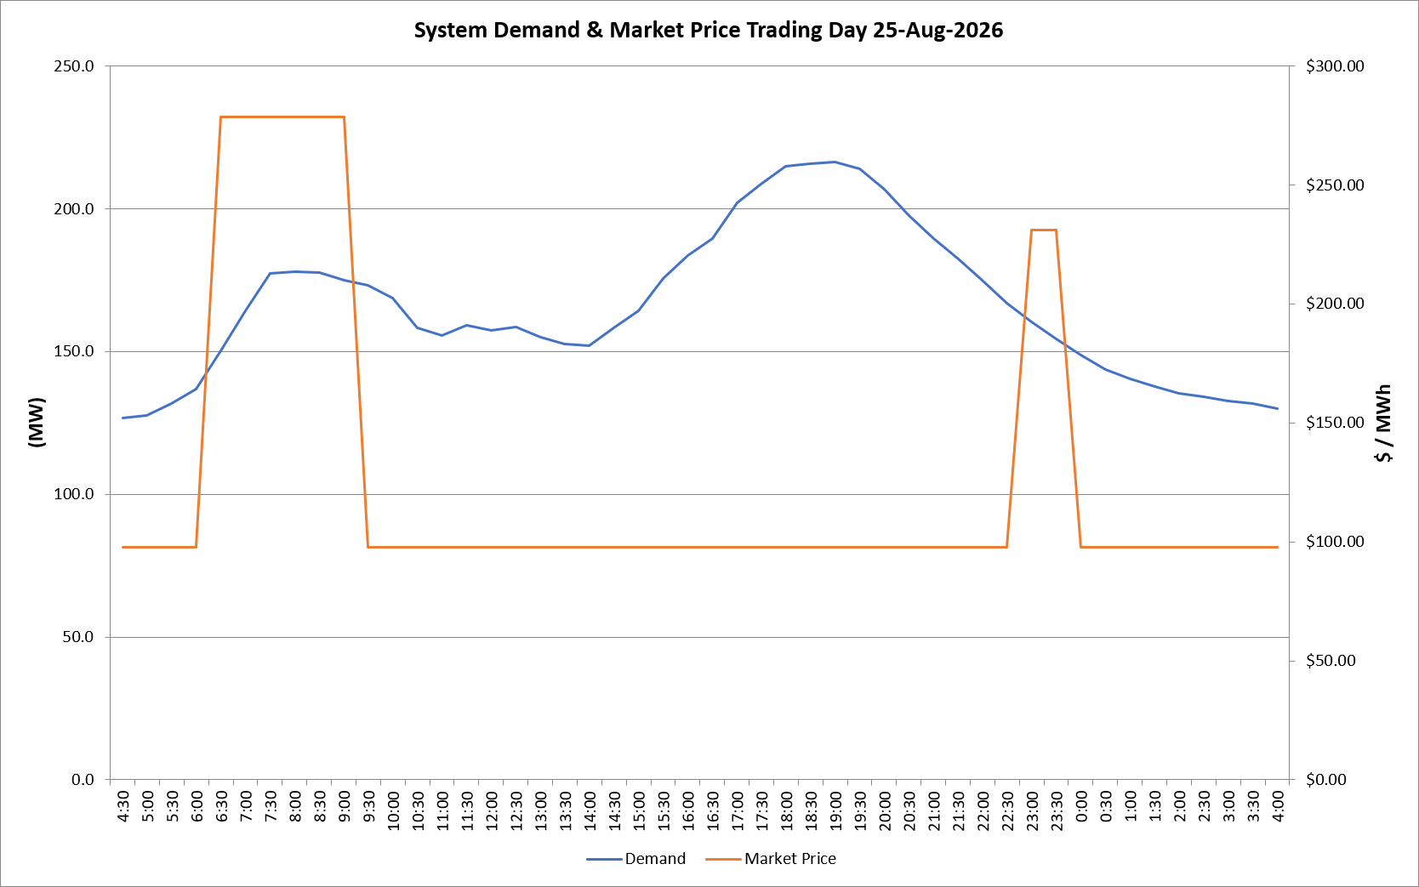
 | Demand | Market Price
4:30:00 | 126.7 | $97.60
5:00:00 | 127.6 | $97.60
5:30:00 | 131.6 | $97.60
6:00:00 | 137.0 | $97.60
6:30:00 | 150.2 | $278.50
7:00:00 | 164.2 | $278.50
7:30:00 | 177.4 | $278.50
8:00:00 | 178.0 | $278.50
8:30:00 | 177.5 | $278.50
9:00:00 | 174.9 | $278.50
9:30:00 | 173.2 | $97.60
10:00:00 | 168.6 | $97.60
10:30:00 | 158.1 | $97.60
11:00:00 | 155.5 | $97.60
11:30:00 | 159.2 | $97.60
12:00:00 | 157.3 | $97.60
12:30:00 | 158.5 | $97.60
13:00:00 | 155.0 | $97.60
13:30:00 | 152.6 | $97.60
14:00:00 | 152.1 | $97.60
14:30:00 | 158.3 | $97.60
15:00:00 | 164.1 | $97.60
15:30:00 | 175.5 | $97.61
16:00:00 | 183.5 | $97.61
16:30:00 | 189.6 | $97.61
17:00:00 | 202.1 | $97.63
17:30:00 | 208.7 | $97.63
18:00:00 | 214.8 | $97.63
18:30:00 | 215.6 | $97.63
19:00:00 | 216.3 | $97.63
19:30:00 | 214.1 | $97.63
20:00:00 | 206.9 | $97.63
20:30:00 | 197.5 | $97.63
21:00:00 | 189.5 | $97.63
21:30:00 | 182.3 | $97.61
22:00:00 | 174.9 | $97.61
22:30:00 | 166.9 | $97.61
23:00:00 | 160.3 | $231.04
23:30:00 | 154.4 | $231.04 | Offers Used For Processing
0:00:00 | 148.8 | $97.60
0:30:00 | 143.6 | $97.60 | Generator | Offer Version | Start Interval | Trading Day
1:00:00 | 140.4 | $97.60 | AENT | Version 4 | 4:30:00 | 2026-08-25
1:30:00 | 137.8 | $97.60 | BSF | Version 0 | 4:30:00 | 2026-08-25
2:00:00 | 135.5 | $97.60 | EDL | Version 1 | 4:30:00 | 2026-08-25
2:30:00 | 134.2 | $97.60 | ENI | Version 18 | 4:30:00 | 2026-08-25
3:00:00 | 132.7 | $97.60 | HCPS | Version 0 | 4:30:00 | 2026-08-25
3:30:00 | 131.9 | $97.60 | TGen | Version 1 | 4:30:00 | 2026-08-25
4:00:00 | 129.9 | $97.60

