System Demand and Market Price
I-NTEM
 | 10-Aug-26

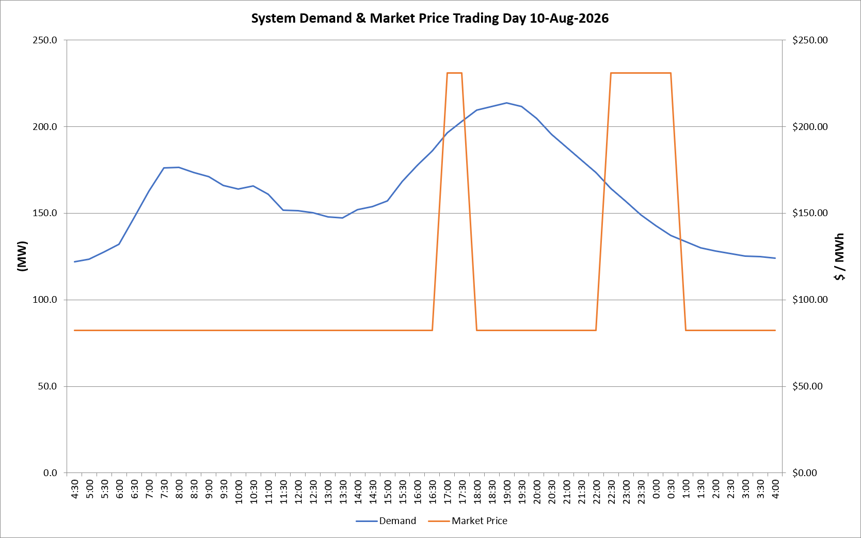
 | Demand | Market Price
4:30:00 | 122.1 | $82.20
5:00:00 | 123.5 | $82.20
5:30:00 | 127.4 | $82.20
6:00:00 | 132.1 | $82.20
6:30:00 | 147.2 | $82.20
7:00:00 | 162.6 | $82.20
7:30:00 | 176.3 | $82.20
8:00:00 | 176.3 | $82.20
8:30:00 | 173.5 | $82.20
9:00:00 | 171.2 | $82.20
9:30:00 | 165.9 | $82.20
10:00:00 | 163.8 | $82.20
10:30:00 | 165.6 | $82.19
11:00:00 | 161.0 | $82.19
11:30:00 | 151.7 | $82.19
12:00:00 | 151.3 | $82.19
12:30:00 | 150.4 | $82.19
13:00:00 | 147.8 | $82.19
13:30:00 | 147.3 | $82.19
14:00:00 | 151.9 | $82.19
14:30:00 | 153.8 | $82.19
15:00:00 | 157.2 | $82.19
15:30:00 | 168.5 | $82.19
16:00:00 | 177.6 | $82.19
16:30:00 | 185.9 | $82.19
17:00:00 | 196.5 | $231.04
17:30:00 | 203.0 | $231.04
18:00:00 | 209.6 | $82.20
18:30:00 | 211.6 | $82.20
19:00:00 | 213.7 | $82.20
19:30:00 | 211.5 | $82.20
20:00:00 | 204.7 | $82.20
20:30:00 | 195.4 | $82.20
21:00:00 | 188.1 | $82.20
21:30:00 | 180.6 | $82.20
22:00:00 | 173.4 | $82.20
22:30:00 | 164.3 | $231.04
23:00:00 | 156.9 | $231.04
23:30:00 | 149.1 | $231.04 | Offers Used For Processing
0:00:00 | 142.9 | $231.04
0:30:00 | 137.1 | $231.04 | Generator | Offer Version | Start Interval | Trading Day
1:00:00 | 133.7 | $82.19 | AENT | Version 4 | 4:30:00 | 2026-08-10
1:30:00 | 130.1 | $82.19 | BSF | Version 0 | 4:30:00 | 2026-08-10
2:00:00 | 128.3 | $82.19 | EDL | Version 1 | 4:30:00 | 2026-08-10
2:30:00 | 126.6 | $82.19 | ENI | Version 18 | 4:30:00 | 2026-08-10
3:00:00 | 125.3 | $82.19 | HCPS | Version 0 | 4:30:00 | 2026-08-10
3:30:00 | 124.9 | $82.19 | TGen | Version 1 | 4:30:00 | 2026-08-10
4:00:00 | 124.1 | $82.19

