System Demand and Market Price
I-NTEM
 | 3-Aug-26

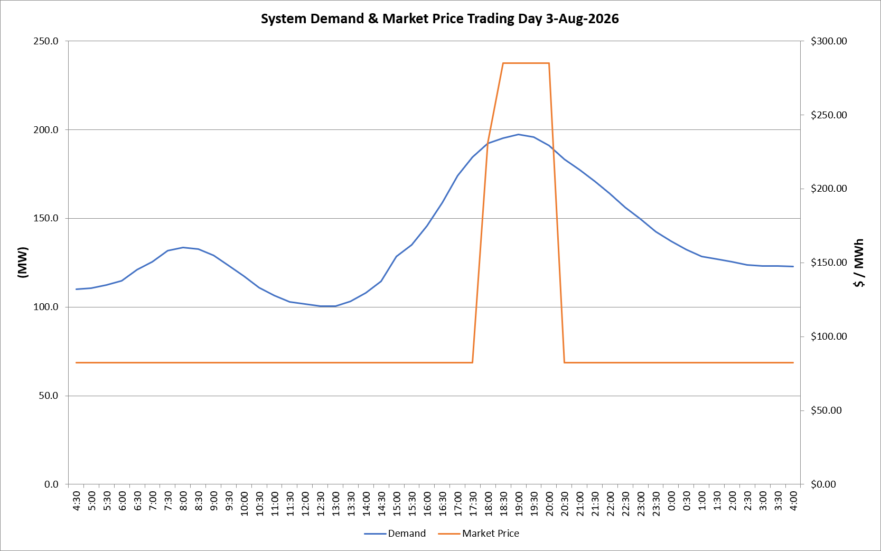
 | Demand | Market Price
4:30:00 | 110.2 | $82.19
5:00:00 | 110.6 | $82.19
5:30:00 | 112.5 | $82.19
6:00:00 | 114.7 | $82.19
6:30:00 | 120.9 | $82.19
7:00:00 | 125.5 | $82.19
7:30:00 | 131.7 | $82.19
8:00:00 | 133.4 | $82.19
8:30:00 | 132.8 | $82.19
9:00:00 | 129.2 | $82.19
9:30:00 | 123.3 | $82.19
10:00:00 | 117.3 | $82.19
10:30:00 | 110.9 | $82.19
11:00:00 | 106.4 | $82.19
11:30:00 | 102.9 | $82.19
12:00:00 | 101.7 | $82.19
12:30:00 | 100.4 | $82.19
13:00:00 | 100.4 | $82.19
13:30:00 | 103.2 | $82.19
14:00:00 | 107.8 | $82.19
14:30:00 | 114.6 | $82.19
15:00:00 | 128.6 | $82.19
15:30:00 | 134.9 | $82.19
16:00:00 | 145.8 | $82.19
16:30:00 | 158.8 | $82.19
17:00:00 | 173.9 | $82.20
17:30:00 | 184.6 | $82.20
18:00:00 | 192.2 | $231.04
18:30:00 | 195.3 | $285.00
19:00:00 | 197.3 | $285.00
19:30:00 | 195.9 | $285.00
20:00:00 | 191.2 | $285.00
20:30:00 | 183.4 | $82.20
21:00:00 | 177.4 | $82.20
21:30:00 | 170.9 | $82.20
22:00:00 | 164.0 | $82.20
22:30:00 | 156.3 | $82.19
23:00:00 | 149.5 | $82.19
23:30:00 | 142.4 | $82.19 | Offers Used For Processing
0:00:00 | 137.1 | $82.19
0:30:00 | 132.4 | $82.19 | Generator | Offer Version | Start Interval | Trading Day
1:00:00 | 128.4 | $82.19 | AENT | Version 4 | 4:30:00 | 2026-08-03
1:30:00 | 126.9 | $82.19 | BSF | Version 0 | 4:30:00 | 2026-08-03
2:00:00 | 125.5 | $82.19 | EDL | Version 1 | 4:30:00 | 2026-08-03
2:30:00 | 123.8 | $82.19 | ENI | Version 18 | 4:30:00 | 2026-08-03
3:00:00 | 123.1 | $82.19 | HCPS | Version 0 | 4:30:00 | 2026-08-03
3:30:00 | 123.3 | $82.19 | TGen | Version 1 | 4:30:00 | 2026-08-03
4:00:00 | 122.8 | $82.19

