System Demand and Market Price
I-NTEM
 | 30-Jul-26

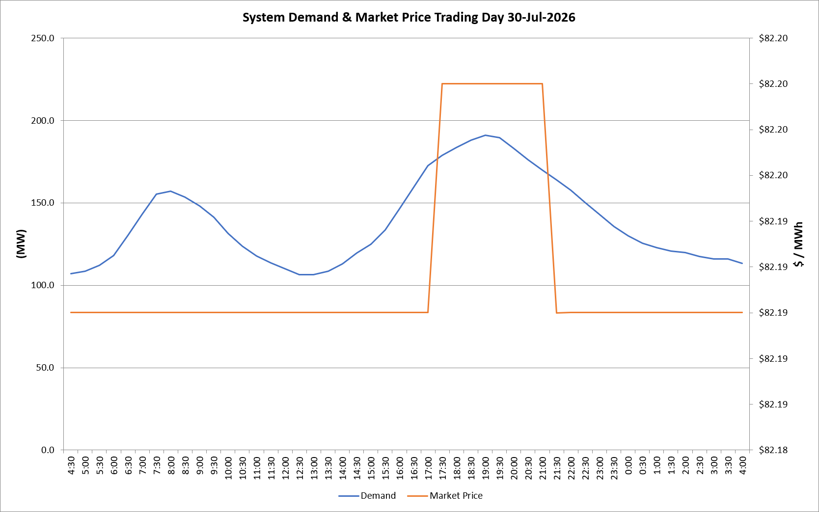
 | Demand | Market Price
4:30:00 | 107.2 | $82.19
5:00:00 | 108.6 | $82.19
5:30:00 | 112.2 | $82.19
6:00:00 | 118.1 | $82.19
6:30:00 | 130.4 | $82.19
7:00:00 | 143.0 | $82.19
7:30:00 | 155.2 | $82.19
8:00:00 | 156.9 | $82.19
8:30:00 | 153.6 | $82.19
9:00:00 | 148.2 | $82.19
9:30:00 | 141.4 | $82.19
10:00:00 | 131.4 | $82.19
10:30:00 | 123.7 | $82.19
11:00:00 | 117.7 | $82.19
11:30:00 | 113.7 | $82.19
12:00:00 | 109.9 | $82.19
12:30:00 | 106.6 | $82.19
13:00:00 | 106.4 | $82.19
13:30:00 | 108.4 | $82.19
14:00:00 | 113.1 | $82.19
14:30:00 | 119.6 | $82.19
15:00:00 | 125.0 | $82.19
15:30:00 | 133.5 | $82.19
16:00:00 | 146.4 | $82.19
16:30:00 | 159.4 | $82.19
17:00:00 | 172.7 | $82.19
17:30:00 | 178.8 | $82.20
18:00:00 | 183.7 | $82.20
18:30:00 | 188.0 | $82.20
19:00:00 | 191.0 | $82.20
19:30:00 | 189.6 | $82.20
20:00:00 | 183.1 | $82.20
20:30:00 | 176.2 | $82.20
21:00:00 | 169.8 | $82.20
21:30:00 | 164.0 | $82.19
22:00:00 | 157.8 | $82.19
22:30:00 | 150.4 | $82.19
23:00:00 | 143.0 | $82.19
23:30:00 | 135.8 | $82.19 | Offers Used For Processing
0:00:00 | 130.0 | $82.19
0:30:00 | 125.5 | $82.19 | Generator | Offer Version | Start Interval | Trading Day
1:00:00 | 122.7 | $82.19 | AENT | Version 4 | 4:30:00 | 2026-07-30
1:30:00 | 120.7 | $82.19 | BSF | Version 0 | 4:30:00 | 2026-07-30
2:00:00 | 119.7 | $82.19 | EDL | Version 1 | 4:30:00 | 2026-07-30
2:30:00 | 117.6 | $82.19 | ENI | Version 18 | 4:30:00 | 2026-07-30
3:00:00 | 116.1 | $82.19 | HCPS | Version 0 | 4:30:00 | 2026-07-30
3:30:00 | 115.9 | $82.19 | TGen | Version 1 | 4:30:00 | 2026-07-30
4:00:00 | 113.4 | $82.19

