System Demand and Market Price
I-NTEM
 | 23-Aug-26

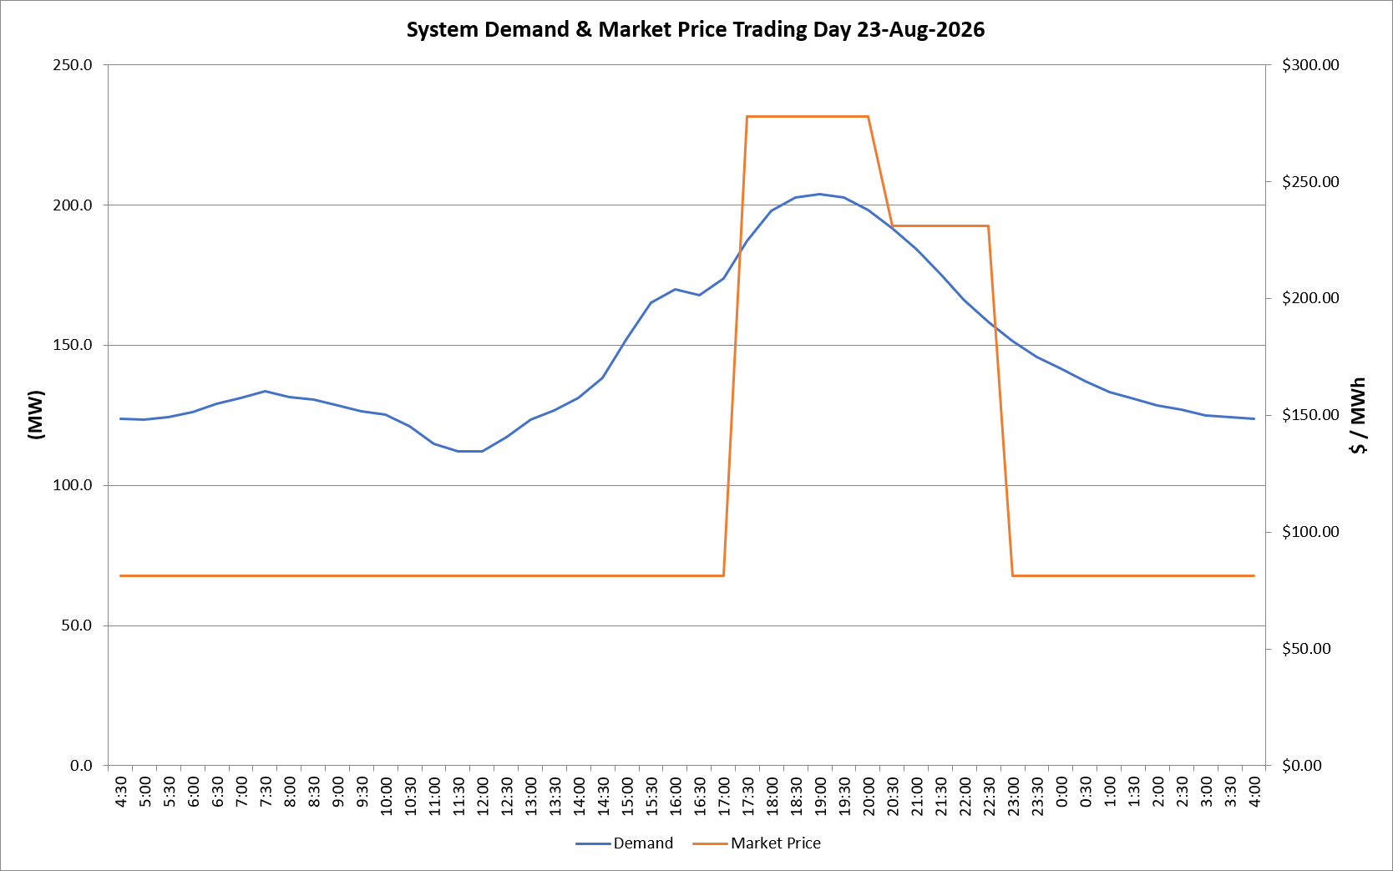
 | Demand | Market Price
4:30:00 | 123.7 | $81.19
5:00:00 | 123.6 | $81.19
5:30:00 | 124.4 | $81.19
6:00:00 | 126.1 | $81.19
6:30:00 | 129.0 | $81.19
7:00:00 | 131.3 | $81.19
7:30:00 | 133.6 | $81.19
8:00:00 | 131.5 | $81.19
8:30:00 | 130.6 | $81.19
9:00:00 | 128.4 | $81.19
9:30:00 | 126.3 | $81.19
10:00:00 | 125.2 | $81.19
10:30:00 | 121.0 | $81.19
11:00:00 | 114.9 | $81.19
11:30:00 | 112.0 | $81.19
12:00:00 | 112.2 | $81.19
12:30:00 | 117.0 | $81.19
13:00:00 | 123.4 | $81.19
13:30:00 | 126.7 | $81.19
14:00:00 | 131.1 | $81.19
14:30:00 | 138.3 | $81.19
15:00:00 | 152.2 | $81.20
15:30:00 | 165.0 | $81.20
16:00:00 | 169.9 | $81.20
16:30:00 | 167.8 | $81.20
17:00:00 | 173.8 | $81.20
17:30:00 | 187.2 | $278.00
18:00:00 | 197.9 | $278.00
18:30:00 | 202.8 | $278.00
19:00:00 | 203.8 | $278.00
19:30:00 | 202.6 | $278.00
20:00:00 | 198.3 | $278.00
20:30:00 | 191.6 | $231.04
21:00:00 | 184.0 | $231.04
21:30:00 | 175.2 | $231.04
22:00:00 | 166.1 | $231.04
22:30:00 | 158.2 | $231.04
23:00:00 | 151.3 | $81.15
23:30:00 | 145.9 | $81.15 | Offers Used For Processing
0:00:00 | 141.5 | $81.15
0:30:00 | 137.2 | $81.15 | Generator | Offer Version | Start Interval | Trading Day
1:00:00 | 133.3 | $81.15 | AENT | Version 4 | 4:30:00 | 2026-08-23
1:30:00 | 130.7 | $81.15 | BSF | Version 0 | 4:30:00 | 2026-08-23
2:00:00 | 128.5 | $81.15 | EDL | Version 1 | 4:30:00 | 2026-08-23
2:30:00 | 127.0 | $81.15 | ENI | Version 18 | 4:30:00 | 2026-08-23
3:00:00 | 124.9 | $81.15 | HCPS | Version 0 | 4:30:00 | 2026-08-23
3:30:00 | 124.3 | $81.15 | TGen | Version 1 | 4:30:00 | 2026-08-23
4:00:00 | 123.8 | $81.15

