System Demand and Market Price
I-NTEM
 | 19-Aug-26

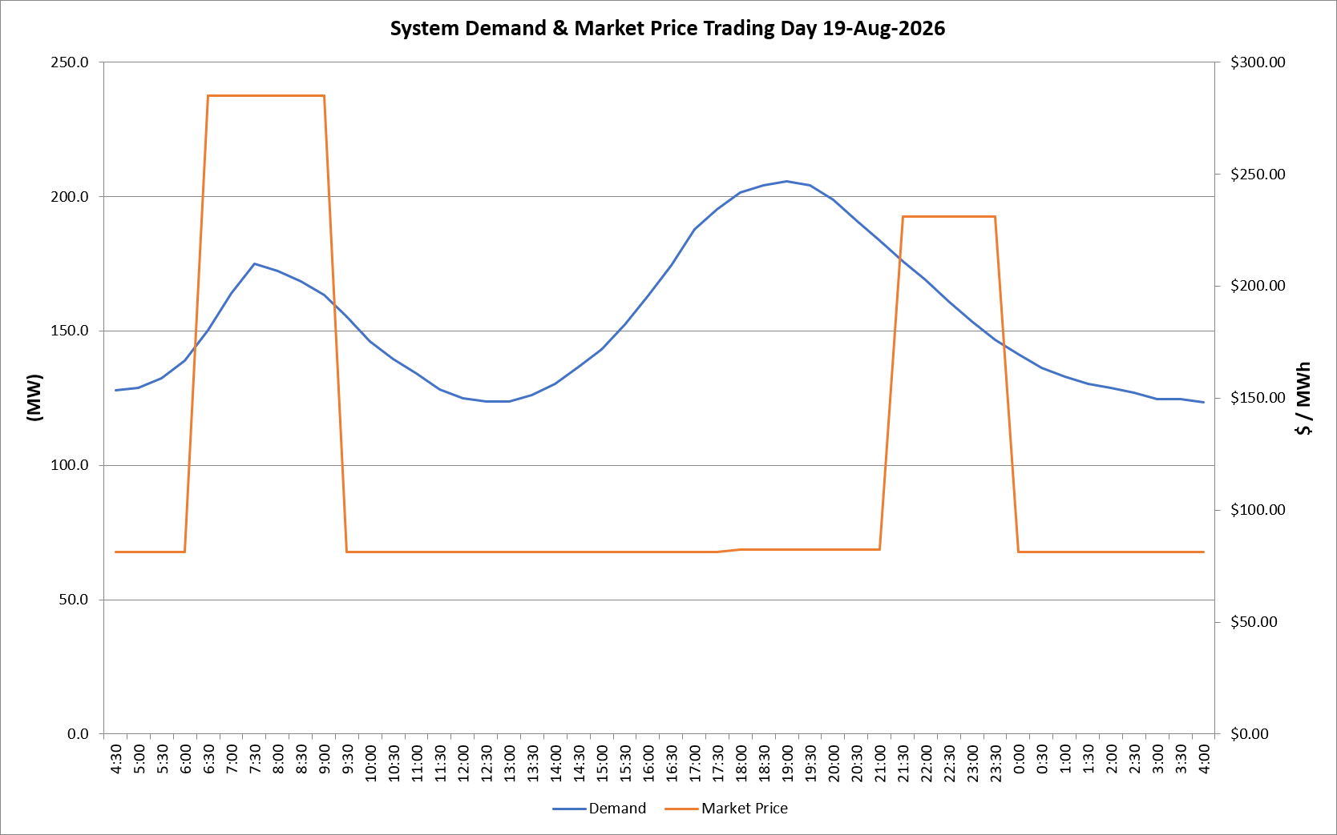
 | Demand | Market Price
4:30:00 | 127.9 | $81.19
5:00:00 | 128.9 | $81.19
5:30:00 | 132.5 | $81.19
6:00:00 | 139.0 | $81.19
6:30:00 | 150.3 | $285.10
7:00:00 | 164.0 | $285.10
7:30:00 | 174.8 | $285.10
8:00:00 | 172.3 | $285.10
8:30:00 | 168.3 | $285.10
9:00:00 | 163.4 | $285.10
9:30:00 | 155.4 | $81.19
10:00:00 | 146.1 | $81.19
10:30:00 | 139.6 | $81.19
11:00:00 | 134.0 | $81.19
11:30:00 | 128.1 | $81.19
12:00:00 | 125.0 | $81.19
12:30:00 | 123.8 | $81.19
13:00:00 | 123.7 | $81.19
13:30:00 | 126.0 | $81.19
14:00:00 | 130.2 | $81.19
14:30:00 | 136.6 | $81.19
15:00:00 | 142.9 | $81.19
15:30:00 | 152.4 | $81.19
16:00:00 | 162.9 | $81.19
16:30:00 | 174.2 | $81.19
17:00:00 | 187.7 | $81.19
17:30:00 | 195.2 | $81.19
18:00:00 | 201.5 | $82.20
18:30:00 | 204.1 | $82.20
19:00:00 | 205.6 | $82.20
19:30:00 | 204.3 | $82.20
20:00:00 | 198.7 | $82.20
20:30:00 | 191.2 | $82.20
21:00:00 | 183.6 | $82.20
21:30:00 | 175.8 | $231.04
22:00:00 | 169.1 | $231.04
22:30:00 | 160.9 | $231.04
23:00:00 | 153.4 | $231.04
23:30:00 | 146.7 | $231.04 | Offers Used For Processing
0:00:00 | 141.3 | $81.19
0:30:00 | 136.3 | $81.19 | Generator | Offer Version | Start Interval | Trading Day
1:00:00 | 133.1 | $81.19 | AENT | Version 4 | 4:30:00 | 2026-08-19
1:30:00 | 130.2 | $81.19 | BSF | Version 0 | 4:30:00 | 2026-08-19
2:00:00 | 128.7 | $81.19 | EDL | Version 1 | 4:30:00 | 2026-08-19
2:30:00 | 127.0 | $81.19 | ENI | Version 18 | 4:30:00 | 2026-08-19
3:00:00 | 124.7 | $81.19 | HCPS | Version 0 | 4:30:00 | 2026-08-19
3:30:00 | 124.5 | $81.19 | TGen | Version 1 | 4:30:00 | 2026-08-19
4:00:00 | 123.5 | $81.19

