System Demand and Market Price
I-NTEM
 | 2-Aug-26

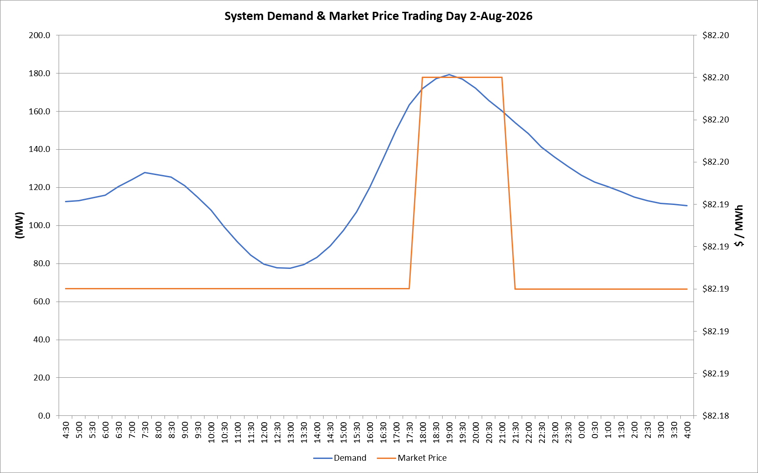
 | Demand | Market Price
4:30:00 | 112.5 | $82.19
5:00:00 | 113.0 | $82.19
5:30:00 | 114.5 | $82.19
6:00:00 | 115.9 | $82.19
6:30:00 | 120.4 | $82.19
7:00:00 | 123.9 | $82.19
7:30:00 | 127.7 | $82.19
8:00:00 | 126.6 | $82.19
8:30:00 | 125.4 | $82.19
9:00:00 | 120.9 | $82.19
9:30:00 | 114.8 | $82.19
10:00:00 | 107.9 | $82.19
10:30:00 | 99.1 | $82.19
11:00:00 | 91.4 | $82.19
11:30:00 | 84.3 | $82.19
12:00:00 | 79.8 | $82.19
12:30:00 | 77.7 | $82.19
13:00:00 | 77.5 | $82.19
13:30:00 | 79.5 | $82.19
14:00:00 | 83.2 | $82.19
14:30:00 | 89.2 | $82.19
15:00:00 | 97.2 | $82.19
15:30:00 | 107.0 | $82.19
16:00:00 | 119.8 | $82.19
16:30:00 | 134.7 | $82.19
17:00:00 | 150.0 | $82.19
17:30:00 | 163.4 | $82.19
18:00:00 | 171.9 | $82.20
18:30:00 | 177.0 | $82.20
19:00:00 | 179.3 | $82.20
19:30:00 | 176.8 | $82.20
20:00:00 | 172.1 | $82.20
20:30:00 | 165.7 | $82.20
21:00:00 | 160.3 | $82.20
21:30:00 | 154.1 | $82.19
22:00:00 | 148.3 | $82.19
22:30:00 | 141.2 | $82.19
23:00:00 | 136.0 | $82.19
23:30:00 | 130.8 | $82.19 | Offers Used For Processing
0:00:00 | 126.5 | $82.19
0:30:00 | 122.8 | $82.19 | Generator | Offer Version | Start Interval | Trading Day
1:00:00 | 120.4 | $82.19 | AENT | Version 4 | 4:30:00 | 2026-08-02
1:30:00 | 117.7 | $82.19 | BSF | Version 0 | 4:30:00 | 2026-08-02
2:00:00 | 115.0 | $82.19 | EDL | Version 1 | 4:30:00 | 2026-08-02
2:30:00 | 112.9 | $82.19 | ENI | Version 18 | 4:30:00 | 2026-08-02
3:00:00 | 111.7 | $82.19 | HCPS | Version 0 | 4:30:00 | 2026-08-02
3:30:00 | 111.1 | $82.19 | TGen | Version 1 | 4:30:00 | 2026-08-02
4:00:00 | 110.3 | $82.19

