System Demand and Market Price
I-NTEM
 | 22-Aug-26

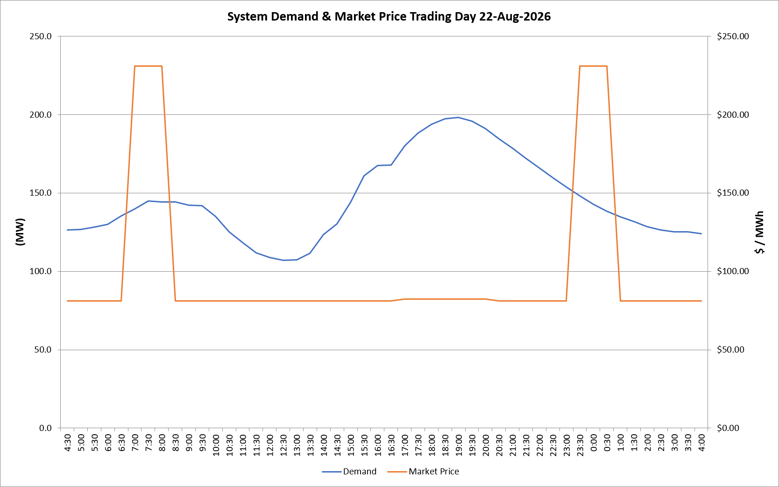
 | Demand | Market Price
4:30:00 | 126.4 | $81.19
5:00:00 | 126.7 | $81.19
5:30:00 | 128.2 | $81.19
6:00:00 | 129.8 | $81.19
6:30:00 | 135.4 | $81.19
7:00:00 | 139.9 | $231.04
7:30:00 | 144.9 | $231.04
8:00:00 | 144.3 | $231.04
8:30:00 | 144.3 | $81.19
9:00:00 | 142.2 | $81.19
9:30:00 | 141.9 | $81.19
10:00:00 | 135.0 | $81.19
10:30:00 | 125.4 | $81.19
11:00:00 | 118.4 | $81.19
11:30:00 | 111.9 | $81.19
12:00:00 | 108.9 | $81.19
12:30:00 | 107.0 | $81.19
13:00:00 | 107.4 | $81.19
13:30:00 | 111.5 | $81.19
14:00:00 | 123.4 | $81.19
14:30:00 | 130.4 | $81.19
15:00:00 | 144.0 | $81.19
15:30:00 | 160.9 | $81.20
16:00:00 | 167.6 | $81.20
16:30:00 | 167.7 | $81.20
17:00:00 | 180.1 | $82.20
17:30:00 | 187.9 | $82.20
18:00:00 | 193.8 | $82.20
18:30:00 | 197.2 | $82.20
19:00:00 | 198.1 | $82.20
19:30:00 | 195.8 | $82.20
20:00:00 | 191.0 | $82.20
20:30:00 | 184.5 | $81.19
21:00:00 | 178.6 | $81.19
21:30:00 | 171.9 | $81.19
22:00:00 | 166.1 | $81.19
22:30:00 | 159.9 | $81.19
23:00:00 | 153.9 | $81.19
23:30:00 | 148.1 | $231.04 | Offers Used For Processing
0:00:00 | 142.8 | $231.04
0:30:00 | 138.4 | $231.04 | Generator | Offer Version | Start Interval | Trading Day
1:00:00 | 134.7 | $81.19 | AENT | Version 4 | 4:30:00 | 2026-08-22
1:30:00 | 131.9 | $81.19 | BSF | Version 0 | 4:30:00 | 2026-08-22
2:00:00 | 128.6 | $81.19 | EDL | Version 1 | 4:30:00 | 2026-08-22
2:30:00 | 126.4 | $81.19 | ENI | Version 18 | 4:30:00 | 2026-08-22
3:00:00 | 125.1 | $81.19 | HCPS | Version 0 | 4:30:00 | 2026-08-22
3:30:00 | 125.1 | $81.19 | TGen | Version 1 | 4:30:00 | 2026-08-22
4:00:00 | 124.1 | $81.19

