System Demand and Market Price
I-NTEM
 | 21-Aug-26

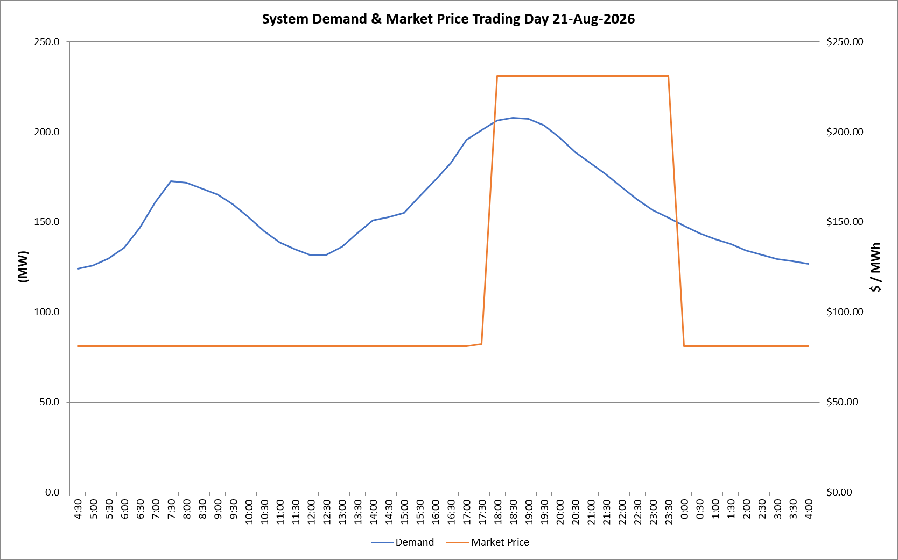
 | Demand | Market Price
4:30:00 | 124.0 | $81.19
5:00:00 | 125.8 | $81.19
5:30:00 | 129.6 | $81.19
6:00:00 | 135.8 | $81.19
6:30:00 | 146.8 | $81.20
7:00:00 | 161.0 | $81.20
7:30:00 | 172.5 | $81.20
8:00:00 | 171.7 | $81.20
8:30:00 | 168.3 | $81.20
9:00:00 | 165.1 | $81.20
9:30:00 | 159.7 | $81.20
10:00:00 | 152.7 | $81.20
10:30:00 | 144.7 | $81.19
11:00:00 | 138.7 | $81.19
11:30:00 | 134.6 | $81.19
12:00:00 | 131.4 | $81.19
12:30:00 | 131.7 | $81.19
13:00:00 | 136.3 | $81.19
13:30:00 | 143.6 | $81.19
14:00:00 | 150.7 | $81.20
14:30:00 | 152.5 | $81.20
15:00:00 | 155.0 | $81.20
15:30:00 | 164.1 | $81.20
16:00:00 | 173.2 | $81.20
16:30:00 | 182.6 | $81.20
17:00:00 | 195.5 | $81.20
17:30:00 | 200.9 | $82.20
18:00:00 | 206.3 | $231.04
18:30:00 | 207.6 | $231.04
19:00:00 | 207.1 | $231.04
19:30:00 | 203.5 | $231.04
20:00:00 | 196.5 | $231.04
20:30:00 | 188.7 | $231.04
21:00:00 | 182.5 | $231.04
21:30:00 | 176.1 | $231.04
22:00:00 | 169.3 | $231.04
22:30:00 | 162.6 | $231.04
23:00:00 | 156.5 | $231.04
23:30:00 | 152.3 | $231.04 | Offers Used For Processing
0:00:00 | 147.8 | $81.19
0:30:00 | 143.7 | $81.19 | Generator | Offer Version | Start Interval | Trading Day
1:00:00 | 140.4 | $81.19 | AENT | Version 4 | 4:30:00 | 2026-08-21
1:30:00 | 137.8 | $81.19 | BSF | Version 0 | 4:30:00 | 2026-08-21
2:00:00 | 134.2 | $81.19 | EDL | Version 1 | 4:30:00 | 2026-08-21
2:30:00 | 131.7 | $81.19 | ENI | Version 18 | 4:30:00 | 2026-08-21
3:00:00 | 129.4 | $81.19 | HCPS | Version 0 | 4:30:00 | 2026-08-21
3:30:00 | 128.3 | $81.19 | TGen | Version 1 | 4:30:00 | 2026-08-21
4:00:00 | 126.8 | $81.19

