System Demand and Market Price
I-NTEM
 | 16-Aug-26

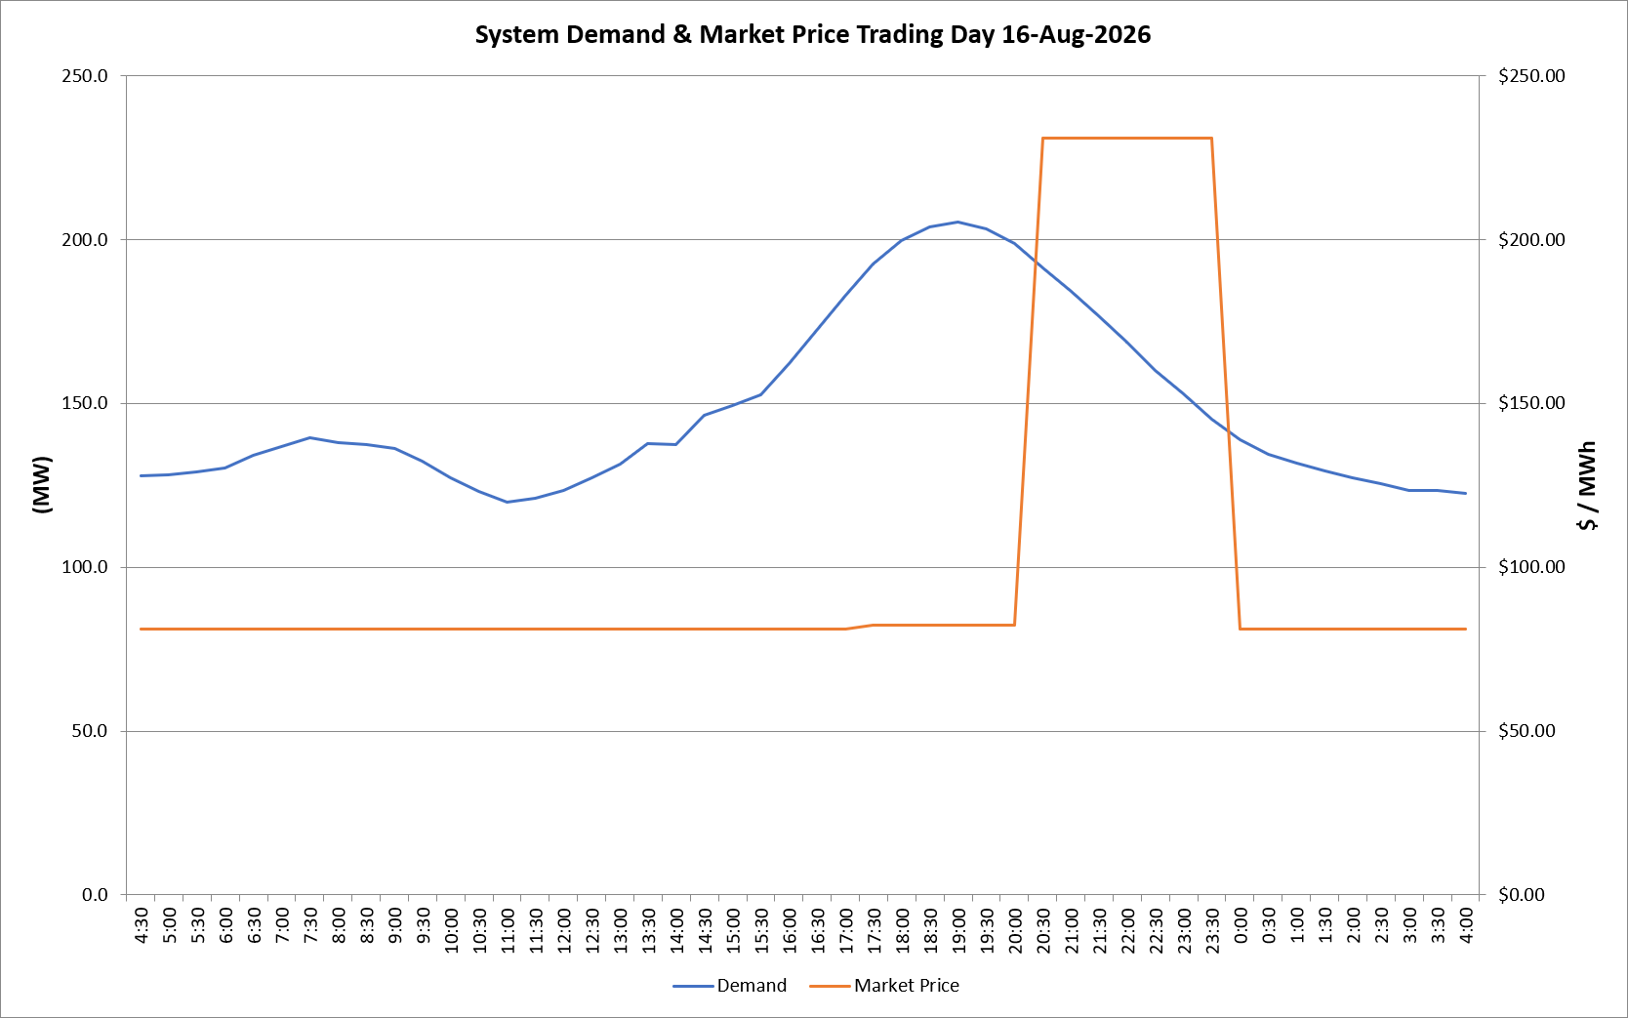
 | Demand | Market Price
4:30:00 | 128.0 | $81.19
5:00:00 | 128.1 | $81.19
5:30:00 | 129.1 | $81.19
6:00:00 | 130.2 | $81.19
6:30:00 | 134.2 | $81.19
7:00:00 | 136.9 | $81.19
7:30:00 | 139.4 | $81.19
8:00:00 | 137.9 | $81.19
8:30:00 | 137.5 | $81.19
9:00:00 | 136.4 | $81.19
9:30:00 | 132.5 | $81.19
10:00:00 | 127.4 | $81.19
10:30:00 | 123.1 | $81.19
11:00:00 | 119.9 | $81.19
11:30:00 | 120.9 | $81.19
12:00:00 | 123.4 | $81.19
12:30:00 | 127.3 | $81.19
13:00:00 | 131.4 | $81.19
13:30:00 | 137.6 | $81.19
14:00:00 | 137.6 | $81.19
14:30:00 | 146.5 | $81.19
15:00:00 | 149.3 | $81.19
15:30:00 | 152.6 | $81.20
16:00:00 | 162.2 | $81.20
16:30:00 | 172.6 | $81.20
17:00:00 | 182.8 | $81.20
17:30:00 | 192.6 | $82.20
18:00:00 | 199.7 | $82.20
18:30:00 | 203.8 | $82.20
19:00:00 | 205.3 | $82.20
19:30:00 | 203.1 | $82.20
20:00:00 | 198.6 | $82.20
20:30:00 | 191.4 | $231.04
21:00:00 | 184.2 | $231.04
21:30:00 | 176.5 | $231.04
22:00:00 | 168.8 | $231.04
22:30:00 | 160.2 | $231.04
23:00:00 | 152.9 | $231.04
23:30:00 | 145.3 | $231.04 | Offers Used For Processing
0:00:00 | 138.9 | $81.19
0:30:00 | 134.4 | $81.19 | Generator | Offer Version | Start Interval | Trading Day
1:00:00 | 131.7 | $81.19 | AENT | Version 4 | 4:30:00 | 2026-08-16
1:30:00 | 129.4 | $81.19 | BSF | Version 0 | 4:30:00 | 2026-08-16
2:00:00 | 127.2 | $81.19 | EDL | Version 1 | 4:30:00 | 2026-08-16
2:30:00 | 125.5 | $81.19 | ENI | Version 18 | 4:30:00 | 2026-08-16
3:00:00 | 123.5 | $81.19 | HCPS | Version 0 | 4:30:00 | 2026-08-16
3:30:00 | 123.3 | $81.19 | TGen | Version 1 | 4:30:00 | 2026-08-16
4:00:00 | 122.4 | $81.19

