System Demand and Market Price
I-NTEM
 | 1-Aug-26

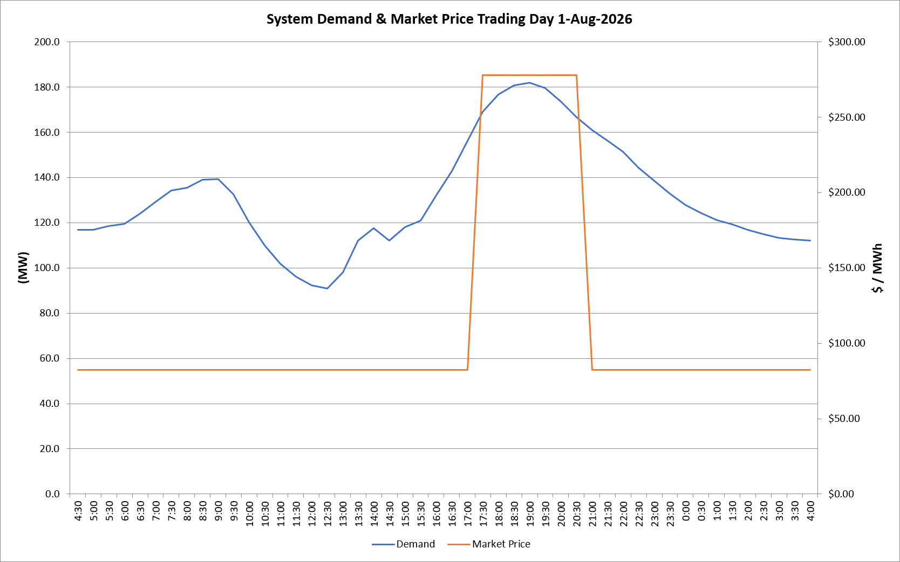
 | Demand | Market Price
4:30:00 | 116.9 | $82.19
5:00:00 | 116.9 | $82.19
5:30:00 | 118.4 | $82.19
6:00:00 | 119.5 | $82.19
6:30:00 | 123.9 | $82.19
7:00:00 | 129.3 | $82.19
7:30:00 | 134.3 | $82.19
8:00:00 | 135.5 | $82.19
8:30:00 | 139.1 | $82.19
9:00:00 | 139.2 | $82.19
9:30:00 | 132.7 | $82.19
10:00:00 | 120.2 | $82.19
10:30:00 | 110.0 | $82.19
11:00:00 | 101.9 | $82.19
11:30:00 | 96.1 | $82.19
12:00:00 | 92.4 | $82.19
12:30:00 | 90.8 | $82.19
13:00:00 | 97.9 | $82.19
13:30:00 | 112.2 | $82.19
14:00:00 | 117.6 | $82.19
14:30:00 | 112.1 | $82.19
15:00:00 | 117.9 | $82.19
15:30:00 | 121.0 | $82.19
16:00:00 | 132.0 | $82.19
16:30:00 | 142.9 | $82.19
17:00:00 | 156.1 | $82.19
17:30:00 | 169.0 | $278.00
18:00:00 | 176.7 | $278.00
18:30:00 | 180.7 | $278.00
19:00:00 | 182.0 | $278.00
19:30:00 | 179.5 | $278.00
20:00:00 | 173.5 | $278.00
20:30:00 | 166.7 | $278.00
21:00:00 | 160.9 | $82.19
21:30:00 | 156.2 | $82.19
22:00:00 | 151.4 | $82.19
22:30:00 | 144.2 | $82.19
23:00:00 | 138.6 | $82.19
23:30:00 | 132.7 | $82.19 | Offers Used For Processing
0:00:00 | 127.7 | $82.19
0:30:00 | 124.3 | $82.19 | Generator | Offer Version | Start Interval | Trading Day
1:00:00 | 121.2 | $82.19 | AENT | Version 4 | 4:30:00 | 2026-08-01
1:30:00 | 119.2 | $82.19 | BSF | Version 0 | 4:30:00 | 2026-08-01
2:00:00 | 116.7 | $82.19 | EDL | Version 1 | 4:30:00 | 2026-08-01
2:30:00 | 114.8 | $82.19 | ENI | Version 18 | 4:30:00 | 2026-08-01
3:00:00 | 113.3 | $82.19 | HCPS | Version 0 | 4:30:00 | 2026-08-01
3:30:00 | 112.6 | $82.19 | TGen | Version 1 | 4:30:00 | 2026-08-01
4:00:00 | 112.1 | $82.19

