System Demand and Market Price
I-NTEM
 | 8-Aug-26

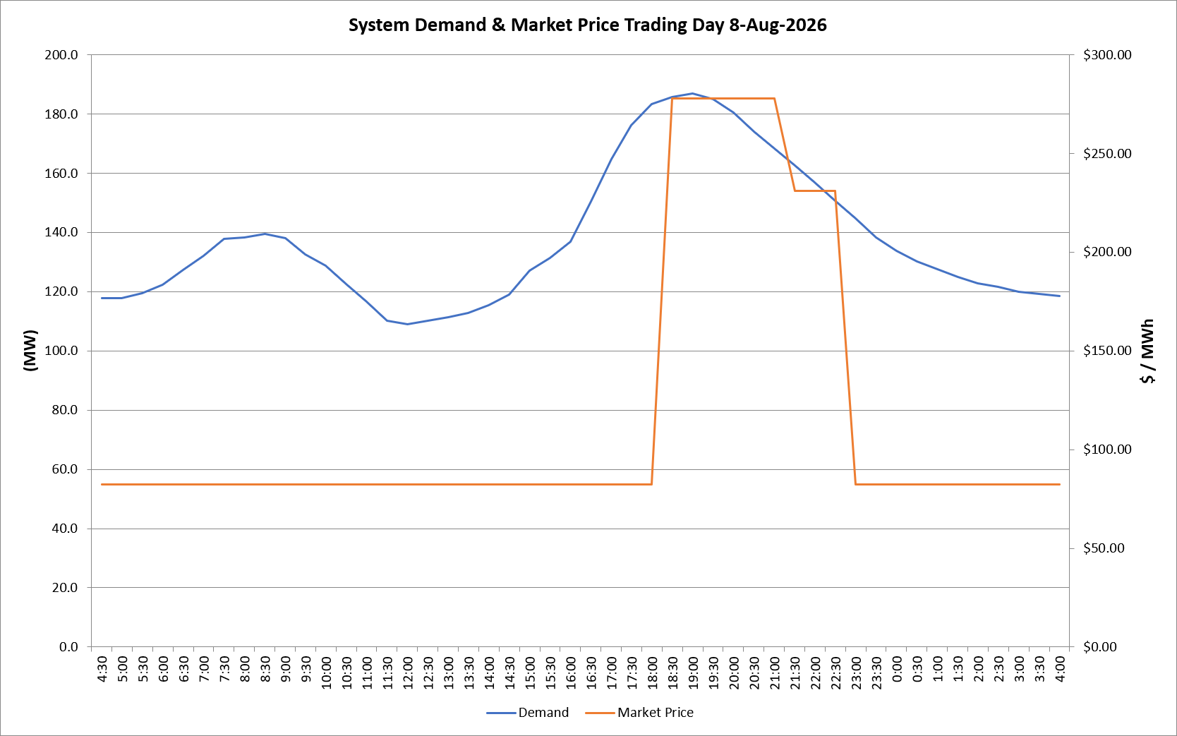
 | Demand | Market Price
4:30:00 | 117.8 | $82.19
5:00:00 | 117.8 | $82.19
5:30:00 | 119.5 | $82.19
6:00:00 | 122.4 | $82.19
6:30:00 | 127.3 | $82.19
7:00:00 | 132.1 | $82.19
7:30:00 | 137.7 | $82.19
8:00:00 | 138.4 | $82.19
8:30:00 | 139.5 | $82.19
9:00:00 | 138.2 | $82.19
9:30:00 | 132.6 | $82.19
10:00:00 | 128.6 | $82.19
10:30:00 | 122.6 | $82.19
11:00:00 | 116.6 | $82.19
11:30:00 | 110.2 | $82.19
12:00:00 | 109.0 | $82.19
12:30:00 | 110.1 | $82.19
13:00:00 | 111.3 | $82.19
13:30:00 | 112.9 | $82.19
14:00:00 | 115.5 | $82.19
14:30:00 | 118.9 | $82.19
15:00:00 | 127.2 | $82.19
15:30:00 | 131.3 | $82.19
16:00:00 | 136.9 | $82.19
16:30:00 | 150.5 | $82.19
17:00:00 | 164.8 | $82.19
17:30:00 | 176.1 | $82.19
18:00:00 | 183.3 | $82.19
18:30:00 | 185.7 | $278.00
19:00:00 | 186.8 | $278.00
19:30:00 | 185.1 | $278.00
20:00:00 | 180.4 | $278.00
20:30:00 | 173.9 | $278.00
21:00:00 | 168.4 | $278.00
21:30:00 | 162.6 | $231.04
22:00:00 | 156.9 | $231.04
22:30:00 | 150.6 | $231.04
23:00:00 | 144.8 | $82.19
23:30:00 | 138.4 | $82.19 | Offers Used For Processing
0:00:00 | 133.7 | $82.19
0:30:00 | 130.2 | $82.19 | Generator | Offer Version | Start Interval | Trading Day
1:00:00 | 127.6 | $82.19 | AENT | Version 4 | 4:30:00 | 2026-08-08
1:30:00 | 124.9 | $82.19 | BSF | Version 0 | 4:30:00 | 2026-08-08
2:00:00 | 122.8 | $82.19 | EDL | Version 1 | 4:30:00 | 2026-08-08
2:30:00 | 121.5 | $82.19 | ENI | Version 18 | 4:30:00 | 2026-08-08
3:00:00 | 119.9 | $82.19 | HCPS | Version 0 | 4:30:00 | 2026-08-08
3:30:00 | 119.3 | $82.19 | TGen | Version 1 | 4:30:00 | 2026-08-08
4:00:00 | 118.6 | $82.19

