System Demand and Market Price
I-NTEM
 | 31-Jul-26

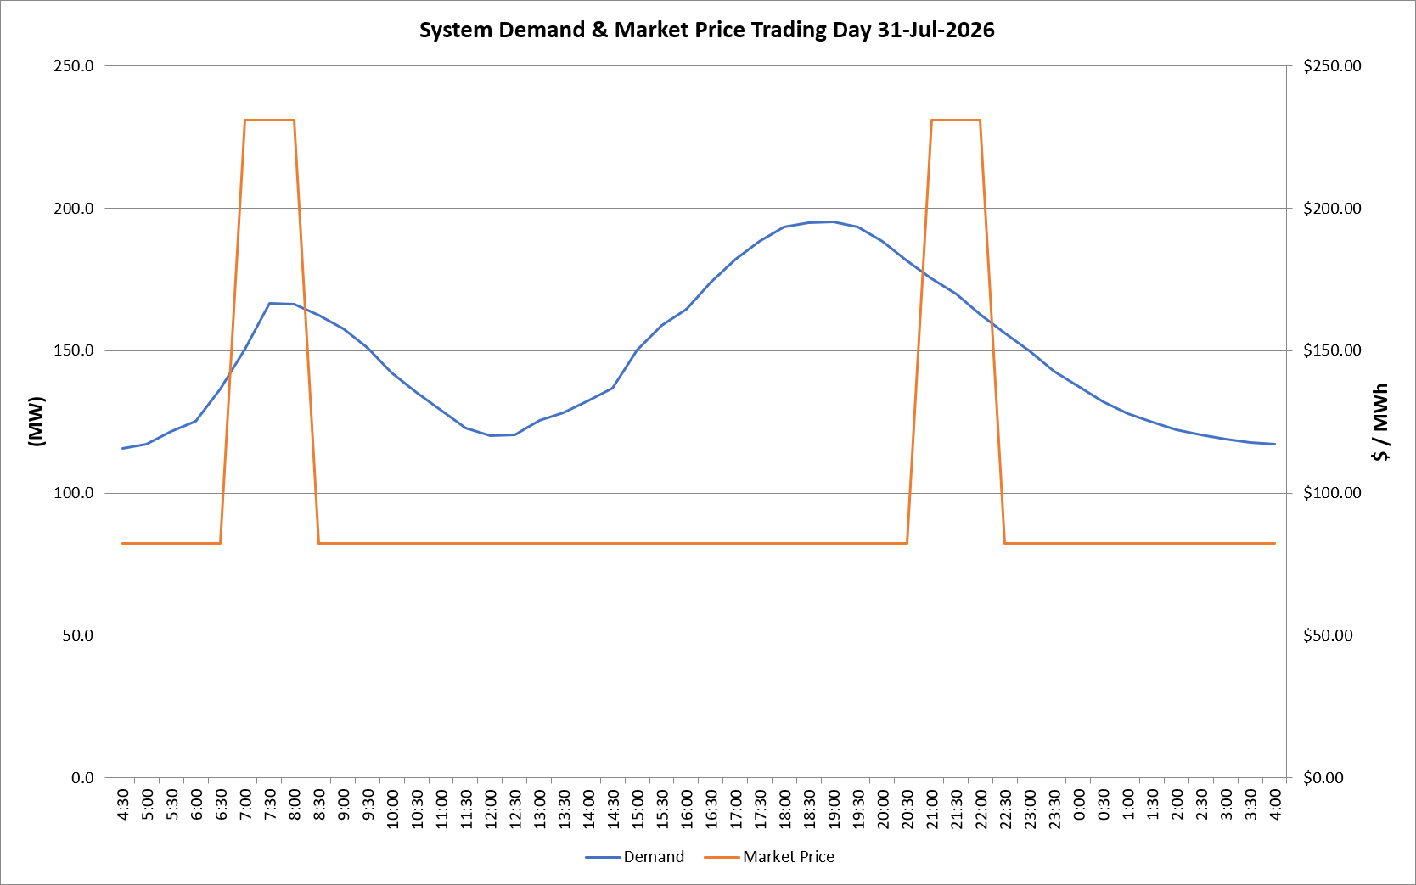
 | Demand | Market Price
4:30:00 | 115.6 | $82.19
5:00:00 | 117.2 | $82.19
5:30:00 | 121.7 | $82.19
6:00:00 | 125.2 | $82.19
6:30:00 | 136.7 | $82.19
7:00:00 | 150.7 | $231.04
7:30:00 | 166.5 | $231.04
8:00:00 | 166.5 | $231.04
8:30:00 | 162.4 | $82.19
9:00:00 | 157.8 | $82.19
9:30:00 | 151.0 | $82.19
10:00:00 | 142.3 | $82.19
10:30:00 | 135.2 | $82.19
11:00:00 | 129.1 | $82.19
11:30:00 | 122.8 | $82.19
12:00:00 | 120.2 | $82.19
12:30:00 | 120.6 | $82.19
13:00:00 | 125.5 | $82.19
13:30:00 | 128.3 | $82.19
14:00:00 | 132.4 | $82.19
14:30:00 | 136.9 | $82.19
15:00:00 | 150.4 | $82.19
15:30:00 | 158.7 | $82.19
16:00:00 | 164.6 | $82.20
16:30:00 | 174.0 | $82.20
17:00:00 | 182.1 | $82.20
17:30:00 | 188.5 | $82.20
18:00:00 | 193.5 | $82.20
18:30:00 | 194.8 | $82.20
19:00:00 | 195.3 | $82.20
19:30:00 | 193.6 | $82.20
20:00:00 | 188.2 | $82.20
20:30:00 | 181.4 | $82.20
21:00:00 | 175.4 | $231.04
21:30:00 | 169.8 | $231.04
22:00:00 | 162.7 | $231.04
22:30:00 | 156.3 | $82.19
23:00:00 | 149.8 | $82.19
23:30:00 | 142.6 | $82.19 | Offers Used For Processing
0:00:00 | 137.3 | $82.19
0:30:00 | 131.9 | $82.19 | Generator | Offer Version | Start Interval | Trading Day
1:00:00 | 127.8 | $82.19 | AENT | Version 4 | 4:30:00 | 2026-07-31
1:30:00 | 124.9 | $82.19 | BSF | Version 0 | 4:30:00 | 2026-07-31
2:00:00 | 122.2 | $82.19 | EDL | Version 1 | 4:30:00 | 2026-07-31
2:30:00 | 120.5 | $82.19 | ENI | Version 18 | 4:30:00 | 2026-07-31
3:00:00 | 118.8 | $82.19 | HCPS | Version 0 | 4:30:00 | 2026-07-31
3:30:00 | 117.9 | $82.19 | TGen | Version 1 | 4:30:00 | 2026-07-31
4:00:00 | 117.1 | $82.19

