System Demand and Market Price
I-NTEM
 | 9-Aug-26

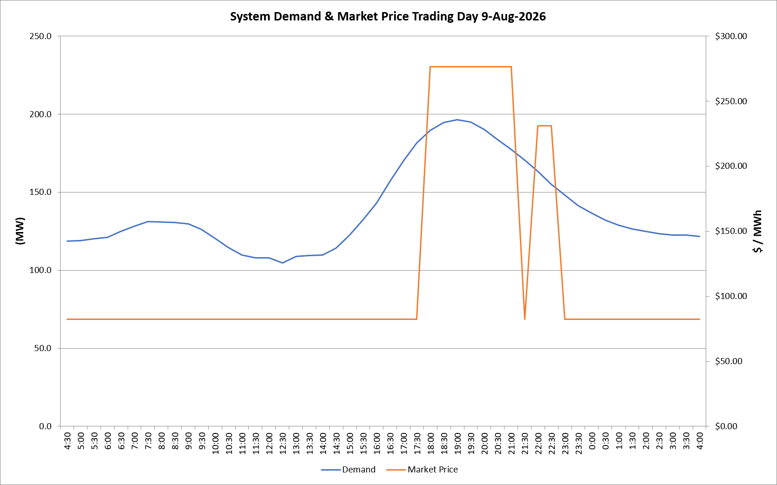
 | Demand | Market Price
4:30:00 | 118.6 | $82.19
5:00:00 | 118.8 | $82.19
5:30:00 | 120.0 | $82.19
6:00:00 | 121.1 | $82.19
6:30:00 | 124.9 | $82.19
7:00:00 | 128.3 | $82.19
7:30:00 | 131.1 | $82.19
8:00:00 | 130.9 | $82.19
8:30:00 | 130.6 | $82.19
9:00:00 | 129.5 | $82.19
9:30:00 | 126.0 | $82.19
10:00:00 | 120.3 | $82.19
10:30:00 | 114.5 | $82.19
11:00:00 | 109.7 | $82.19
11:30:00 | 107.9 | $82.19
12:00:00 | 107.8 | $82.19
12:30:00 | 104.7 | $82.19
13:00:00 | 108.8 | $82.19
13:30:00 | 109.6 | $82.19
14:00:00 | 109.7 | $82.19
14:30:00 | 114.3 | $82.19
15:00:00 | 122.6 | $82.19
15:30:00 | 132.3 | $82.19
16:00:00 | 143.2 | $82.19
16:30:00 | 157.0 | $82.19
17:00:00 | 170.1 | $82.20
17:30:00 | 181.6 | $82.20
18:00:00 | 189.6 | $276.37
18:30:00 | 194.5 | $276.37
19:00:00 | 196.3 | $276.37
19:30:00 | 195.0 | $276.37
20:00:00 | 190.2 | $276.37
20:30:00 | 183.7 | $276.37
21:00:00 | 177.4 | $276.37
21:30:00 | 170.4 | $82.20
22:00:00 | 163.4 | $231.04
22:30:00 | 155.1 | $231.04
23:00:00 | 148.0 | $82.19
23:30:00 | 141.3 | $82.19 | Offers Used For Processing
0:00:00 | 136.5 | $82.19
0:30:00 | 132.0 | $82.19 | Generator | Offer Version | Start Interval | Trading Day
1:00:00 | 128.9 | $82.19 | AENT | Version 4 | 4:30:00 | 2026-08-09
1:30:00 | 126.5 | $82.19 | BSF | Version 0 | 4:30:00 | 2026-08-09
2:00:00 | 124.8 | $82.19 | EDL | Version 1 | 4:30:00 | 2026-08-09
2:30:00 | 123.3 | $82.19 | ENI | Version 18 | 4:30:00 | 2026-08-09
3:00:00 | 122.5 | $82.19 | HCPS | Version 0 | 4:30:00 | 2026-08-09
3:30:00 | 122.5 | $82.19 | TGen | Version 1 | 4:30:00 | 2026-08-09
4:00:00 | 121.6 | $82.19

