System Demand and Market Price
I-NTEM
 | 7-Aug-26

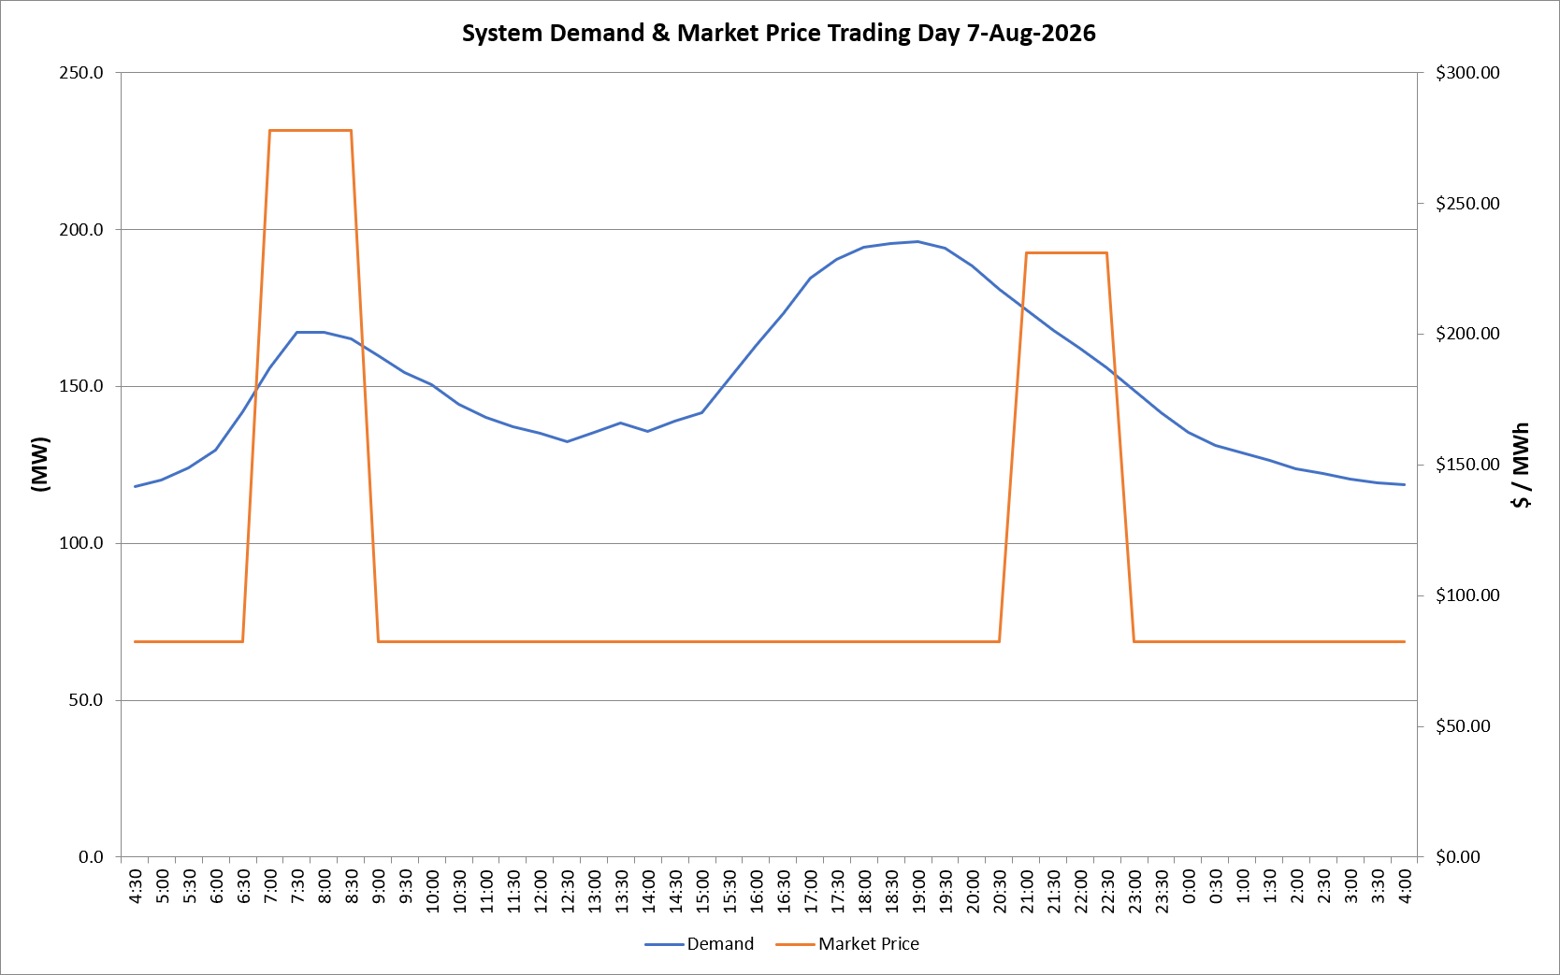
 | Demand | Market Price
4:30:00 | 118.0 | $82.19
5:00:00 | 120.0 | $82.19
5:30:00 | 124.1 | $82.19
6:00:00 | 129.8 | $82.19
6:30:00 | 142.0 | $82.19
7:00:00 | 155.9 | $278.00
7:30:00 | 167.2 | $278.00
8:00:00 | 167.2 | $278.00
8:30:00 | 165.2 | $278.00
9:00:00 | 159.7 | $82.19
9:30:00 | 154.3 | $82.19
10:00:00 | 150.6 | $82.19
10:30:00 | 144.2 | $82.19
11:00:00 | 140.2 | $82.19
11:30:00 | 137.1 | $82.19
12:00:00 | 135.2 | $82.19
12:30:00 | 132.4 | $82.19
13:00:00 | 135.2 | $82.19
13:30:00 | 138.3 | $82.19
14:00:00 | 135.7 | $82.19
14:30:00 | 139.0 | $82.19
15:00:00 | 141.6 | $82.19
15:30:00 | 152.2 | $82.19
16:00:00 | 162.9 | $82.19
16:30:00 | 173.3 | $82.19
17:00:00 | 184.5 | $82.19
17:30:00 | 190.4 | $82.19
18:00:00 | 194.3 | $82.19
18:30:00 | 195.4 | $82.20
19:00:00 | 196.1 | $82.20
19:30:00 | 193.9 | $82.20
20:00:00 | 188.3 | $82.20
20:30:00 | 180.9 | $82.20
21:00:00 | 174.5 | $231.04
21:30:00 | 167.9 | $231.04
22:00:00 | 162.0 | $231.04
22:30:00 | 156.0 | $231.04
23:00:00 | 148.6 | $82.19
23:30:00 | 141.6 | $82.19 | Offers Used For Processing
0:00:00 | 135.4 | $82.19
0:30:00 | 131.2 | $82.19 | Generator | Offer Version | Start Interval | Trading Day
1:00:00 | 128.7 | $82.19 | AENT | Version 4 | 4:30:00 | 2026-08-07
1:30:00 | 126.2 | $82.19 | BSF | Version 0 | 4:30:00 | 2026-08-07
2:00:00 | 123.8 | $82.19 | EDL | Version 1 | 4:30:00 | 2026-08-07
2:30:00 | 122.2 | $82.19 | ENI | Version 18 | 4:30:00 | 2026-08-07
3:00:00 | 120.5 | $82.19 | HCPS | Version 0 | 4:30:00 | 2026-08-07
3:30:00 | 119.3 | $82.19 | TGen | Version 1 | 4:30:00 | 2026-08-07
4:00:00 | 118.7 | $82.19

