System Demand and Market Price
I-NTEM
 | 17-Aug-26

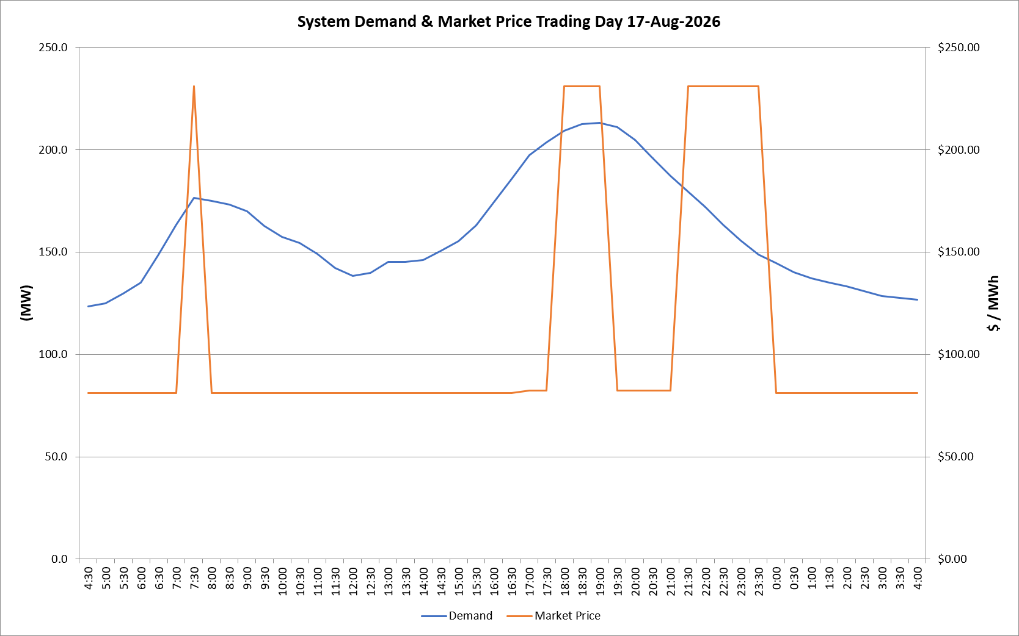
 | Demand | Market Price
4:30:00 | 123.5 | $81.19
5:00:00 | 125.0 | $81.19
5:30:00 | 129.6 | $81.19
6:00:00 | 135.1 | $81.19
6:30:00 | 148.7 | $81.19
7:00:00 | 163.4 | $81.19
7:30:00 | 176.3 | $231.04
8:00:00 | 175.0 | $81.19
8:30:00 | 173.2 | $81.19
9:00:00 | 169.8 | $81.19
9:30:00 | 162.8 | $81.19
10:00:00 | 157.5 | $81.19
10:30:00 | 154.5 | $81.19
11:00:00 | 149.0 | $81.19
11:30:00 | 142.3 | $81.19
12:00:00 | 138.4 | $81.19
12:30:00 | 139.8 | $81.19
13:00:00 | 145.0 | $81.19
13:30:00 | 145.1 | $81.19
14:00:00 | 146.2 | $81.19
14:30:00 | 150.6 | $81.19
15:00:00 | 155.2 | $81.19
15:30:00 | 163.1 | $81.19
16:00:00 | 174.5 | $81.20
16:30:00 | 185.8 | $81.20
17:00:00 | 197.2 | $82.20
17:30:00 | 203.6 | $82.20
18:00:00 | 209.2 | $231.04
18:30:00 | 212.5 | $231.04
19:00:00 | 213.2 | $231.04
19:30:00 | 210.9 | $82.20
20:00:00 | 204.8 | $82.20
20:30:00 | 195.7 | $82.20
21:00:00 | 187.1 | $82.20
21:30:00 | 179.6 | $231.04
22:00:00 | 171.9 | $231.04
22:30:00 | 163.4 | $231.04
23:00:00 | 155.5 | $231.04
23:30:00 | 148.8 | $231.04 | Offers Used For Processing
0:00:00 | 144.5 | $81.19
0:30:00 | 140.0 | $81.19 | Generator | Offer Version | Start Interval | Trading Day
1:00:00 | 137.0 | $81.19 | AENT | Version 4 | 4:30:00 | 2026-08-17
1:30:00 | 135.0 | $81.19 | BSF | Version 0 | 4:30:00 | 2026-08-17
2:00:00 | 133.1 | $81.19 | EDL | Version 1 | 4:30:00 | 2026-08-17
2:30:00 | 131.0 | $81.19 | ENI | Version 18 | 4:30:00 | 2026-08-17
3:00:00 | 128.5 | $81.19 | HCPS | Version 0 | 4:30:00 | 2026-08-17
3:30:00 | 127.5 | $81.19 | TGen | Version 1 | 4:30:00 | 2026-08-17
4:00:00 | 126.7 | $81.19

